主标数量6.11
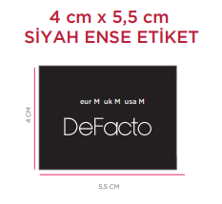
款号 | 颜色 | XS | S | M | L
F5571AX | BN530 - BROWN | 408 | 1108 | 737 | 367 | 2620

