Sheet1
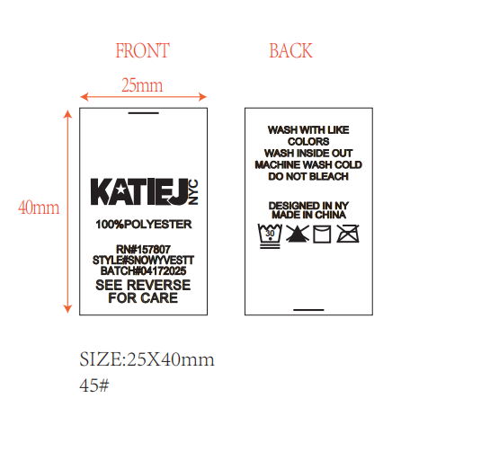
 |  |  |  |  |  |  |  |  |  | STYLE# | PADDIECOATJ | PADDIECOATT

 |  |  |  |  |  |  |  |  |  | BATCH# | 06232025 | BATCH# | 06232025

 |  |  |  |  |  |  |  |  |  | 100% POLYESTER |  | 100% POLYESTER

 | labelqty | style | color | size | upcnum | suggprice | styledesc | colordesc | account
 | 26 | PADDIECOATJ | TEDDY | XS | 500000489725 | 155 | JUNIOR PADDIE LONG LENGTH SHERPA COAT | TEDDY BEAR BROWN | KTJ
 | 26 | PADDIECOATJ | TEDDY | SM | 500000489732 | 155 | JUNIOR PADDIE LONG LENGTH SHERPA COAT | TEDDY BEAR BROWN | KTJ
 | 22 | PADDIECOATJ | TEDDY | MD | 500000489749 | 155 | JUNIOR PADDIE LONG LENGTH SHERPA COAT | TEDDY BEAR BROWN | KTJ
 | 22 | PADDIECOATJ | TEDDY | LG | 500000489756 | 155 | JUNIOR PADDIE LONG LENGTH SHERPA COAT | TEDDY BEAR BROWN | KTJ
 | 10 | PADDIECOATJ | BLACK | XS | 500000525966 | 145 | JUNIOR PADDIE LONG LENGTH SHERPA COAT | Black | KTJ
 | 10 | PADDIECOATJ | BLACK | SM | 500000525973 | 145 | JUNIOR PADDIE LONG LENGTH SHERPA COAT | Black | KTJ
 | 10 | PADDIECOATJ | BLACK | MD | 500000525980 | 145 | JUNIOR PADDIE LONG LENGTH SHERPA COAT | Black | KTJ
 | 10 | PADDIECOATJ | BLACK | LG | 500000525997 | 145 | JUNIOR PADDIE LONG LENGTH SHERPA COAT | Black | KTJ
 | 136
做 | 140

 | 42 | PADDIECOATT | TEDDY | SM | 500000491247 | 145 | TWEEN PADDIE LONG LENGTH SHERPA COAT | TEDDY BEAR BROWN | KTJ
 | 50 | PADDIECOATT | TEDDY | MD | 500000491254 | 145 | TWEEN PADDIE LONG LENGTH SHERPA COAT | TEDDY BEAR BROWN | KTJ
 | 48 | PADDIECOATT | TEDDY | LG | 500000491261 | 145 | TWEEN PADDIE LONG LENGTH SHERPA COAT | TEDDY BEAR BROWN | KTJ
 | 40 | PADDIECOATT | TEDDY | XL | 500000491278 | 145 | TWEEN PADDIE LONG LENGTH SHERPA COAT | TEDDY BEAR BROWN | KTJ
 | 180
做 | 185

