TWILL TAPE PO
PURCHASE ORDER

SUPPLIER : - HANG SANG
TCW CHINA
DELIVERY : -
El-Helal company for knitting , dyeing & ready made garments.

Misr company industrial zone , Kafr El-Dwar - Behera-Egypt.

PO NO: -
STYLE NO : - | # 19726 |  |  | SHIP MODE : - | TBA
S/NO | ITEM DESCRIPTION (REF.) | REF. NO. | PHOTO | TOTAL QTY (PCS) | PRICE/pcs | TOTAL VALUE
1 | Secondary tag |  | 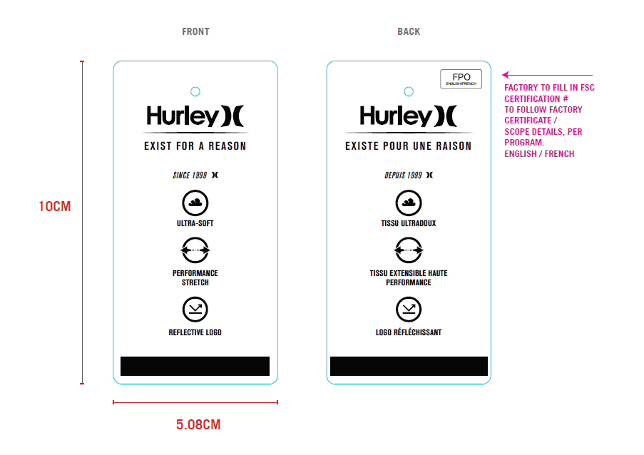 | 15500 |  | $-
 |  |  |  | 15,500 |  | $-

