加单数量6.23
价格牌加单（大货未发） | 款号 | 颜色 | XS | S | M | L | XL | XXL | 3XL |  | 涉及PO
 | F5928AX | AR148 - ANTHRA | 30 | 30 | 30 | 30 | 30 | 30 | 30 | 210 | 1651111,1651112,1651113,1651114,1651115,1651116,1651117,1651118,1651119,1651120,1651121,1651122,1651123,1651124,1651125
 | F5928AX | BK81 - BLACK | 30 | 30 | 30 | 30 | 30 | 30 | 30 | 210 | 1651111,1651112,1651113,1651114,1651115,1651116,1651117,1651118,1651119,1651120,1651121,1651122,1651123,1651124,1651125
 | F5928AX | BN91 - BROWN | 30 | 30 | 30 | 30 | 30 | 30 | 30 | 210 | 1651111,1651112,1651113,1651114,1651115,1651116,1651117,1651118,1651119,1651120,1651121,1651122,1651123,1651124,1651125
 |  |  | 90 | 90 | 90 | 90 | 90 | 90 | 90 | 630

条码标加单（大货已发） | 款号 | 颜色 | XS | S | M | L | XL | XXL | 3XL |  | 涉及PO
 | F5928AX | AR148 - ANTHRA | 30 | 30 | 30 | 30 | 30 | 30 | 30 | 210 | 1651111,1651112,1651113,1651114,1651115,1651116,1651117,1651118,1651119,1651120,1651121,1651122,1651123,1651124,1651125
 | F5928AX | BK81 - BLACK | 30 | 30 | 30 | 30 | 30 | 30 | 30 | 210 | 1651111,1651112,1651113,1651114,1651115,1651116,1651117,1651118,1651119,1651120,1651121,1651122,1651123,1651124,1651125
 | F5928AX | BN91 - BROWN | 30 | 30 | 30 | 30 | 30 | 30 | 30 | 210 | 1651111,1651112,1651113,1651114,1651115,1651116,1651117,1651118,1651119,1651120,1651121,1651122,1651123,1651124,1651125
 |  |  | 90 | 90 | 90 | 90 | 90 | 90 | 90 | 630

1845主标加单（大货已发） | 款号 | 颜色 | XS | S | M | L | XL | XXL | 3XL |  | 涉及PO
 | F5928AX | 通用 | 50 | 50 | 50 | 50 | 50 | 50 | 50 | 350 | 1651111,1651112,1651113,1651114,1651115,1651116,1651117,1651118,1651119,1651120,1651121,1651122,1651123,1651124,1651125
 |  |  | 50 | 50 | 50 | 50 | 50 | 50 | 50 | 350
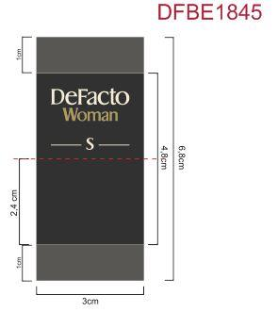

洗标数量 | Style Code | 洗标颜色
 | F5928AX | 白色 | 8255 |  | 3张/套
 |  | 棕色 | 1076
 | 总计 |  | 9331

