Cost Sheet
24V15 | Date: | Program Name: | Division | Season | FTY | CUSTOMER | FILE NAME
 | 2025-06-12 | SECRET PKG | ACCESSORIES | FW | SL |  | A__FW_SECRET PKG-SL250612

NO | ART | REF SAMPLE PHOTO | STYLE # | REF. FOR COSTING | PRODUCT TYPE | DESC. | CONTENT | GENDER | SIZE | WEIGHT(g) | QUALITY NOTES | PACKAGING BRAND | PACKAGING COMPONENTS | MAKER | MOQ | FOB | BY DZ/UNIT | COST COMMENTS | PACK/CARTON | CTN DIMS(CM)
 |  |  |  |  |  |  |  |  |  |  |  |  |  |  |  | USD |  |  |  | L | W | H
1 |  |  | SECRET-1 HOOK |  |  | WHITE J HOOK |  |  | 3.5*5.5CM |  | SAME AS LAST YEAR |  |  | SL | 3,712 |  | UNIT
2 |  |  | SECRET-1 HANGTAG |  |  | WHITE SECRET HANGTAG |  |  | 5*7.5CM |  | WHITE CARDPAPER | 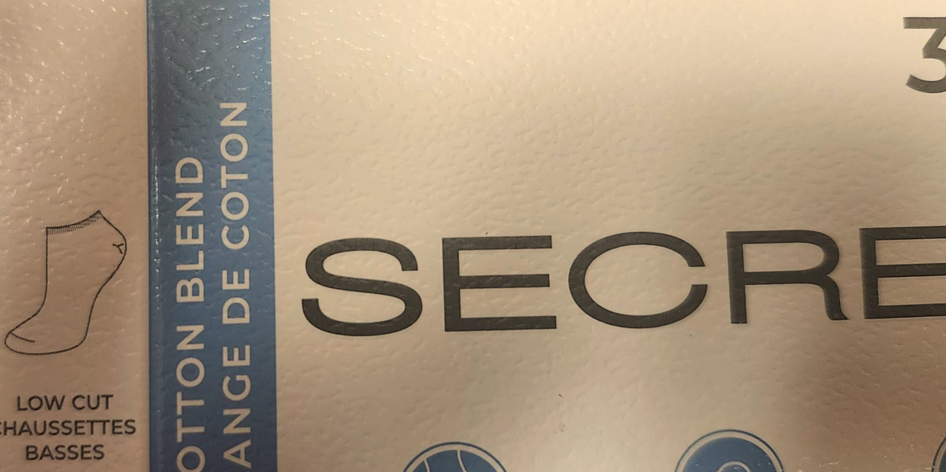 |  | SL | 6,316 |  | UNIT
3 | 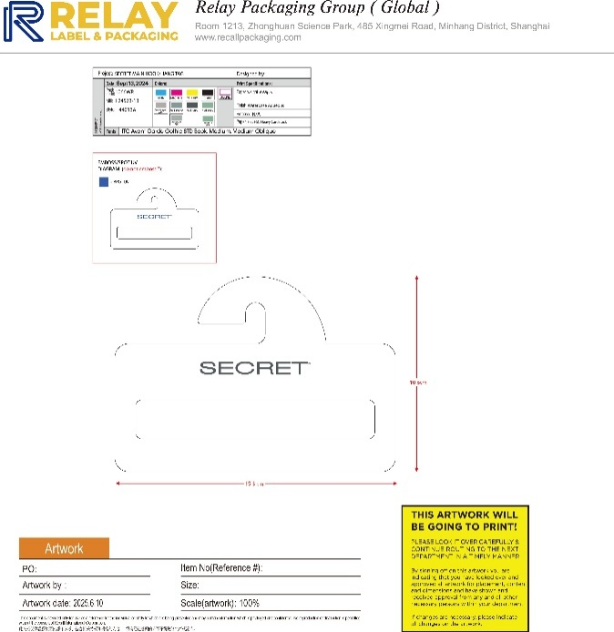 |  | SECRET改-2 |  |  | SCARF HANGER |  |  | revised |  | SAME THICKNESS AND QUALITY AS HOOK , WHITE HANGER |  |  | SL | 2,600 |  | UNIT
4 |  |  | SECRET改6.24 |  |  | EARMUFF HANGER |  |  | ] |  | PENDING |  |  | SL | 1,400 |  | UNIT
5 |  |  |  |  |  |  |  |  |  |  |  |  |  | SL
6 | 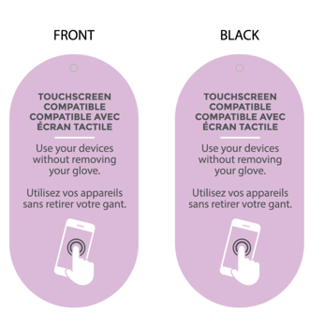 |  | SECRET-4 TOUCHSCREEN |  |  | TOUCHSCREEN COMPATIBLE FEATURE |  |  | 5.61*2.8588 |  | WHITE CARDPAPER |  |  | SL | 4,340 |  | UNIT
7 |  |  |  |  |  |  |  |  |  |  |  |  |  | SL
8 |  |  |  |  |  |  |  |  |  |  |  |  |  | SL
9 |  |  |  |  |  |  |  |  |  |  |  |  |  | SL |  |  | UNIT
10 |  |  |  |  |  |  |  |  |  |  |  |  |  | SL |  |  | UNIT

