尺码标数量
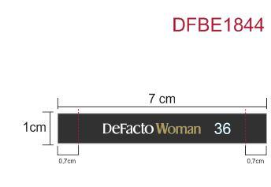
款号 | 34 | 36 | 38 | 40 | 42 | 44
F0643AX | 153 | 589 | 589 | 589 | 589 | 140 | 2649

