Summary Table-English Format
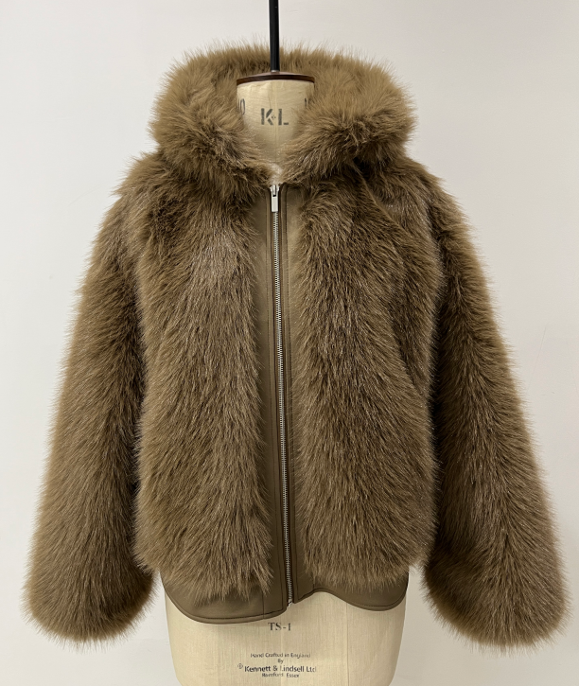
 |  |  |  |  |  |  |  | SINOPROUD 装箱单
客户：DEFACTO
款号：F5570AX
联系人：金诺7部/Marjorie
更新日期：2024-7-24
 |  |  | Total Order
箱号 | 箱号 | 箱数 | Style Code | Order Number 订单号 | 货期 | ColorCode-Name 颜色 | Prepack Code 款号 | Set Content | S | M | L | Qty. In A Blister 一个配比件数 | 一箱 中包数 | 一箱 件数 | Delivery Country 国家 | Total Blister 总中包数 | Total Open Quantity 总数量 | 箱规 | 箱贴数量 | LOT 中包净重 | 净重 /箱 | 毛重 /箱 | 净重 /总 | 毛重 /总
1 | 26 | 26 | F5570AX | 1647651 | 2025-08-05 | BN530 - BROWN | F5570AXECOMAL | 1 | - | - | 2 | 2 | 3 | 6 | ECOM-价格牌无价格 | 78 | 156 | 60*40*28 | 56 | 1.76 | 5.28 | 6.4 | 411.84 | 499.2
27 | 27 | 1 | F5570AX | 1647651 | 2025-08-05 | BN530 - BROWN | F5570AXECOMAL | 1 | - | - | 2 | 2 | 2 | 4 | ECOM-价格牌无价格 | 2 | 4 | 60*40*28 | 4 | 1.76 | 3.52 | 4.64 | 7.04 | 9.28
1 | 26 | 26 | F5570AX | 1647651 | 2025-08-05 | BN530 - BROWN | F5570AXECOMAM | 1 | - | 2 | - | 2 | 3 | 6 | ECOM-价格牌无价格 | 78 | 156 | 60*40*28 | 56 | 1.66 | 4.98 | 6.1 | 388.44 | 475.8
27 | 27 | 1 | F5570AX | 1647651 | 2025-08-05 | BN530 - BROWN | F5570AXECOMAM | 1 | - | 2 | - | 2 | 2 | 4 | ECOM-价格牌无价格 | 2 | 4 | 60*40*28 | 4 | 1.66 | 3.32 | 4.44 | 6.64 | 8.88
1 | 26 | 26 | F5570AX | 1647651 | 2025-08-05 | BN530 - BROWN | F5570AXECOMAS | 1 | 2 | - | - | 2 | 3 | 6 | ECOM-价格牌无价格 | 78 | 156 | 60*40*28 | 56 | 1.5 | 4.5 | 5.62 | 351 | 438.36
27 | 27 | 1 | F5570AX | 1647651 | 2025-08-05 | BN530 - BROWN | F5570AXECOMAS | 1 | 2 | - | - | 2 | 2 | 4 | ECOM-价格牌无价格 | 2 | 4 | 60*40*28 | 4 | 1.5 | 3 | 4.12 | 6 | 8.24
1 | 4 | 4 | F5570AX | 1647649 | 2025-07-25 | BN530 - BROWN | F5570AXDFA | 1 | 2 | 2 | 2 | 6 | 1 | 6 | GEORGIA | 4 | 24 | 60*40*28 | 12 | 4.92 | 4.92 | 6.04 | 19.68 | 24.16
1 | 2 | 2 | F5570AX | 1647648 | 2025-07-25 | BN530 - BROWN | F5570AXDFA | 1 | 2 | 2 | 2 | 6 | 1 | 6 | UZBEKISTAN | 2 | 12 | 60*40*28 | 6 | 4.92 | 4.92 | 6.04 | 9.84 | 12.08
1 | 6 | 6 | F5570AX | 1647647 | 2025-07-25 | BN530 - BROWN | F5570AXDFA | 1 | 2 | 2 | 2 | 6 | 1 | 6 | UKRAINE | 6 | 36 | 60*40*28 | 16 | 4.92 | 4.92 | 6.04 | 29.52 | 36.24
1 | 5 | 5 | F5570AX | 1647646 | 2025-07-25 | BN530 - BROWN | F5570AXDFA | 1 | 2 | 2 | 2 | 6 | 1 | 6 | AZERBAIJAN | 5 | 30 | 60*40*28 | 14 | 4.92 | 4.92 | 6.04 | 24.6 | 30.2
1 | 5 | 5 | F5570AX | 1647645 | 2025-07-25 | BN530 - BROWN | F5570AXDFA | 1 | 2 | 2 | 2 | 6 | 1 | 6 | KOSOVO | 5 | 30 | 60*40*28 | 14 | 4.92 | 4.92 | 6.04 | 24.6 | 30.2
1 | 5 | 5 | F5570AX | 1647644 | 2025-07-25 | BN530 - BROWN | F5570AXDFA | 1 | 2 | 2 | 2 | 6 | 1 | 6 | LEBANON | 5 | 30 | 60*40*28 | 14 | 4.92 | 4.92 | 6.04 | 24.6 | 30.2
1 | 13 | 13 | F5570AX | 1647643 | 2025-08-05 | BN530 - BROWN | F5570AXKZKA | 1 | 2 | 2 | 2 | 6 | 1 | 6 | KAZAKHSTAN | 13 | 78 | 60*40*28 | 30 | 4.92 | 4.92 | 6.04 | 63.96 | 78.52
1 | 13 | 13 | F5570AX | 1647642 | 2025-08-05 | BN530 - BROWN | F5570AXTOP5A | 1 | 2 | 2 | 2 | 6 | 1 | 6 | TOPTAN-5 俄罗斯单，价格牌空白，贴QR贴纸 | 13 | 78 | 60*40*28 | 30 | 4.92 | 4.92 | 6.04 | 63.96 | 78.52
1 | 10 | 10 | F5570AX | 1647641 | 2025-08-05 | BN530 - BROWN | F5570AXTOP7A | 1 | 2 | 2 | 2 | 6 | 1 | 6 | TOPTAN-7 | 10 | 60 | 60*40*28 | 24 | 4.92 | 4.92 | 6.04 | 49.2 | 60.4
1 | 354 | 354 | F5570AX | 1647650 | 2025-08-05 | BN530 - BROWN | F5570AXDFA | 1 | 2 | 2 | 2 | 6 | 1 | 6 | TURKEY | 354 | 2124 | 60*40*28 | 744 | 4.92 | 4.92 | 6.04 | 1741.68 | 2138.16
 |  |  |  |  |  |  |  |  |  |  |  |  |  |  |  |  |  |  | 1084

 |  |  | Total Order By Sizes
 |  |  | Style Code | Order Number | Supplier Shipment Date | ColorCode-Name | Prepack Code | Set Content | S | M | L | Delivery Country
 |  |  | F5570AX | 1647651 | 2025-08-05 | BN530 - BROWN | F5570AXECOMAL | 1 | - | - | 160 | ECOM
 |  |  | F5570AX | 1647651 | 2025-08-05 | BN530 - BROWN | F5570AXECOMAM | 1 | - | 160 | - | ECOM
 |  |  | F5570AX | 1647651 | 2025-08-05 | BN530 - BROWN | F5570AXECOMAS | 1 | 160 | - | - | ECOM
 |  |  | F5570AX | 1647649 | 2025-07-25 | BN530 - BROWN | F5570AXDFA | 1 | 8 | 8 | 8 | GEORGIA
 |  |  | F5570AX | 1647648 | 2025-07-25 | BN530 - BROWN | F5570AXDFA | 1 | 4 | 4 | 4 | UZBEKISTAN
 |  |  | F5570AX | 1647647 | 2025-07-25 | BN530 - BROWN | F5570AXDFA | 1 | 12 | 12 | 12 | UKRAINE
 |  |  | F5570AX | 1647646 | 2025-07-25 | BN530 - BROWN | F5570AXDFA | 1 | 10 | 10 | 10 | AZERBAIJAN
 |  |  | F5570AX | 1647645 | 2025-07-25 | BN530 - BROWN | F5570AXDFA | 1 | 10 | 10 | 10 | KOSOVO
 |  |  | F5570AX | 1647644 | 2025-07-25 | BN530 - BROWN | F5570AXDFA | 1 | 10 | 10 | 10 | LEBANON
 |  |  | F5570AX | 1647643 | 2025-08-05 | BN530 - BROWN | F5570AXKZKA | 1 | 26 | 26 | 26 | KAZAKHSTAN
 |  |  | F5570AX | 1647642 | 2025-08-05 | BN530 - BROWN | F5570AXTOP5A | 1 | 26 | 26 | 26 | TOPTAN-5
 |  |  | F5570AX | 1647641 | 2025-08-05 | BN530 - BROWN | F5570AXTOP7A | 1 | 20 | 20 | 20 | TOPTAN-7
 |  |  | F5570AX | 1647650 | 2025-08-05 | BN530 - BROWN | F5570AXDFA | 1 | 708 | 708 | 708 | TURKEY

