Summary Table-English Format
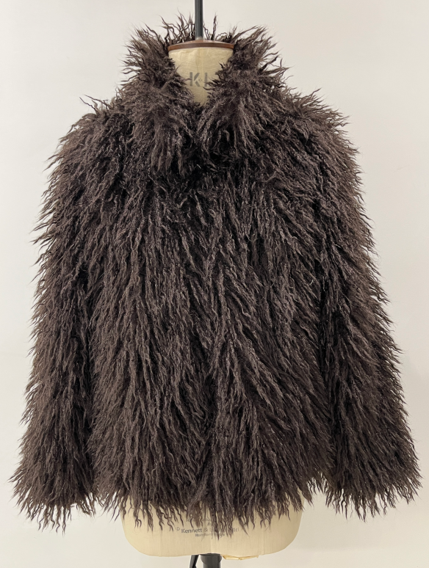
 |  |  |  |  |  |  |  | SINOPROUD 装箱单
客户：DEFACTO
款号：F5571AX
联系人：金诺7部/Marjorie
更新日期：2024-7-24
 |  |  |  |  |  |  |  |  | Total Order 尺码配比
箱号 | 箱号 | 箱数 | Style Code | Order Number 订单号 | 货期 | ColorCode-Name 颜色 | Prepack Code 款号 | Set Content | XS | S | M | L | Qty. In A Blister 一个配比件数 | 一箱 中包数 | 一箱 件数 | Delivery Country 国家 | Total Blister 总中包数 | Total Open Quantity 总数量 | 箱规 | 箱贴数量 | LOT 中包净重 | 净重 /箱 | 毛重 /箱 | 净重 /总 | 毛重 /总
1 | 255 | 255 | F5571AX | 1647801 | 2025-08-05 | BN530 - BROWN | F5571AXDFA | 1 | 1 | 3 | 2 | 1 | 7 | 1 | 7 | TURKEY | 255 | 1785 | 60*40*28 | 536 | 6.59 | 6.59 | 7.71 | 1680.45 | 1966.05
1 | 4 | 4 | F5571AX | 1647798 | 2025-07-25 | BN530 - BROWN | F5571AXDFA | 1 | 1 | 3 | 2 | 1 | 7 | 1 | 7 | GEORGIA | 4 | 28 | 60*40*28 | 10 | 6.59 | 6.59 | 7.71 | 26.36 | 30.84
1 | 2 | 2 | F5571AX | 1647794 | 2025-07-25 | BN530 - BROWN | F5571AXDFA | 1 | 1 | 3 | 2 | 1 | 7 | 1 | 7 | BOSNIA | 2 | 14 | 60*40*28 | 6 | 6.59 | 6.59 | 7.71 | 13.18 | 15.42
1 | 2 | 2 | F5571AX | 1647789 | 2025-07-25 | BN530 - BROWN | F5571AXDFA | 1 | 1 | 3 | 2 | 1 | 7 | 1 | 7 | MACEDONIA | 2 | 14 | 60*40*28 | 6 | 6.59 | 6.59 | 7.71 | 13.18 | 15.42
1 | 2 | 2 | F5571AX | 1647786 | 2025-07-25 | BN530 - BROWN | F5571AXDFA | 1 | 1 | 3 | 2 | 1 | 7 | 1 | 7 | UZBEKISTAN | 2 | 14 | 60*40*28 | 6 | 6.59 | 6.59 | 7.71 | 13.18 | 15.42
1 | 2 | 2 | F5571AX | 1647782 | 2025-07-25 | BN530 - BROWN | F5571AXDFA | 1 | 1 | 3 | 2 | 1 | 7 | 1 | 7 | SERBIA | 2 | 14 | 60*40*28 | 6 | 6.59 | 6.59 | 7.71 | 13.18 | 15.42
1 | 2 | 2 | F5571AX | 1647780 | 2025-07-25 | BN530 - BROWN | F5571AXDFA | 1 | 1 | 3 | 2 | 1 | 7 | 1 | 7 | ALBANIA | 2 | 14 | 60*40*28 | 6 | 6.59 | 6.59 | 7.71 | 13.18 | 15.42
1 | 2 | 2 | F5571AX | 1647779 | 2025-07-25 | BN530 - BROWN | F5571AXDFA | 1 | 1 | 3 | 2 | 1 | 7 | 1 | 7 | MOLDOVA | 2 | 14 | 60*40*28 | 6 | 6.59 | 6.59 | 7.71 | 13.18 | 15.42
1 | 2 | 2 | F5571AX | 1647776 | 2025-07-25 | BN530 - BROWN | F5571AXDFA | 1 | 1 | 3 | 2 | 1 | 7 | 1 | 7 | MONTENEGRO | 2 | 14 | 60*40*28 | 6 | 6.59 | 6.59 | 7.71 | 13.18 | 15.42
1 | 6 | 6 | F5571AX | 1647774 | 2025-07-25 | BN530 - BROWN | F5571AXDFA | 1 | 1 | 3 | 2 | 1 | 7 | 1 | 7 | UKRAINE | 6 | 42 | 60*40*28 | 16 | 6.59 | 6.59 | 7.71 | 39.54 | 46.26
1 | 4 | 4 | F5571AX | 1647773 | 2025-07-25 | BN530 - BROWN | F5571AXDFA | 1 | 1 | 3 | 2 | 1 | 7 | 1 | 7 | AZERBAIJAN | 4 | 28 | 60*40*28 | 12 | 6.59 | 6.59 | 7.71 | 26.36 | 30.84
1 | 4 | 4 | F5571AX | 1647772 | 2025-07-25 | BN530 - BROWN | F5571AXDFA | 1 | 1 | 3 | 2 | 1 | 7 | 1 | 7 | KOSOVO | 4 | 28 | 60*40*28 | 12 | 6.59 | 6.59 | 7.71 | 26.36 | 30.84
1 | 4 | 4 | F5571AX | 1647771 | 2025-07-25 | BN530 - BROWN | F5571AXDFA | 1 | 1 | 3 | 2 | 1 | 7 | 1 | 7 | LEBANON | 4 | 28 | 60*40*28 | 12 | 6.59 | 6.59 | 7.71 | 26.36 | 30.84
1 | 10 | 10 | F5571AX | 1647770 | 2025-08-05 | BN530 - BROWN | F5571AXKZKA | 1 | 1 | 3 | 2 | 1 | 7 | 1 | 7 | KAZAKHSTAN | 10 | 70 | 60*40*28 | 24 | 6.59 | 6.59 | 7.71 | 65.9 | 77.1
1 | 6 | 6 | F5571AX | 1647769 | 2025-08-05 | BN530 - BROWN | F5571AXECOMAL | 1 | - | - | - | 2 | 2 | 3 | 6 | ECOM-价格牌无价格 | 18 | 36 | 60*40*28 | 16 | 2.06 | 6.18 | 7.3 | 111.24 | 131.4
1 | 12 | 12 | F5571AX | 1647769 | 2025-08-05 | BN530 - BROWN | F5571AXECOMAM | 1 | - | - | 2 | - | 2 | 3 | 6 | ECOM-价格牌无价格 | 36 | 72 | 60*40*28 | 28 | 1.92 | 5.76 | 6.88 | 207.36 | 247.68
13 | 13 | 1 | F5571AX | 1647769 | 2025-08-05 | BN530 - BROWN | F5571AXECOMAM | 1 | - | - | 2 | - | 2 | 2 | 4 | ECOM-价格牌无价格 | 2 | 4 | 60*40*28 | 4 | 1.92 | 3.84 | 4.96 | 7.68 | 9.92
1 | 19 | 19 | F5571AX | 1647769 | 2025-08-05 | BN530 - BROWN | F5571AXECOMAS | 1 | - | 2 | - | - | 2 | 3 | 6 | ECOM-价格牌无价格 | 57 | 114 | 60*40*28 | 42 | 1.84 | 5.52 | 6.64 | 314.64 | 378.48
20 | 20 | 1 | F5571AX | 1647769 | 2025-08-05 | BN530 - BROWN | F5571AXECOMAS | 1 | - | 2 | - | - | 2 | 1 | 2 | ECOM-价格牌无价格 | 1 | 2 | 60*40*28 | 4 | 1.84 | 1.84 | 2.96 | 1.84 | 2.96
1 | 12 | 12 | F5571AX | 1647769 | 2025-08-05 | BN530 - BROWN | F5571AXECOMAXS | 1 | 2 | - | - | - | 2 | 3 | 6 | ECOM-价格牌无价格 | 36 | 72 | 60*40*28 | 28 | 1.76 | 5.28 | 6.4 | 190.08 | 230.4
13 | 13 | 1 | F5571AX | 1647769 | 2025-08-05 | BN530 - BROWN | F5571AXECOMAXS | 1 | 2 | - | - | - | 2 | 2 | 4 | ECOM-价格牌无价格 | 2 | 4 | 60*40*28 | 4 | 1.76 | 3.52 | 4.64 | 7.04 | 9.28
1 | 9 | 9 | F5571AX | 1647768 | 2025-08-05 | BN530 - BROWN | F5571AXTOP7A | 1 | 1 | 3 | 2 | 1 | 7 | 1 | 7 | TOPTAN-7 | 9 | 63 | 60*40*28 | 22 | 6.59 | 6.59 | 7.71 | 59.31 | 69.39
1 | 10 | 10 | F5571AX | 1647767 | 2025-08-05 | BN530 - BROWN | F5571AXTOP5A | 1 | 1 | 3 | 2 | 1 | 7 | 1 | 7 | TOPTAN-5 俄罗斯单，价格牌空白，贴QR贴纸 | 10 | 70 | 60*40*28 | 24 | 6.59 | 6.59 | 7.71 | 65.9 | 77.1
 |  |  |  |  |  |  |  |  |  |  |  |  |  |  |  |  |  |  |  | 836
 |  |  | Total Order By Sizes
 |  |  | Style Code | Order Number | Supplier Shipment Date | ColorCode-Name | Prepack Code | Set Content | XS | S | M | L | Delivery Country
 |  |  | F5571AX | 1647801 | 2025-08-05 | BN530 - BROWN | F5571AXDFA | 1 | 255 | 765 | 510 | 255 | TURKEY
 |  |  | F5571AX | 1647798 | 2025-07-25 | BN530 - BROWN | F5571AXDFA | 1 | 4 | 12 | 8 | 4 | GEORGIA
 |  |  | F5571AX | 1647794 | 2025-07-25 | BN530 - BROWN | F5571AXDFA | 1 | 2 | 6 | 4 | 2 | BOSNIA
 |  |  | F5571AX | 1647789 | 2025-07-25 | BN530 - BROWN | F5571AXDFA | 1 | 2 | 6 | 4 | 2 | MACEDONIA
 |  |  | F5571AX | 1647786 | 2025-07-25 | BN530 - BROWN | F5571AXDFA | 1 | 2 | 6 | 4 | 2 | UZBEKISTAN
 |  |  | F5571AX | 1647782 | 2025-07-25 | BN530 - BROWN | F5571AXDFA | 1 | 2 | 6 | 4 | 2 | SERBIA
 |  |  | F5571AX | 1647780 | 2025-07-25 | BN530 - BROWN | F5571AXDFA | 1 | 2 | 6 | 4 | 2 | ALBANIA
 |  |  | F5571AX | 1647779 | 2025-07-25 | BN530 - BROWN | F5571AXDFA | 1 | 2 | 6 | 4 | 2 | MOLDOVA
 |  |  | F5571AX | 1647776 | 2025-07-25 | BN530 - BROWN | F5571AXDFA | 1 | 2 | 6 | 4 | 2 | MONTENEGRO
 |  |  | F5571AX | 1647774 | 2025-07-25 | BN530 - BROWN | F5571AXDFA | 1 | 6 | 18 | 12 | 6 | UKRAINE
 |  |  | F5571AX | 1647773 | 2025-07-25 | BN530 - BROWN | F5571AXDFA | 1 | 4 | 12 | 8 | 4 | AZERBAIJAN
 |  |  | F5571AX | 1647772 | 2025-07-25 | BN530 - BROWN | F5571AXDFA | 1 | 4 | 12 | 8 | 4 | KOSOVO
 |  |  | F5571AX | 1647771 | 2025-07-25 | BN530 - BROWN | F5571AXDFA | 1 | 4 | 12 | 8 | 4 | LEBANON
 |  |  | F5571AX | 1647770 | 2025-08-05 | BN530 - BROWN | F5571AXKZKA | 1 | 10 | 30 | 20 | 10 | KAZAKHSTAN
 |  |  | F5571AX | 1647769 | 2025-08-05 | BN530 - BROWN | F5571AXECOMAL | 1 | - | - | - | 36 | ECOM
 |  |  | F5571AX | 1647769 | 2025-08-05 | BN530 - BROWN | F5571AXECOMAM | 1 | - | - | 76 | - | ECOM
 |  |  | F5571AX | 1647769 | 2025-08-05 | BN530 - BROWN | F5571AXECOMAS | 1 | - | 116 | - | - | ECOM
 |  |  | F5571AX | 1647769 | 2025-08-05 | BN530 - BROWN | F5571AXECOMAXS | 1 | 76 | - | - | - | ECOM
 |  |  | F5571AX | 1647768 | 2025-08-05 | BN530 - BROWN | F5571AXTOP7A | 1 | 9 | 27 | 18 | 9 | TOPTAN-7
 |  |  | F5571AX | 1647767 | 2025-08-05 | BN530 - BROWN | F5571AXTOP5A | 1 | 10 | 30 | 20 | 10 | TOPTAN-5

