尺码标数量（5%）
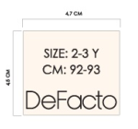
款号 | 7/8 Y | 8/9 Y | 9/10 Y | 11/12 Y | 13/14 Y
F9113A8 | 318 | 318 | 634 | 952 | 952 | 3174

