Sheet2
 | HUG AND CLAU SS24 ORDER
S.NO | FABRIC | STYLE NAME | DIGITAL | COLOR | S | M | L | XL | TOTAL QTY
1 | RAYON CREPE DYED | 76907 | 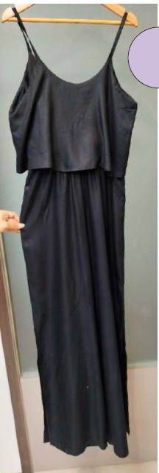 | 15-3412TCX | 105 | 125 | 85 | 35 | 350
 |  |  |  | VERDE SELVIA AS SWATCH | 105 | 125 | 85 | 35 | 350
2 | COTTON DOBBY | 70010 | 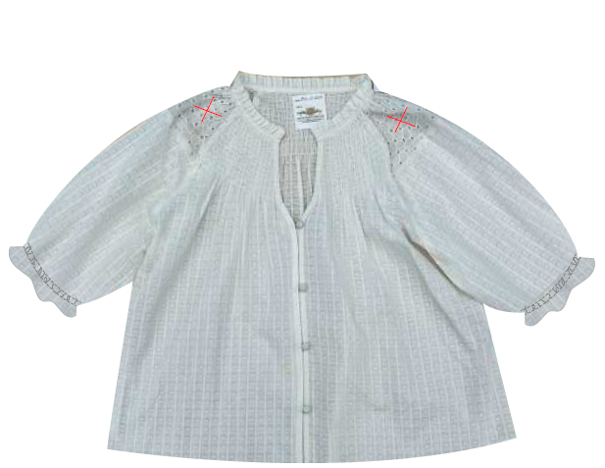 | CRUDO AS SAMPLE | 105 | 125 | 85 | 35 | 350
 |  |  |  |  | 105 | 125 | 85 | 35 | 350
3 | RAYON CREPE DYED | 76908 | 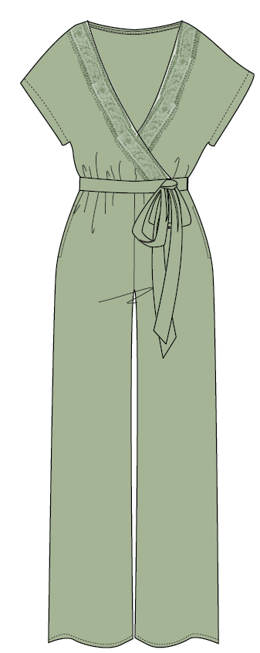 | CARQLE CLARO AS PANTONE SENT | 120 | 140 | 90 | 0 | 350
 |  |  |  | 16-1715 TCX | 120 | 140 | 90 | 0 | 350
4 | RAYON CREPE DYED | 76800 | 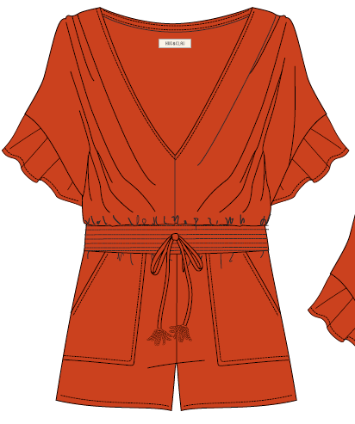 | 18-1354 TCX | 105 | 125 | 85 | 35 | 350
5 | LACE FABRIC | 72507 | 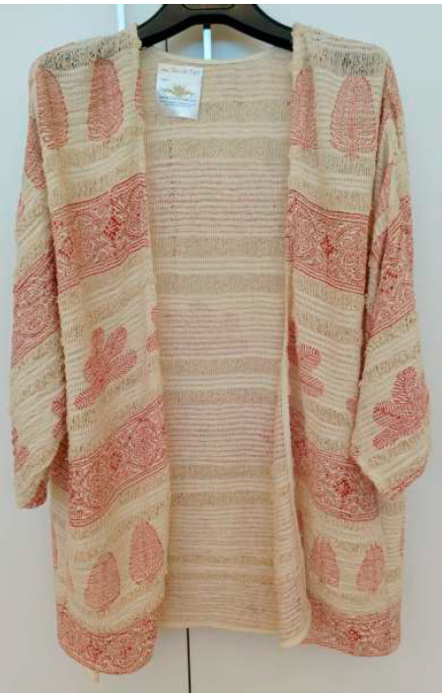 | MOSTAZA | 105 | 125 | 85 | 35 | 350
6 | 30S RAYON PRINTED | 76733 | 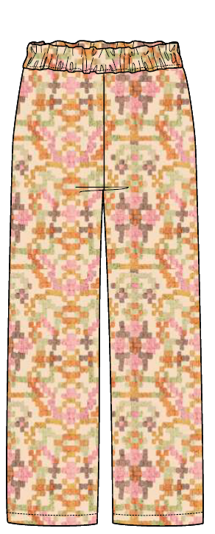 | CAQUI CRUDO | 90 | 105 | 75 | 30 | 300
7 |  | 76019 | 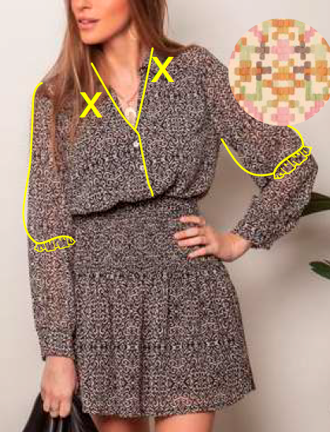 | AZUL | 135 | 157 | 113 | 45 | 450
8 |  | 72508 | 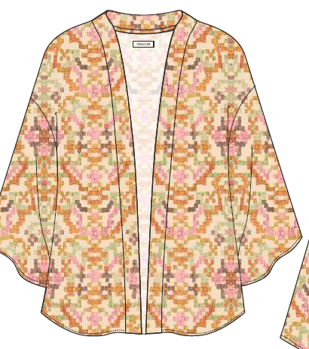 | AZUL | 115 | 140 | 100 | 45 | 400
9 | DOBLE COTTON GUAZE WITH LACE FABRIC DYED | 76111 | 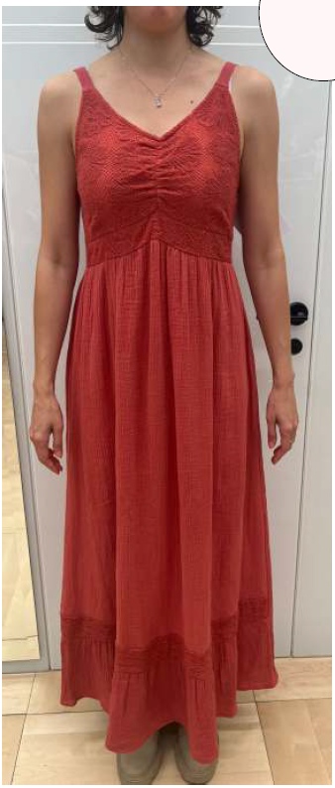 | 11-0701 TCX | 135 | 157 | 113 | 45 | 450
 |  |  |  | 17-2617 TCX | 115 | 140 | 100 | 45 | 400
10 | COTTON FLEX SLUB DYED | 76735 | 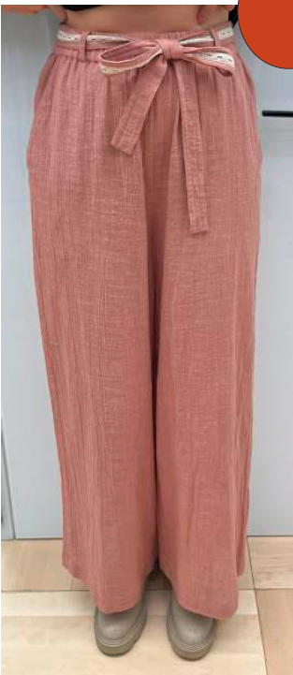 | 18-1354-TCX | 115 | 140 | 100 | 45 | 400
 |  |  |  | TBC | 115 | 140 | 100 | 45 | 400
11 | RAYON CREPE DYED | 76216 | 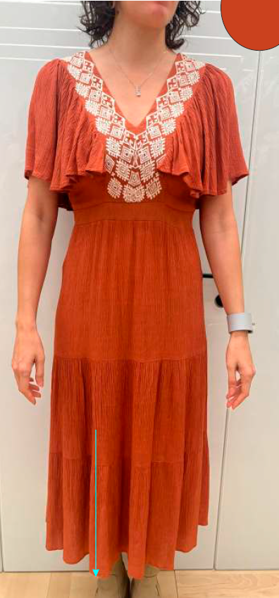 | 18-1354 TCX | 115 | 140 | 100 | 45 | 400
9 | RAYON CREPE DYED | 76717 | 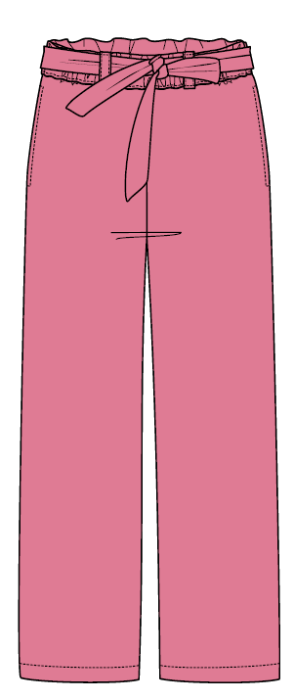 | 17-1723 TCX | 115 | 140 | 100 | 45 | 400
 |  |  |  | 19-3911 TCX | 115 | 140 | 100 | 45 | 400
 |  |  | TOTAL |  | 2035 | 2429 | 1691 | 645 | 6800

Sheet1
 | KATIEJ NYC ORDER
S.NO | FABRIC | STYLE NAME | DIGITAL | COLOR | PO NO | S | M | L | XL | TOTAL QTY | 生产数量
1 | 100% COTTON TRIPLE GAUZE | SUSIE SHORTS T-1 | 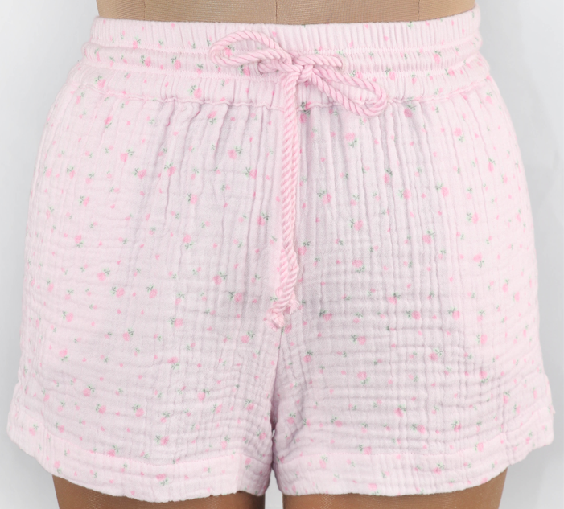 | PINK ROSE GAUZE PRINTED | 52179 | 4 | 8 | 8 | 4 | 24 | 30
 |  |  |  |  | 52180 | 2 | 4 | 4 | 2 | 12 | 19
 |  |  |  |  | 52182 | 28 | 54 | 52 | 26 | 160 | 166
2 |  | KIKI PANTS T-1 |  | PINK ROSE GAUZE PRINTED | 52179 | 4 | 8 | 8 | 4 | 24 | 30
 |  |  |  |  | 52180 | 2 | 4 | 4 | 2 | 12 | 19
 |  |  |  |  | 52182 | 16 | 30 | 28 | 14 | 88 | 94
3 |  | WILLOW TOP T-1 |  | PINK ROSE GAUZE PRINTED | 52179 | 2 | 4 | 4 | 2 | 12 | 19
 |  |  |  |  | 52180 | 4 | 8 | 8 | 4 | 24 | 30
 |  |  |  |  | 52182 | 24 | 48 | 48 | 24 | 144 | 150
4 |  | ELIZA TOP T-1 |  | PINK ROSE GAUZE PRINTED | 52179 | 4 | 8 | 8 | 4 | 24 | 30
 |  |  |  |  | 52180 | 2 | 4 | 4 | 2 | 12 | 19
 |  |  |  |  | 52182 | 16 | 30 | 28 | 14 | 88 | 94
 |  |  |  | TOTAL |  |  |  |  |  | 624 | 700

