主标数量（加损耗）8.21
款号 | XS | S | M | L | XL | XXL
D5258AX | 277 | 1469 | 2203 | 2043 | 1309 | 734 | 8035

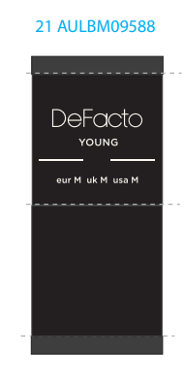

腰卡数量8.21
款号 | XS | S | M | L | XL | XXL
D5258AX | 272 | 1440 | 2160 | 2003 | 1283 | 720 | 7878

