主标数量（2%损耗）
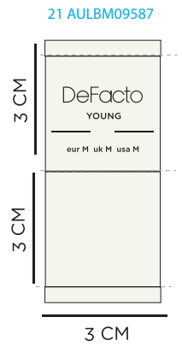
款号 | XS | S | M | L | XL | XXL
F8514AX | 86 | 488 | 731 | 684 | 441 | 244 | 2674

腰卡数量8.21
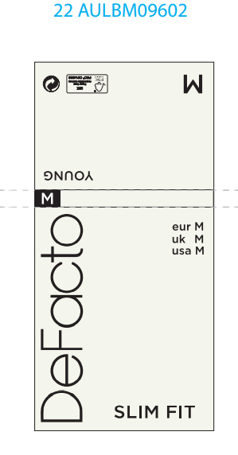
款号 | XS | S | M | L | XL | XXL
F8514AX | 84 | 478 | 717 | 671 | 432 | 239 | 2621

