CA137663 Invoice
生产单

 |  |  |  |  | LAMOUR-001 &CA137663

Shipment Term | PURCHASE ORDER NO. | Payment Term | Final Invoice # |  | Shipping Date
FOB Shanghai | CA137663 | Full Payment before shipment | LAMOUR-001

Purchase order | SIZE | PRODUCTION DESCRIPTION | QUANTITY(pcs) | UNIT(usd) | Discount | TOTAL | Remarks
ST583 尺码贴 | 50.8*38.1MM | SIZE STICKER | 110307 | $0.000 | 100% | $0.00
ST0184 有价格的UPC贴 | 76.2*31.75MM | PRICE STICKER | 110307 | $0.000 | 100% | $0.00

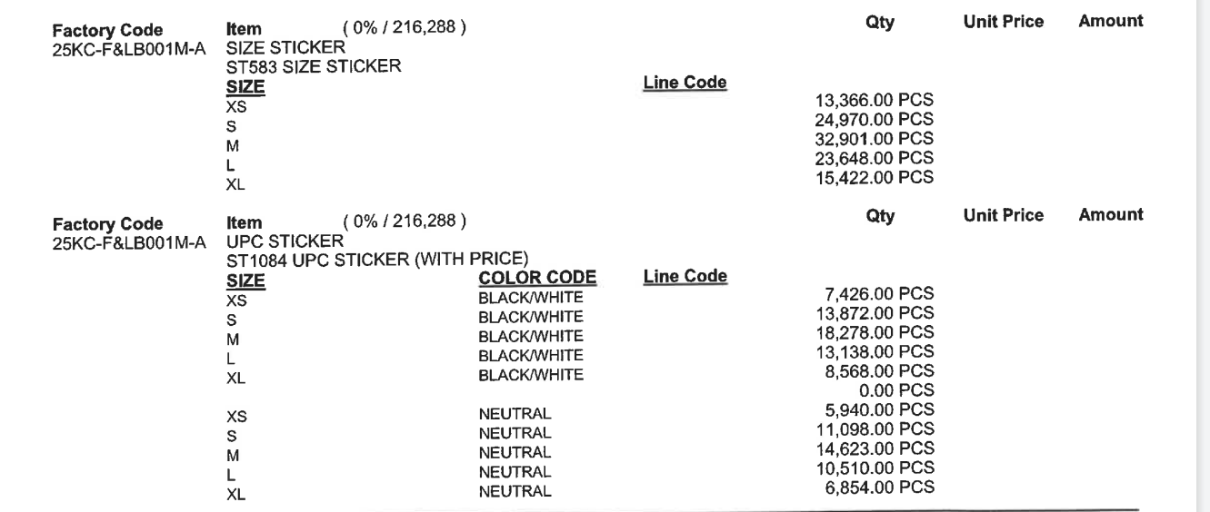
 |  |  | TOTAL: |  |  | $0.00
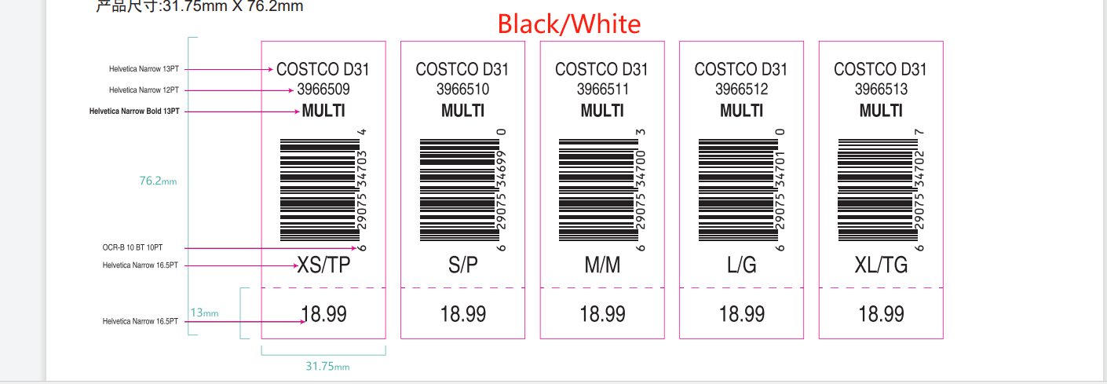

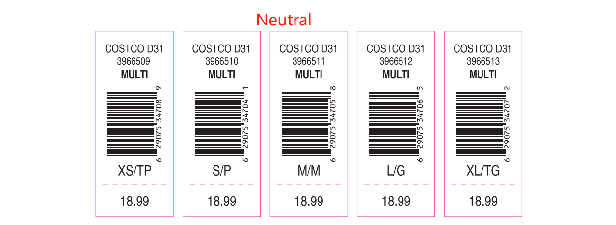

CA137664 Invoice
生产单

 |  |  |  |  | 2025-08-26
 |  |  |  |  | LAMOUR-001 &CA137664

Shipment Term | PURCHASE ORDER NO. | Payment Term | Final Invoice # |  | Shipping Date
FOB Shanghai | CA137664 | Full Payment before shipment | LAMOUR-001

Purchase order | SIZE | PRODUCTION DESCRIPTION | QUANTITY(pcs) | UNIT(usd) | Discount | TOTAL | Remarks
ST583 尺码贴 | 50.8*38.1MM | SIZE STICKER | 73587 | $0.000 | 100% | $0.00
ST0184 有价格的UPC贴 | 76.2*31.75MM | PRICE STICKER | 73588 | $0.000 | 100% | $0.00

 |  |  | TOTAL: |  |  | $0.00
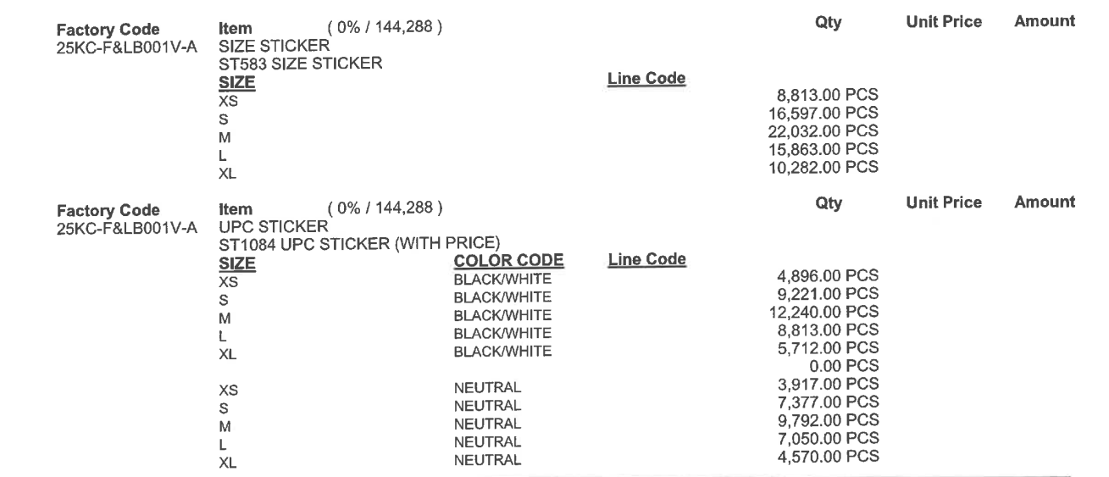

CA137665 Invoice
生产单

 |  |  |  |  | 2025-08-26
 |  |  |  |  | LAMOUR-001 &CA137665

Shipment Term | PURCHASE ORDER NO. | Payment Term | Final Invoice # |  | Shipping Date
FOB Shanghai | CA137665 | Full Payment before shipment | LAMOUR-001

Purchase order | SIZE | PRODUCTION DESCRIPTION | QUANTITY(pcs) | UNIT(usd) | Discount | TOTAL | Remarks
ST583 尺码贴 | 50.8*38.1MM | SIZE STICKER | 5407 | $0.000 | 100% | $0.00
ST0184 有价格的UPC贴 | 76.2*31.75MM | PRICE STICKER | 5407 | $0.000 | 100% | $0.00

 |  |  | TOTAL: |  |  | $0.00
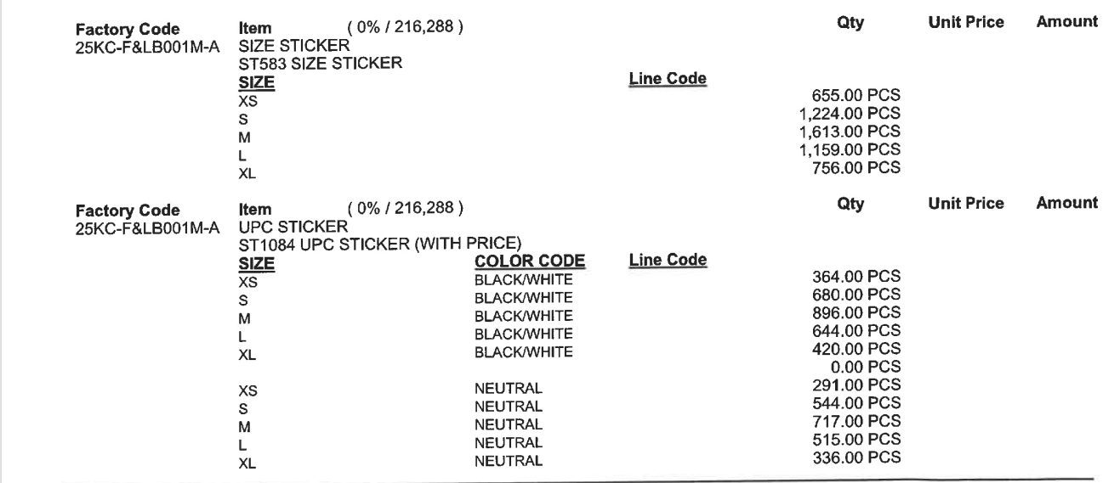

CA137666 Invoice
生产单

 |  |  |  |  | 2025-08-26
 |  |  |  |  | LAMOUR-001 &CA137666

Shipment Term | PURCHASE ORDER NO. | Payment Term | Final Invoice # |  | Shipping Date
FOB Shanghai | CA137666 | Full Payment before shipment | LAMOUR-001

Purchase order | SIZE | PRODUCTION DESCRIPTION | QUANTITY(pcs) | UNIT(usd) | Discount | TOTAL | Remarks
ST583 尺码贴 | 50.8*38.1MM | SIZE STICKER | 3608 | $0.000 | 100% | $0.00
ST0184 有价格的UPC贴 | 76.2*31.75MM | PRICE STICKER | 3607 | $0.000 | 100% | $0.00

 |  |  | TOTAL: |  |  | $0.00
