主标数量9.1
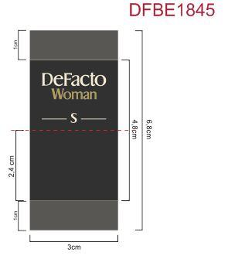
Style Code | 求和项:S | 求和项:M | 求和项:L | 求和项:XL | 求和项:XXL | 求和项:3XL
E9889AX | 179 | 328 | 328 | 328 | 179 | 179
总计 | 1521

