主标数量2%
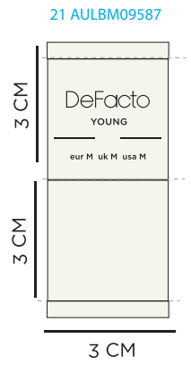
款号 | 颜色 | XS | S | M | L | XL | XXL |  | 涉及PO
F8539AX | AR148 - ANTHRA | 75 | 216 | 282 | 282 | 141 | 65 | 1061 | 1691806,1691807,1691808,1691809,1691810,1691811,1691813,1691815,1691816,1691817,1691818,1691819,1691820,1691821,1691822
F8539AX | BK81 - BLACK | 79 | 279 | 402 | 402 | 201 | 122 | 1485 | 1691806,1691807,1691808,1691809,1691810,1691811,1691813,1691815,1691816,1691817,1691818,1691819,1691820,1691821,1691822
F8539AX |  | 154 | 495 | 684 | 684 | 342 | 187 | 2546

纸卡数量2%
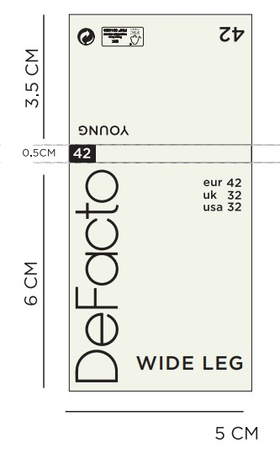
款号 | XS | S | M | L | XL | XXL |  | 涉及PO
F8539AX | 154 | 495 | 684 | 684 | 342 | 187 | 2546

