纸卡数量9.11
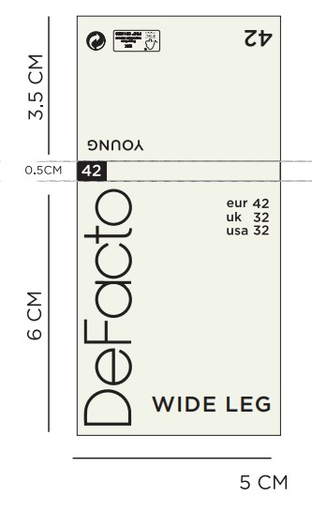
款号 | XS | S | M | L | XL | XXL
F8524AX | 91 | 266 | 351 | 351 | 175 | 85 | 1319

主标数量9.11
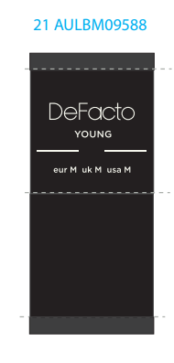
款号 | XS | S | M | L | XL | XXL
F8524AX | 91 | 266 | 351 | 351 | 175 | 85 | 1319

