主标数量9.15

款号 | 颜色 | S | M | L | XL | XXL
F9405AX | BK81 - BLACK | 923 | 1387 | 1387 | 925 | 464 | 5086

纸卡数量9.15
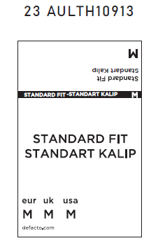
款号 | 颜色 | S | M | L | XL | XXL
F9405AX | BK81 - BLACK | 923 | 1387 | 1387 | 925 | 464 | 5086

