平包胶袋贴纸
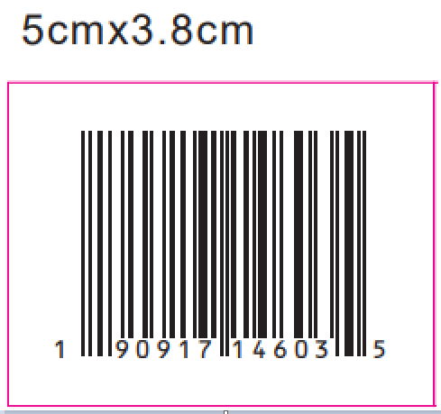
平包装胶袋贴纸
UPC Number | Style | Color code | Price ticket/Color name | Size | 订购数量
190917938234 | FAWWTB085SP26 | VIVID WHT | VIVID WHITE | XS | 135
190917938241 | FAWWTB085SP26 | VIVID WHT | VIVID WHITE | S | 185
190917938258 | FAWWTB085SP26 | VIVID WHT | VIVID WHITE | M | 250
190917938265 | FAWWTB085SP26 | VIVID WHT | VIVID WHITE | L | 250
190917938272 | FAWWTB085SP26 | VIVID WHT | VIVID WHITE | XL | 185
190917938289 | FAWWTB085SP26 | VIVID WHT | VIVID WHITE | XXL | 120
190917951097 | FAWWTB085SP26Y | WH/BL YD S | WHITE/BLUE YD STRIPE | XS | 155
190917951103 | FAWWTB085SP26Y | WH/BL YD S | WHITE/BLUE YD STRIPE | S | 220
190917951110 | FAWWTB085SP26Y | WH/BL YD S | WHITE/BLUE YD STRIPE | M | 320
190917951127 | FAWWTB085SP26Y | WH/BL YD S | WHITE/BLUE YD STRIPE | L | 320
190917951134 | FAWWTB085SP26Y | WH/BL YD S | WHITE/BLUE YD STRIPE | XL | 220
190917951141 | FAWWTB085SP26Y | WH/BL YD S | WHITE/BLUE YD STRIPE | XXL | 135
每箱4张

挂装GTIN贴纸
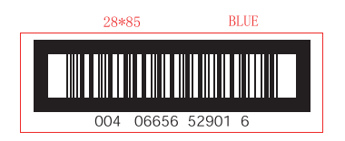
挂装GTIN
STORE/ECOM GTIN | Style | Color code | Size | 订购数量
00190917951202 | FAWWTB085SP26 | VIVID WHT | 12PP | 2300
00190917951189 | FAWWTB085SP26 | VIVID WHT | 13MM | 2050
00190917951196 | FAWWTB085SP26 | VIVID WHT | 15II | 1400
00190917951165 | FAWWTB085SP26 | VIVID WHT | 18O | 700
00190917951172 | FAWWTB085SP26 | VIVID WHT | 20V | 160
00190917951158 | FAWWTB085SP26Y | WH/BL YD S | 12PP | 2300
00190917951042 | FAWWTB085SP26Y | WH/BL YD S | 19Q | 700
00190917951059 | FAWWTB085SP26Y | WH/BL YD S | 20V | 160
00190917951066 | FAWWTB085SP26Y | WH/BL YD S | 13MM | 2050
00190917951073 | FAWWTB085SP26Y | WH/BL YD S | 16EEE | 1400
每箱2张

