尺码标数量9.24
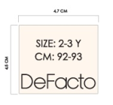
款号 | 颜色 | 7/8 Y | 8/9 Y | 9/10 Y | 11/12 Y | 13/14 Y |  | 涉及PO
F6705A8 | BN584 - CAMEL | 370 | 370 | 742 | 1113 | 742 | 3337 | 1671098,1671099,1671100,1671101,1671102,1671103,1671104,1671105,1671106,1671107,1671108,1671109,1671110,1671111,1671112,1671113,1671096,1671097
 |  | 370 | 370 | 742 | 1113 | 742 | 3337

