国内加单-主标数量-9.26
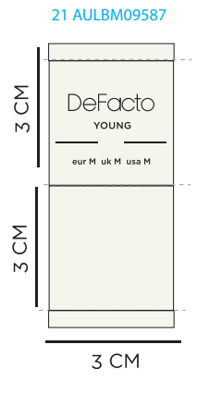
款号 | PO号 | XS | S | M | L | XL | XXL
F8539AX | 1702573 | 57 | 114 | 114 | 114 | 57 | 0 | 国内新增 | 456

国内加单-腰卡数量-9.26
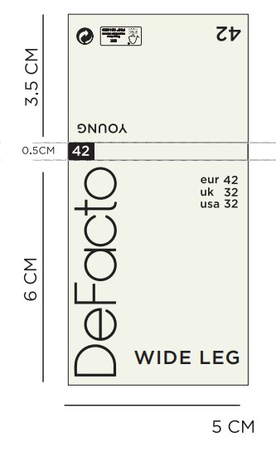
款号 | PO号 | XS | S | M | L | XL | XXL
F8539AX | 1702573 | 57 | 114 | 114 | 114 | 57 | 0 | 国内新增 | 456

