价格牌数量9.29
Style Code | 价格牌背面 | ColorCode-Name | 求和项:S | 求和项:M | 求和项:L | 求和项:XL | 求和项:XXL | 求和项:3XL
G2537AX | 有价格 | BK81 - BLACK | 75 | 140 | 140 | 140 | 140 | 75
 |  | BR311 - BORDEAUX | 75 | 140 | 140 | 140 | 140 | 75
总计 |  |  | 150 | 280 | 280 | 280 | 280 | 150
 |  |  |  |  |  |  |  | 1420

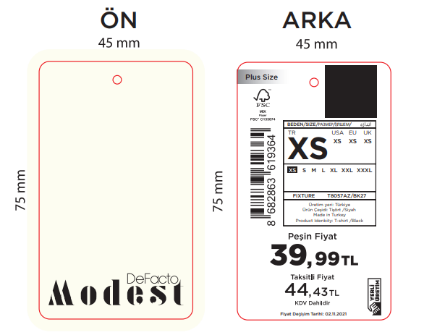

主标数量9.29
Style Code | 求和项:S | 求和项:M | 求和项:L | 求和项:XL | 求和项:XXL | 求和项:3XL
G2537AX | 150 | 280 | 280 | 280 | 280 | 150
 |  |  |  |  |  | 1420

