价格牌数量9.29
Style Code | 价格牌背面 | ColorCode-Name | 求和项:S | 求和项:M | 求和项:L | 求和项:XL | 求和项:XXL
G2539AX | 有价格 | BK81 - BLACK | 93 | 176 | 176 | 176 | 176
 |  | BR311 - BORDEAUX | 82 | 154 | 154 | 154 | 154
总计 |  |  | 175 | 330 | 330 | 330 | 330
 |  |  |  |  |  |  | 1495

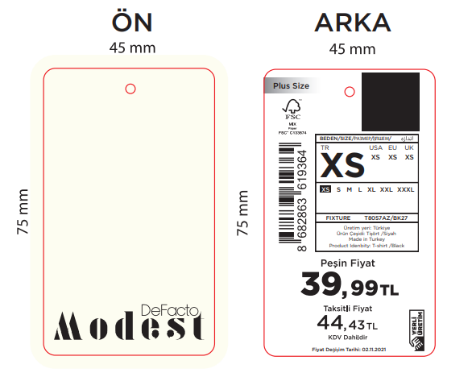

主标数量9.29
Style Code | 求和项:S | 求和项:M | 求和项:L | 求和项:XL | 求和项:XXL
G2539AX | 175 | 330 | 330 | 330 | 330

 |  |  |  |  | 1495

