订单封面
 |  | 订单封面

一、款式图、基本信息
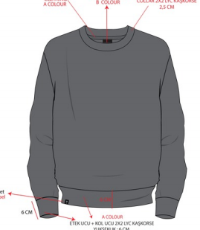 | 款号 | E1519AX |  |  | 客户 | DeFacto Perakende Tic. A.S.
 | 品名 | 男成人珠地网眼套头衫 |  |  | 总数量 | 5631
 | 工厂 | 江阴广利 |  |  | 业务员 | JENNY 秦小吉
 | 交期 | 2025-10-10 |  |  | 制单 | JENNY 秦小吉 2025/8/12

二、订单生产明细
款号 | 颜色代号 | 颜色名称 | 交期 | XS | S | M | L | XL | XXL | 合计
E1519AX | BK81-BLACK | 黑色 | 2025-10-10 | 71 | 478 | 717 | 646 | 407 | 239 | 2558
E1519AX | GR206-GREY | 灰色 | 2025-10-10 | 49 | 290 | 435 | 386 | 241 | 145 | 1546
E1519AX | KH401-KHAKI | 卡其 | 2025-10-10 | 68 | 290 | 435 | 367 | 222 | 145 | 1527
尺码小计 |  |  |  | 188 | 1058 | 1587 | 1399 | 870 | 529 | 5631

