纸卡数量9.11
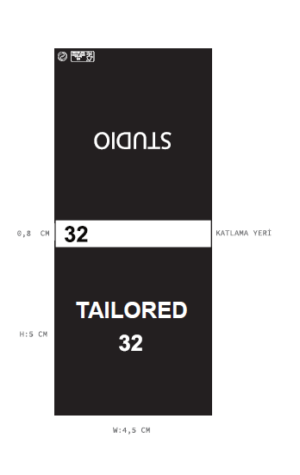
款号 | 28 | 30 | 32 | 34 | 36 | 38 | 40 |  | 涉及PO
F8719AX | 791 | 1630 | 1753 | 999 | 868 | 823 | 115 | 6979

主标数量9.11
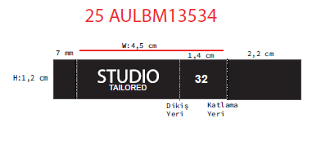
款号 | 28 | 30 | 32 | 34 | 36 | 38 | 40 |  | 涉及PO
F8719AX | 791 | 1630 | 1753 | 999 | 868 | 823 | 115 | 6979

