腰卡数量10.11
款号 | 28 | 30 | 32 | 34 | 36 | 38 | 40 |  | 涉及PO
F8719AX | 1008 | 1119 | 2134 | 2155 | 1097 | 1034 | 98 | 8645

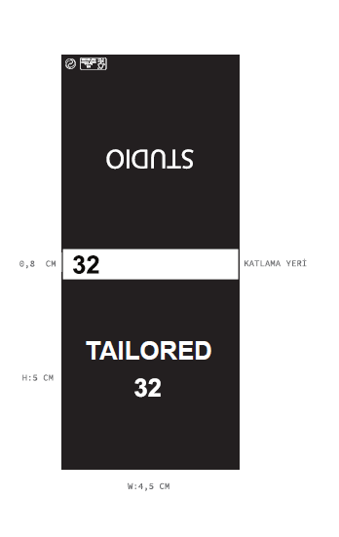

主标数量10.11
款号 | 28 | 30 | 32 | 34 | 36 | 38 | 40 |  | 涉及PO
F8719AX | 1008 | 1119 | 2134 | 2155 | 1097 | 1034 | 98 | 8645

