订单封面
 |  | 订单封面

一、款式图、基本信息
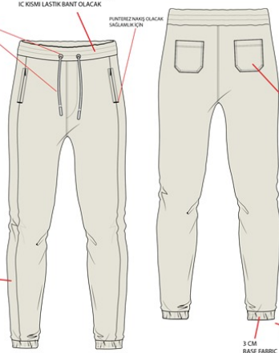 | 款号 | D5258AX |  |  | 客户 | DeFacto Perakende Tic. A.S.
 | 品名 | 男成人珠地网眼长裤 |  |  | 总数量 | 7878
 | 工厂 | 江阴广利 |  |  | 业务员 | JENNY 秦小吉
 | 交期 | 2025-10-10 |  |  | 制单 | JENNY 秦小吉 2025/8/15

二、订单生产明细
款号 | 颜色代号 | 颜色名称 | 交期 | XS | S | M | L | XL | XXL | 合计
D5258AX | BK81-BLACK | 黑色 | 2025-10-10 | 158 | 834 | 1251 | 1159 | 742 | 417 | 4561
D5258AX | GR206-GREY | 灰色 | 2025-10-10 | 114 | 606 | 909 | 844 | 541 | 303 | 3317
尺码小计 |  |  |  | 272 | 1440 | 2160 | 2003 | 1283 | 720 | 7878

