主标数量10.15
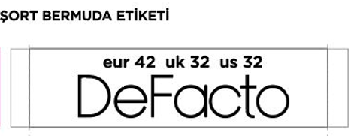
款号 | 28 | 30 | 32 | 34 | 36 | 38 |  | 涉及PO
G1395AX | 809 | 1620 | 2429 | 2429 | 1620 | 809 | 9716

腰卡数量10.15
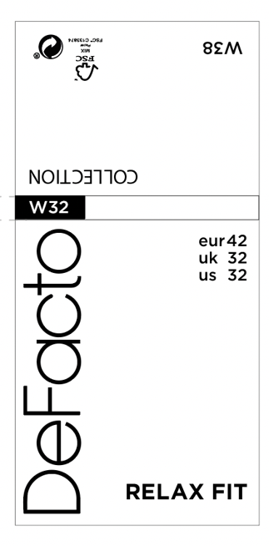
款号 | 28 | 30 | 32 | 34 | 36 | 38
G1395AX | 809 | 1620 | 2429 | 2429 | 1620 | 809 | 9716

