热转印数量10.16
Style Code | 面料颜色 | 求和项:XS | 求和项:S | 求和项:M | 求和项:L | 求和项:XL | 求和项:XXL | 求和项:3XL | 热转印颜色
F9896AX-加单 | BK81 - BLACK | 31 | 1440 | 2192 | 2198 | 1477 | 733 | 84 | 15-3800TCX
 | WT34 - WHITE | 23 | 1401 | 2118 | 2095 | 1403 | 684 | 64 | 13-4108TCX
总计 |  | 54 | 2841 | 4310 | 4293 | 2880 | 1417 | 148 | 15943

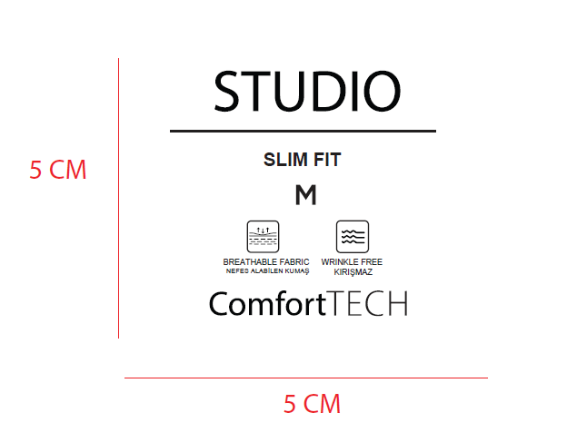

价格牌数量10.17
款号 | 颜色 | 背面 | 尺码段 | XS | S | M | L | XL | XXL | 3XL |  | 涉及PO
F9896AX | BK81 - BLACK | 空白 | 无XS 3XL | 0 | 25 | 37 | 37 | 25 | 12 | 0 | 136 | 1713536
F9896AX | BK81 - BLACK | 无价格 | 全码 | 12 | 74 | 171 | 177 | 130 | 60 | 52 | 676 | 1713459
F9896AX | BK81 - BLACK | 有价格 | 无3XL | 19 | 56 | 56 | 56 | 37 | 19 | 0 | 243 | 1713430
F9896AX | BK81 - BLACK | 有价格 | 无XS | 0 | 66 | 99 | 99 | 66 | 33 | 33 | 396 | 1713462,1713463,1713464,1713465
F9896AX | BK81 - BLACK | 有价格 | 无XS 3XL | 0 | 1220 | 1829 | 1829 | 1220 | 610 | 0 | 6708 | 1713437,1713438,1713440,1713441,1713443,1713445,1713447,1713450,1713452,1713454,1713456,1713458,1713535,1713538
F9896AX | WT34 - WHITE | 空白 | 无XS 3XL | 0 | 25 | 37 | 37 | 25 | 12 | 0 | 136 | 1713536
F9896AX | WT34 - WHITE | 无价格 | 全码 | 4 | 97 | 190 | 167 | 117 | 41 | 31 | 647 | 1713459
F9896AX | WT34 - WHITE | 有价格 | 无3XL | 19 | 56 | 56 | 56 | 37 | 19 | 0 | 243 | 1713430
F9896AX | WT34 - WHITE | 有价格 | 无XS | 0 | 66 | 99 | 99 | 66 | 33 | 33 | 396 | 1713462,1713463,1713464,1713465
F9896AX | WT34 - WHITE | 有价格 | 无XS 3XL | 0 | 1158 | 1737 | 1737 | 1158 | 579 | 0 | 6369 | 1713437,1713438,1713440,1713441,1713443,1713445,1713447,1713450,1713452,1713454,1713456,1713458,1713535,1713538
 |  |  | 合计： | 54 | 2843 | 4311 | 4294 | 2881 | 1418 | 149 | 15950

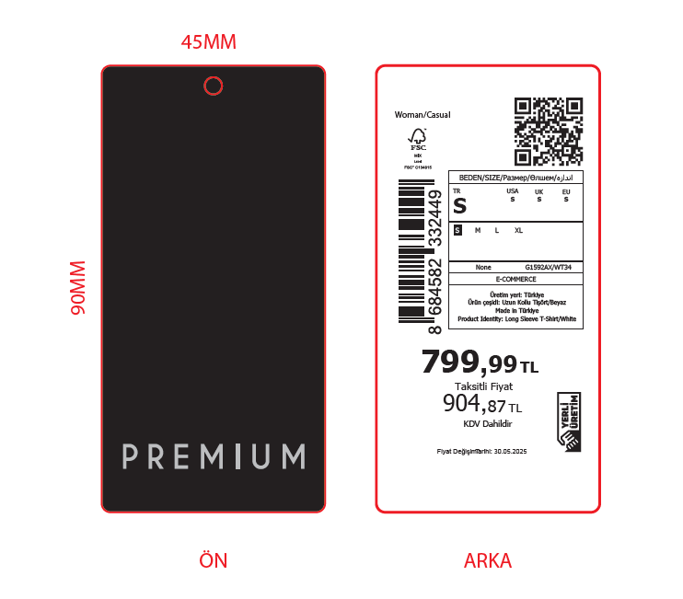

 |  |  |  |  |  | 普通价格牌 | 15678
 |  |  |  |  |  | 空白 | 272

吊牌数量10.17
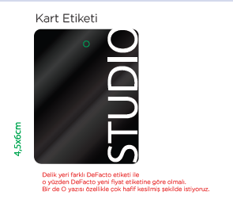

通用吊牌，不用做数量分类，直接按照总数做就行。

