价格牌数量（无待定）10.20
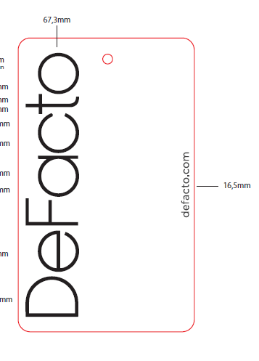
款号 | 颜色 | 背面 | 尺码段 | 28 | 30 | 32 | 34 | 36 | 38 | 涉及PO
G1395AX | BK81 - BLACK | 有价格 | 全码 | 117 | 235 | 352 | 352 | 235 | 117 | 1715820,1715821,1715822,1715823,1715824,1715825,1715826,1715827,1715828,1715829,1715830,1715831,1715835
G1395AX | GR350 - LT.GREY | 有价格 | 全码 | 136 | 272 | 408 | 408 | 272 | 136 | 1715820,1715821,1715822,1715823,1715824,1715825,1715826,1715827,1715828,1715829,1715830,1715831,1715835
G1395AX | KH433 - Khaki | 有价格 | 全码 | 102 | 204 | 306 | 306 | 204 | 102 | 1715820,1715821,1715822,1715823,1715824,1715825,1715826,1715827,1715828,1715829,1715830,1715831,1715835
G1395AX | NV106 - NAVY | 有价格 | 全码 | 101 | 202 | 303 | 303 | 202 | 101 | 1715820,1715821,1715822,1715823,1715824,1715825,1715826,1715827,1715828,1715829,1715830,1715831,1715835
G1395AX | WT33 - OFF WHITE | 有价格 | 全码 | 93 | 185 | 278 | 278 | 185 | 93 | 1715820,1715821,1715822,1715823,1715824,1715825,1715826,1715827,1715828,1715829,1715830,1715831,1715835
 |  |  |  |  |  |  |  |  | 6588

