价格牌数量10.21-3%
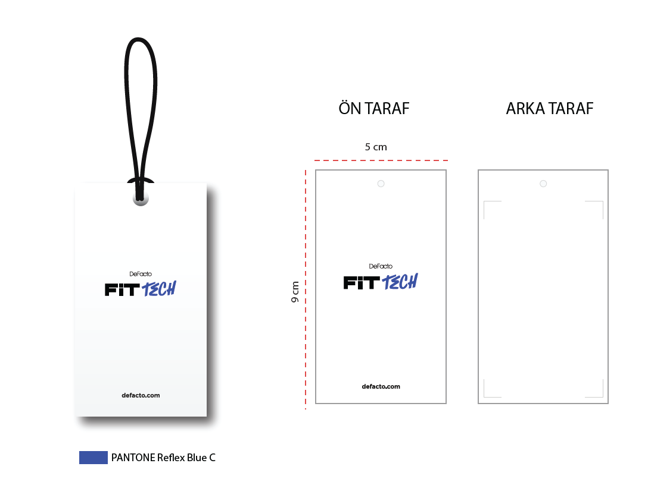
款号 | 颜色 | 背面 | 尺码段 | S | M | L | XL | XXL |  | 涉及PO
F8642AX | BK81 - BLACK | 空白 | 全码 | 21 | 31 | 31 | 21 | 10 | 114 | 1705830
F8642AX | BK81 - BLACK | 无价格 | 全码 | 80 | 124 | 124 | 80 | 37 | 445 | 1705838
F8642AX | BK81 - BLACK | 有价格 | 全码 | 1258 | 1900 | 1900 | 1285 | 643 | 6986 | 1705829,1705831,1705832,1705833,1705834,1705835,1705836,1705837,1705839,1705840,1705841,1705842,1705843,1705844,1705845,1705846
F8642AX | ER105 - ECRU | 空白 | 全码 | 23 | 34 | 34 | 23 | 11 | 125 | 1705830
F8642AX | ER105 - ECRU | 无价格 | 全码 | 87 | 130 | 130 | 87 | 43 | 477 | 1705838
F8642AX | ER105 - ECRU | 有价格 | 全码 | 1363 | 2059 | 2059 | 1393 | 696 | 7570 | 1705829,1705831,1705832,1705833,1705834,1705835,1705836,1705837,1705839,1705840,1705841,1705842,1705843,1705844,1705845,1705846
F8642AX | NV253 - NAVY | 空白 | 全码 | 8 | 12 | 12 | 8 | 4 | 44 | 1705193
F8642AX | NV253 - NAVY | 无价格 | 全码 | 37 | 56 | 56 | 37 | 19 | 205 | 1705197
F8642AX | NV253 - NAVY | 有价格 | 全码 | 700 | 1063 | 1063 | 725 | 363 | 3914 | 1705191,1705194,1705195,1705196,1705198,1705200,1705201,1705202,1705203,1705204,1705205,1705207,1705208,1705209,1705211
 |  |  | 合计： | 3577 | 5409 | 5409 | 3659 | 1826 | 19880

 |  |  |  | 普通价格牌数量 | 19597
 |  |  |  | 空白吊牌 | 283
 |  |  |  | QR贴纸 | 275

