新增PO价格牌数量-6%-10.21
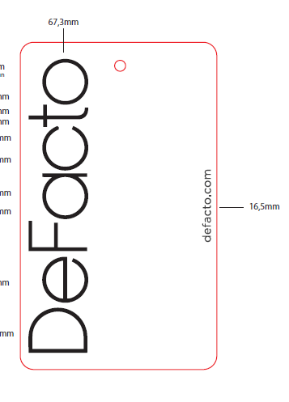
款号 | 颜色 | 背面 | 尺码段 | S | M | L | XL | XXL | 3XL |  | 涉及PO
E9889AX | BN539 - BROWN | 有价格 | 全码 | 159 | 159 | 159 | 318 | 318 | 318 | 1431 | 1709470,1709472,1709474,1709476,1709478,1709481,1709483,1709486,1709488,1709557
 |  |  | 合计： | 159 | 159 | 159 | 318 | 318 | 318 | 1431

新增PO主标数量-6%-10.21
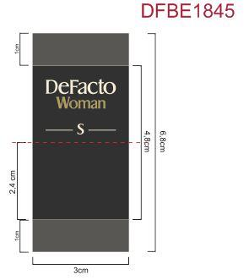
款号 | 颜色 | 尺码段 | S | M | L | XL | XXL | 3XL |  | 涉及PO
E9889AX | BN539 - BROWN | 全码 | 159 | 159 | 159 | 318 | 318 | 318 | 1431 | 1709470,1709472,1709474,1709476,1709478,1709481,1709483,1709486,1709488,1709557
 |  | 合计： | 159 | 159 | 159 | 318 | 318 | 318 | 1431

