Sheet1
莱州金兴得工艺品有限公司
收货地址：山东莱州沙河徐刘村 联系人：张经理 电话：13853505537
DeFacto WASHING CARE LABEL ORDER
 |  |  |  | 2024-10-15
STYLE NO. | WASHING CARE LABEL | PCS | STYLE NO. | WASHING CARE LABEL | PCS
G4537AX-BG311 - D.SAND | 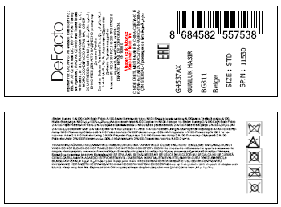 | 984 | G4537AX-BG311 - D.SAND | 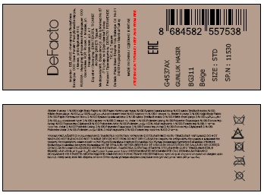 | 33
G4537AX-BK27 - BLACK | 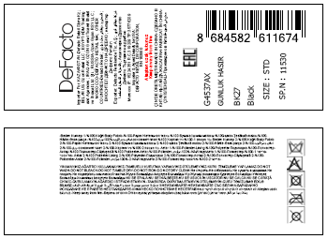 | 984 | G4537AX-BK27 - BLACK | 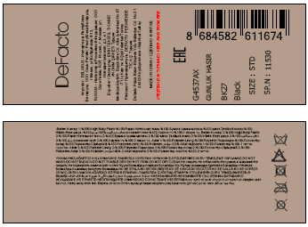 | 33

G4548AX-BN66 - D.BROWN | 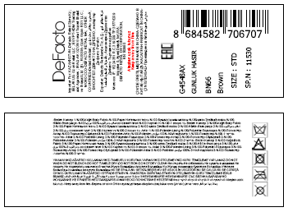 | 1758 | G4548AX-BN66 - D.BROWN | 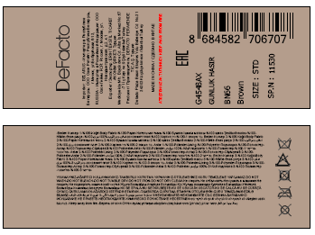 | 51
G4548AX-BG311 - D.SAND | 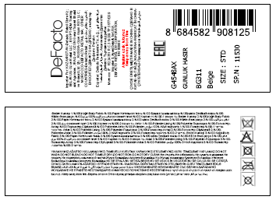 | 1758 | G4548AX-BG311 - D.SAND | 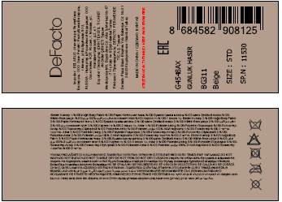 | 51

G4548AX-RD1 - RED | 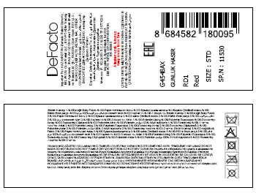 | 504 | G4548AX-RD1 - RED | 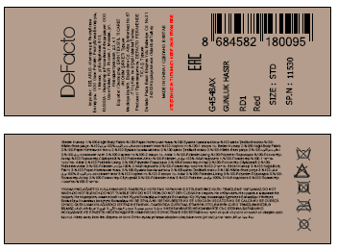 | 12
G4549AX-BG217 - LT.SAND | 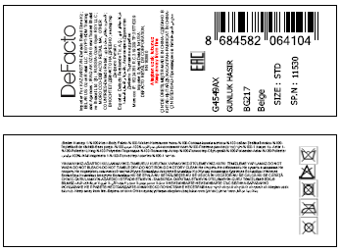 | 504 | G4549AX-BG217 - LT.SAND | 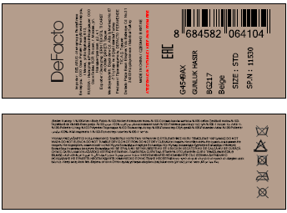 | 12

G4550AX-BG217 - LT.SAND | 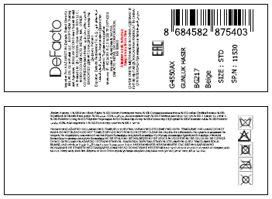 | 504 | G4550AX-BG217 - LT.SAND | 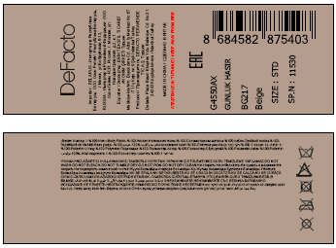 | 12
G4552AX-BG217 - LT.SAND | 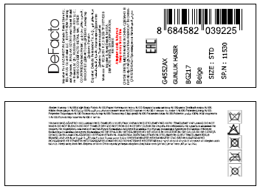 | 984 | G4552AX-BG217 - LT.SAND | 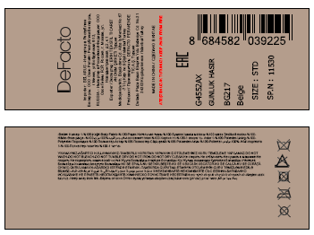 | 33
G4555AX-BG311 - D.SAND | 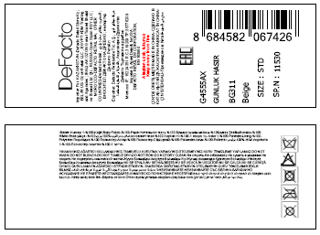 | 483 | G4555AX-BG311 - D.SAND | 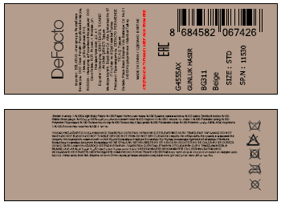 | 21
G4561AX-BG217 - LT.SAND |  | 993 | G4561AX-BG217 - LT.SAND | 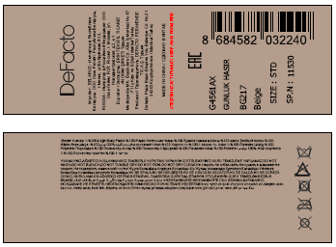 | 21
G4568AX-BG311 - D.SAND | 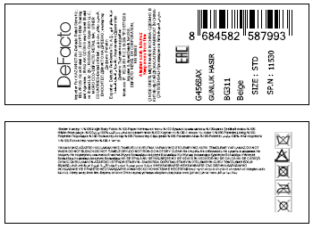 | 1284 | G4568AX-BG311 - D.SAND | 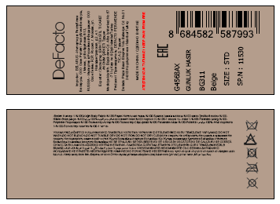 | 33

 |  | 10740 |  |  | 312

