主标数量9.5
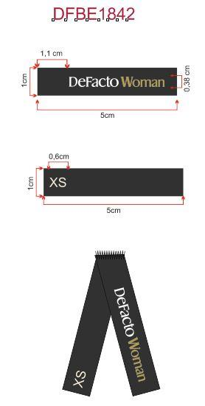
Style Code | 求和项:S | 求和项:M | 求和项:L | 求和项:XL | 求和项:XXL
G1946AX | 520 | 765 | 721 | 476 | 275
总计 | 2757

