主标数量 3% 11.1
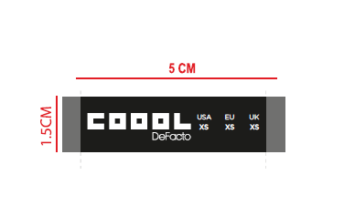
款号 | XS | S | M | L | XL | XXL |  | 涉及PO
G2186AX | 663 | 996 | 996 | 663 | 663 | 332 | 4313

