主标数量9.5
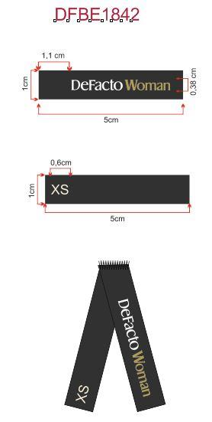
Style Code | 求和项:XS | 求和项:S | 求和项:M | 求和项:L | 求和项:XL | 求和项:XXL
G1945AX | 389 | 814 | 1206 | 1206 | 781 | 422
总计 | 4818

