主标数量9.1
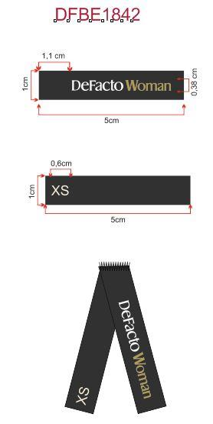
Style Code | 求和项:S | 求和项:M | 求和项:L | 求和项:XL | 求和项:XXL | 求和项:3XL
E1639AX | 136 | 242 | 242 | 348 | 242 | 136
总计 | 1346

补料 数量 11.7
