FINAL ORDER
PACKAGING ORDER
ESTIMATED SHIP DATE: 4-6 weeks from confirmed order date
PACKAGING ORDERS
PACKAGING ELEMENT | DESCRIPTION | FINAL ORDER QUANTITY | FINAL PRICE PER PIECE/REAM | TOTAL
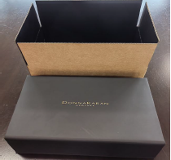 | MEDIUM LUXURIOUS BOX WITH SHIPPING BOX- 35X35X13CM 2 sets per carton | 70 | ￥103.50 | ￥7,245.00
 |  |  |  | ￥7,245.00
PARTNER INFORMATION
PARTNER NAME HERE
AUTHORIZATION
Print Name | Interparfums
Signature (REQUIRED)

THIS IS AN ORDER FORM
PLEASE NOTE: PARTNER IS REQUIRED TO PLACE ORDER FOR THE PACKAGING AMOUNT STATED ON THIS ORDER FORM BY OR BEFORE 6 MONTH PERIOD (MAY 2024).

