FINAL ORDER
PACKAGING ORDER
ESTIMATED SHIP DATE: 4-6 weeks from confirmed order date
PACKAGING ORDERS
PACKAGING ELEMENT | DESCRIPTION | FINAL ORDER QUANTITY | FINAL PRICE PER PIECE/REAM | TOTAL
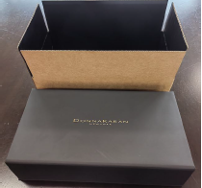 50/50 Split between PR/Social | MEDIUM LUXURIOUS BOX WITH SHIPPING BOX- 35X35X13CM 2 sets per carton | 100 | ￥103.50 | ￥10,350.00
50/50 Split between PR/Social | LARGE LUXURIOUS BOX WITH SHIPPING BOX- 51.7x51.7x13CM 2 sets per carton | 150 | ￥140.50 | ￥21,075.00
 |  |  |  | ￥31,425.00
PARTNER INFORMATION
PARTNER NAME HERE
AUTHORIZATION
Print Name | Leah Bezozo
Signature (REQUIRED)

THIS IS AN ORDER FORM
PLEASE NOTE: PARTNER IS REQUIRED TO PLACE ORDER FOR THE PACKAGING AMOUNT STATED ON THIS ORDER FORM BY OR BEFORE 6 MONTH PERIOD (MAY 2024).

