Sheet1
 |  |  | 杭州诺爵贸易有限公司
 |  |  | 杭州市下城区朝晖路182号国都发展大厦1号楼20-L座
 |  |  | Tel: 17753653275
 |  |  | Attn: Jessie

洗水唛 | 稍后
246628 | 白色 | 3350 | 白底黑字 | 请寄我办公室
151006 | 白色 | 300 | 白底黑字
246628 | 草莓红 | 1860 | 白底黑字
样品 | 各 10张

 |  | 第一个款 |  |  | 第二个款 151006，内容一样，款号不同
 |  | 246628

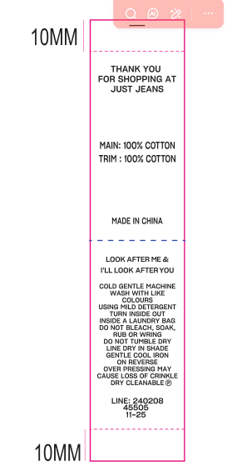

 |  | MAIN :50% COTTON 50% VISCOSE |  |  |  | MAIN :50% COTTON 50% VISCOSE
 |  | TRIM: 100% COTTON |  |  |  | TRIM: 100% COTTON

 |  | COLD GENTLE MACHINE WASH SEPARATELY |  |  |  | COLD GENTLE MACHINE WASH SEPARATELY
 |  | USING MILD DETERGENT |  |  |  | USING MILD DETERGENT
 |  | TURN INSIDE OUT |  |  |  | TURN INSIDE OUT
 |  | INSIDE LAUNDRY BAG |  |  |  | INSIDE LAUNDRY BAG
 |  | DO NOT BLEACH, SOAK, RUB OR WRING |  |  |  | DO NOT BLEACH, SOAK, RUB OR WRING
 |  | REMOVE PROMPTLY |  |  |  | REMOVE PROMPTLY
 |  | DO NOT TUMBLE DRY |  |  |  | DO NOT TUMBLE DRY
 |  | LAY FLAT IN SHADE |  |  |  | LAY FLAT IN SHADE
 |  | EASING BACK INTO SHAPE |  |  |  | EASING BACK INTO SHAPE
 |  | GENTLE WARM IRON ON REVERSE WHILE DAMP |  |  |  | GENTLE WARM IRON ON REVERSE WHILE DAMP
 |  | TO REGAIN ORIGINAL SHAPE |  |  |  | TO REGAIN ORIGINAL SHAPE
 |  | DRY CLEANABLE (P) |  |  |  | DRY CLEANABLE (P)

 |  |  |  |  |  | LINE: 151006
 |  | LINE: 246628 |  |  |  | 45505
 |  | 45505 |  |  |  | 01/2026
 |  | 01/2026

