Sheet1
 |  |  | 杭州诺爵贸易有限公司
 |  |  | 杭州市下城区朝晖路182号国都发展大厦1号楼20-L座
 |  |  | Tel: 17753653275
 |  |  | Attn: Jessie

洗水唛 | 稍后
246619 | 黑色款 | 2130 | 黑底白字 | 请寄我办公室
246619 | 绿色款 | 2400 | 黑底白字
152841 | 黑色肥婆款 | 270 | 黑底白字
样品 | 各 10张

 |  | 第一个款 |  |  | 第二个款 | 成分不一样 | 第三个款 | 同第一个一样，但是款号要改
 |  | 246619 |  |  | 246619 |  | 152841

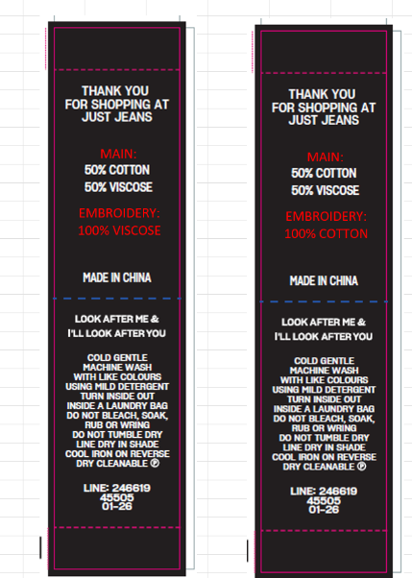

 |  | MAIN : 50% COTTON 50%VISCOSE EMBROIDERY :100% COTTON |  |  | MAIN : 50% COTTON 50%VISCOSE EMBROIDERY :100% VISCOSE |  | MAIN : 50% COTTON 50%VISCOSE EMBROIDERY :100% COTTON

 |  | JG-GMW3 with amendment |  |  | JG-GMW3 with amendment |  | JG-GMW3 with amendment
 |  | COLD GENTLE MACHINE WASH WITH LIKE COLOURS |  |  | COLD GENTLE MACHINE WASH WITH LIKE COLOURS |  | COLD GENTLE MACHINE WASH WITH LIKE COLOURS
 |  | USING MILD DETERGENT |  |  | USING MILD DETERGENT |  | USING MILD DETERGENT
 |  | TURN INSIDE OUT |  |  | TURN INSIDE OUT |  | TURN INSIDE OUT
 |  | INSIDE A LAUNDRY BAG |  |  | INSIDE A LAUNDRY BAG |  | INSIDE A LAUNDRY BAG
 |  | DO NOT BLEACH, SOAK, RUB OR WRING |  |  | DO NOT BLEACH, SOAK, RUB OR WRING |  | DO NOT BLEACH, SOAK, RUB OR WRING
 |  | DO NOT TUMBLE DRY |  |  | DO NOT TUMBLE DRY |  | DO NOT TUMBLE DRY
 |  | LINE DRY IN SHADE |  |  | LINE DRY IN SHADE |  | LINE DRY IN SHADE
 |  | COOL IRON ON REVERSE |  |  | COOL IRON ON REVERSE |  | COOL IRON ON REVERSE
 |  | DRY CLEANABLE (P) |  |  | DRY CLEANABLE (P) |  | DRY CLEANABLE (P)

 |  |  |  |  |  |  | LINE: 152841
 |  | LINE: 246619 |  |  | LINE: 246619 |  | 45505
 |  | 45505 |  |  | 45505 |  | 01/2026
 |  | 01/2026 |  |  | 01/2026

