主标补料 11.19
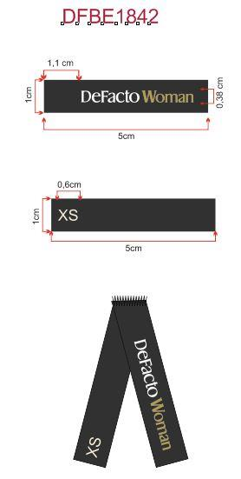
Style Code | XS | 求和项:S | 求和项:M | 求和项:L | 求和项:XL | 求和项:XXL | 3XL
G1946AX | 20 | 168 | 258 | 208 | 185 | 143 | 48
总计 | 1030

条码标 补数 11.19
款号 | 颜色 | 尺码段 | S | M | L | XL | XXL | 合计
G1946AX | ER105 - ECRU | 全码 | 18 | 25 | 150 |  | 10 | 203
G1946AX | YL496 - LT.YELLOW | 全码 | 33 | 52 | 42 | 26 | 20 | 173
 |  | 合计： | 51 | 77 | 192 | 26 | 30 | 376

YL
YELLOw浅黄
条

