帽子
SKU | PARENT | DESCRIPTION | DESIGN | CATEGORY | 英国 | 美国 | 贴纸数量 | 面料参考图
RHBT2222 | RHBT | Blue Plaid Trews Hat | Blue Plaid | Hats | 150 | 150 | 620
RHRD2222 | RHRD | Diamonds in the Rough Hat | Diamonds In The Rough | Hats | 0 | 600 | 1238 | 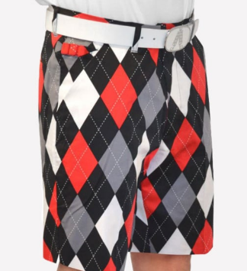
RHEF2222 | RHEF | Eurostar Unisex Hat | Eurostar | Hats | 100 | 50 | 311
RHGR1111 | RHGR | Greenside Hat | Greenside | Hats | 50 | 50 | 208 | 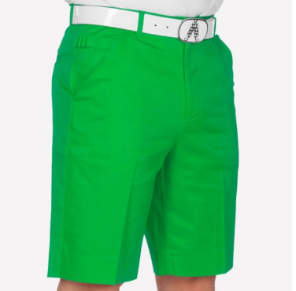
RHBD2222 | RHBD | Old Tom's Hat | Old Tom'S | Hats | 150 | 300 | 929 | 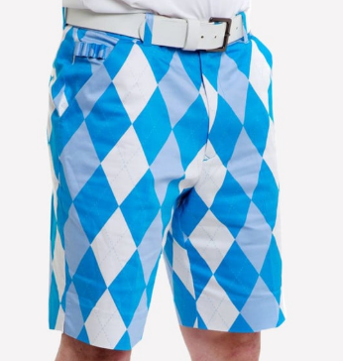
RHOR1111 | RHOR | Orange Slice Hat | Orange Slice | Hats | 50 | 50 | 208
RHAS2222 | RHAS | Pars and Stripes Hat | Pars And Stripes | Hats | 0 | 500 | 1032 | 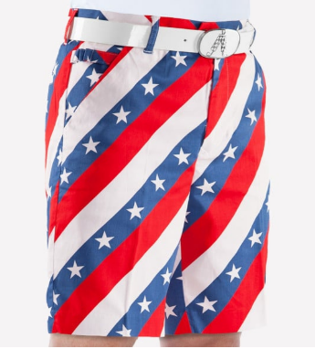
RHNP1111 | RHNP | Pink Ticket Hat | Pink Ticket | Hats | 50 | 50 | 208 | 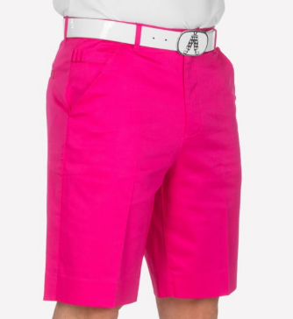
RHPU1111 | RHPU | Purple Patch Hat | Purple Patch | Hats | 20 | 30 | 105
RHST1111 | RHST | Royal Stewart Tartan Hat | Royal Stewart Tartan | Hats | 100 | 50 | 311 | 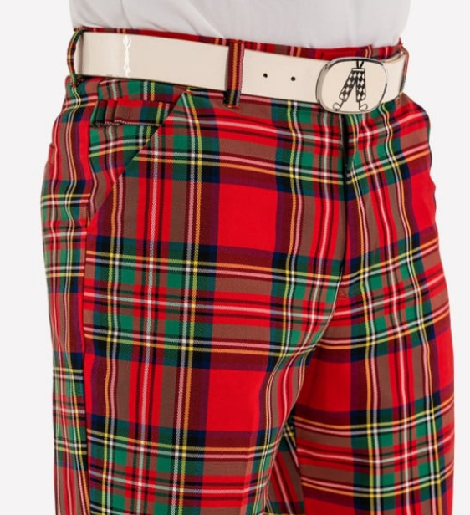
RHJD2222 | RHJD | Trew Brit Hat | Trew Brit | Hats | 400 | 0 | 826
RHYE1111 | RHYE | YOLO Yellow Hat | Yolo Yellow | Hats | 50 | 50 | 208
RHQY1111 | RHQY | Pastel Yellow Hat | Pastel Yellow | Hats | 0 | 100 | 208
RHQU1111 | RHQU | Pastel Purple Hat | Pastel Purple | Hats | 0 | 100 | 208
RHQP1111 | RHQP | Pastel Pink Hat | Pastel Pink | Hats | 0 | 100 | 208
RHUS2222 | RHUS | USA Flag Hat | USA Flag | Hats | 100 | 400 | 1032 | 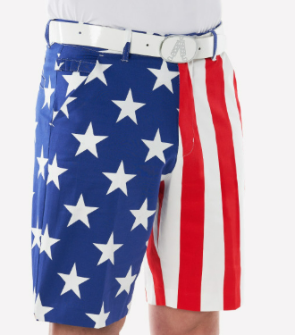
RHRR2222 | RHRR | Red Hat | Reddy Golf | Hats | 50 | 50 | 208 | 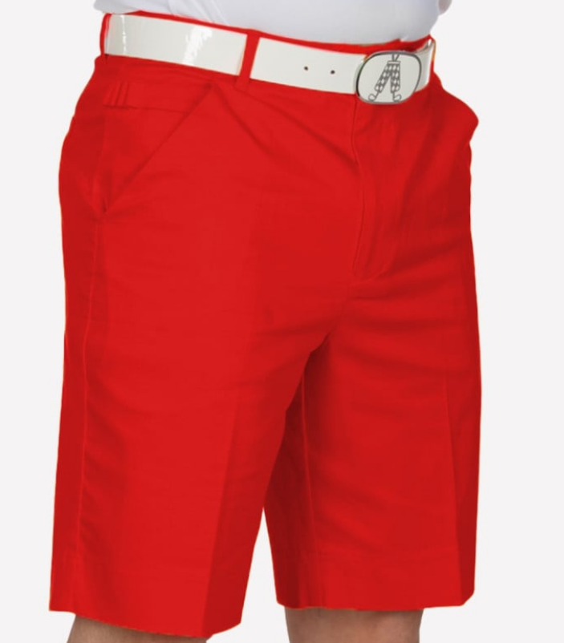
RHDW2222 |  | 2025 NPD 2 - MNDF Hat | My Name'5 Doddie | Hats | 740 | 90 | 1712 | 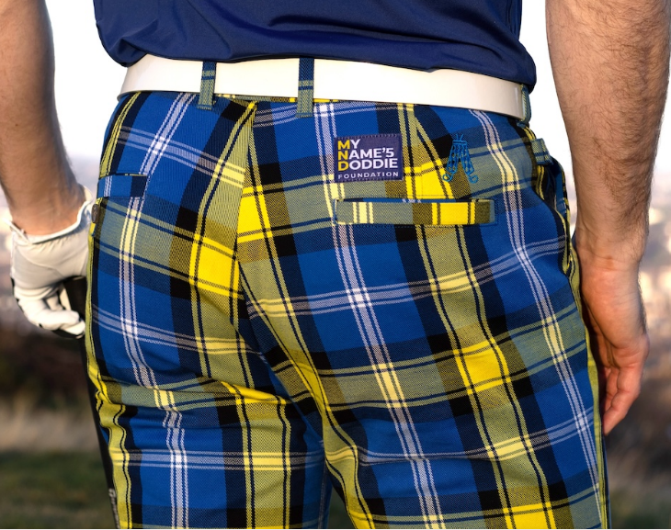

 |  |  |  |  | 2010 | 2720

