Özet Tablo-Türkçe Format
Toplam Sipariş
Model Kodu | Sezon | Sipariş Numarası | Ship To | Tedarikçi Termini | Renk Kodu-Adı | Lot Kodu | Set İçeriği | 7/8 Y | 8/9 Y | 9/10 Y | 11/12 Y | 13/14 Y | Bir Lottaki Ürün Sayısı | Teslimat Ülkesi | Sipariş Geçilen Lot Sayısı | Sipariş Geçilen Açık Adet Sayısı | Depo Girişi Olan Lot Sayısı | Depo Girişi Olan Açık Adet Sayısı
G8693A8 | 26 SP | 1736161 | DEFACTO PERAKENDE TİC.A.Ş. DEPO Organize San. Bölgesi 6.Depo Kazım Karabekir Mah. Cumhuriyet Cad. Tekirdağ/Çerkezköy Tel:0090 282 758 11 34-35 | 13.01.2026 | ER233 - ECRU | G8693A8DFA | 1 | 1 | 1 | 2 | 2 | 3 | 9 | TURKEY | 94 | 846 | 0 | 0
G8693A8 | 26 SP | 1736159 | İSTANBUL DEPO | 13.01.2026 | ER233 - ECRU | G8693A8DFA7/8Y | 1 | 1 | - | - | - | - | 1 | TURKEY | 2 | 2 | 0 | 0
G8693A8 | 26 SP | 1736159 | İSTANBUL DEPO | 13.01.2026 | ER233 - ECRU | G8693A8DFA8/9Y | 1 | - | 1 | - | - | - | 1 | TURKEY | 2 | 2 | 0 | 0
G8693A8 | 26 SP | 1736159 | İSTANBUL DEPO | 13.01.2026 | ER233 - ECRU | G8693A8DFA9/10Y | 1 | - | - | 2 | - | - | 2 | TURKEY | 4 | 8 | 0 | 0
G8693A8 | 26 SP | 1736159 | İSTANBUL DEPO | 13.01.2026 | ER233 - ECRU | G8693A8DFA11/12Y | 1 | - | - | - | 2 | - | 2 | TURKEY | 4 | 8 | 0 | 0
G8693A8 | 26 SP | 1736159 | İSTANBUL DEPO | 13.01.2026 | ER233 - ECRU | G8693A8DFA13/14Y | 1 | - | - | - | - | 3 | 3 | TURKEY | 6 | 18 | 0 | 0
G8693A8 | 26 SP | 1736160 | KAZAKHSTAN | 12.01.2026 | ER233 - ECRU | G8693A8KZKA | 1 | 1 | 1 | 2 | 2 | 3 | 9 | KAZAKHSTAN | 11 | 99 | 0 | 0

Beden Bazlı Toplam Sipariş
Model Kodu | Sezon | Sipariş Numarası | Ship To | Tedarikçi Termini | Renk Kodu-Adı | Lot Kodu | Set İçeriği | 7/8 Y | 8/9 Y | 9/10 Y | 11/12 Y | 13/14 Y | Teslimat Ülkesi
G8693A8 | 26 SP | 1736161 | DEFACTO PERAKENDE TİC.A.Ş. DEPO Organize San. Bölgesi 6.Depo Kazım Karabekir Mah. Cumhuriyet Cad. Tekirdağ/Çerkezköy Tel:0090 282 758 11 34-35 | 13.01.2026 | ER233 - ECRU | G8693A8DFA | 1 | 94 | 94 | 188 | 188 | 282 | TURKEY
G8693A8 | 26 SP | 1736159 | İSTANBUL DEPO | 13.01.2026 | ER233 - ECRU | G8693A8DFA7/8Y | 1 | 2 | 0 | 0 | 0 | 0 | TURKEY
G8693A8 | 26 SP | 1736159 | İSTANBUL DEPO | 13.01.2026 | ER233 - ECRU | G8693A8DFA8/9Y | 1 | 0 | 2 | 0 | 0 | 0 | TURKEY
G8693A8 | 26 SP | 1736159 | İSTANBUL DEPO | 13.01.2026 | ER233 - ECRU | G8693A8DFA9/10Y | 1 | 0 | 0 | 8 | 0 | 0 | TURKEY
G8693A8 | 26 SP | 1736159 | İSTANBUL DEPO | 13.01.2026 | ER233 - ECRU | G8693A8DFA11/12Y | 1 | 0 | 0 | 0 | 8 | 0 | TURKEY
G8693A8 | 26 SP | 1736159 | İSTANBUL DEPO | 13.01.2026 | ER233 - ECRU | G8693A8DFA13/14Y | 1 | 0 | 0 | 0 | 0 | 18 | TURKEY
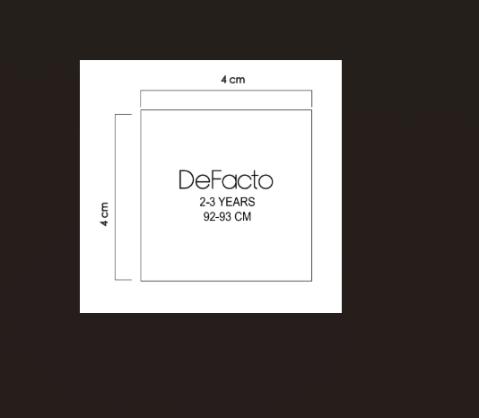
G8693A8 | 26 SP | 1736160 | KAZAKHSTAN | 12.01.2026 | ER233 - ECRU | G8693A8KZKA | 1 | 11 | 11 | 22 | 22 | 33 | KAZAKHSTAN

 |  |  |  |  |  |  |  | G8693A8主标条码标数量
 |  |  |  |  |  |  |  | 7/8 Y | 8/9 Y | 9/10 Y | 11/12 Y | 13/14 Y
 |  |  |  |  |  |  |  | 107 | 107 | 218 | 218 | 333

 |  |  |  |  |  |  | 价格牌数量
 |  |  |  |  |  |  | 背面 | 7/8 Y | 8/9 Y | 9/10 Y | 11/12 Y | 13/14 Y | 涉及PO
 |  |  |  |  |  |  | 有价格 | 105 | 105 | 210 | 210 | 315 | 1736161/1736160
 |  |  |  |  |  |  | 无价格 | 2 | 2 | 8 | 8 | 18 | 1736159

