主标+条码标 数量6% 12.1
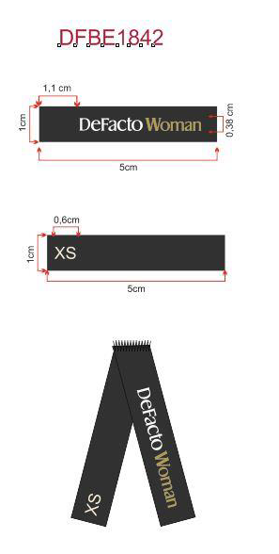
款号 | 颜色 | S | M | L | XL | XXL | 3XL | 合计 | 涉及PO
G3284AX | NV135 - NAVY | 169 | 169 | 169 | 337 | 337 | 337 | 1518 | 1709598,1709599,1709600,1709601,1709602,1709603,1709604,1709605,1709606,1709607
 | 合计 | 169 | 169 | 169 | 337 | 337 | 337 | 1518

