转移标 数量 12.3
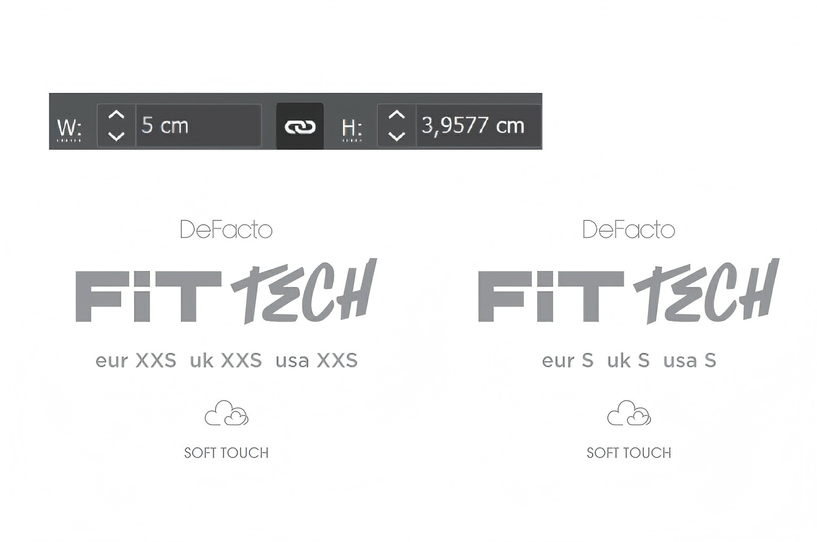
款号 | 颜色 | S | M | L | XL | XXL | 合计： | 涉及PO
G6439AX | GR111 - LT.GREY | 339 | 598 | 598 | 598 | 339 | 2472 | 1727247,1727250,1727251,1727252,1727253,1727254,1727255,1727256,1727258,1727260,1727261,1727262,1727263,1727264，1727246，1727248

