平包胶袋贴纸
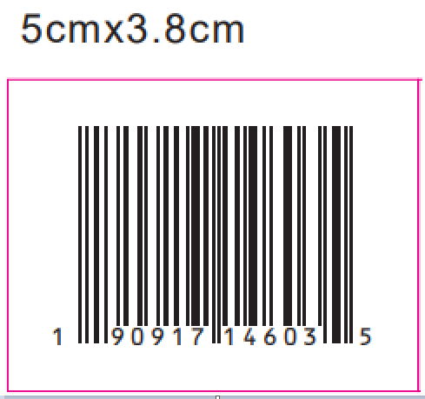
平包装胶袋贴纸
UPC Number | Style | Price ticket/Color name | Size | 订购数量
190917963175 | SCWWTB079SU25 | TOSSED HYDRANGEA-ICY PEACH | XS | 320
190917963182 | SCWWTB079SU25 | TOSSED HYDRANGEA-ICY PEACH | S | 400
190917963199 | SCWWTB079SU25 | TOSSED HYDRANGEA-ICY PEACH | M | 580
190917963205 | SCWWTB079SU25 | TOSSED HYDRANGEA-ICY PEACH | L | 580
190917963212 | SCWWTB079SU25 | TOSSED HYDRANGEA-ICY PEACH | XL | 380
190917963229 | SCWWTB079SU25 | TOSSED HYDRANGEA-ICY PEACH | XXL | 250
190917963380 | SCWWTB079SU25 | TOILE-BURNT ROSEMARY | XS | 240
190917963397 | SCWWTB079SU25 | TOILE-BURNT ROSEMARY | S | 290
190917963403 | SCWWTB079SU25 | TOILE-BURNT ROSEMARY | M | 420
190917963410 | SCWWTB079SU25 | TOILE-BURNT ROSEMARY | L | 420
190917963427 | SCWWTB079SU25 | TOILE-BURNT ROSEMARY | XL | 275
190917963434 | SCWWTB079SU25 | TOILE-BURNT ROSEMARY | XXL | 190
190917963458 | SCWWTB079SU25W | TOSSED HYDRANGEA-ICY PEACH | 1X | 100
190917963465 | SCWWTB079SU25W | TOSSED HYDRANGEA-ICY PEACH | 2X | 100
190917963472 | SCWWTB079SU25W | TOSSED HYDRANGEA-ICY PEACH | 3X | 60
190917963489 | SCWWTB079SU25W | TOSSED HYDRANGEA-ICY PEACH | 4X | 100
190917963496 | SCWWTB079SU25W | TOILE-BURNT ROSEMARY | 1X | 100
190917963502 | SCWWTB079SU25W | TOILE-BURNT ROSEMARY | 2X | 100
190917963519 | SCWWTB079SU25W | TOILE-BURNT ROSEMARY | 3X | 60
190917963526 | SCWWTB079SU25W | TOILE-BURNT ROSEMARY | 4X | 100
每箱4张

挂装GTIN贴纸
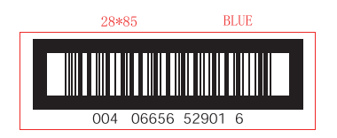
挂装GTIN
STORE/ECOM GTIN | Style | Color code | Size | 订购数量
00190917963120 | SCWWTB079SU25 | TOSSED HYDRANGEA-ICY PEACH | 15OO | 1110
00190917963137 | SCWWTB079SU25 | TOSSED HYDRANGEA-ICY PEACH | 16EEE | 2440
00190917963144 | SCWWTB079SU25 | TOSSED HYDRANGEA-ICY PEACH | 12PP | 1135
00190917963342 | SCWWTB079SU25 | TOILE-BURNT ROSEMARY | 16EEE | 2500
00190917963359 | SCWWTB079SU25 | TOILE-BURNT ROSEMARY | 12PP | 1135
00190917963366 | SCWWTB079SU25 | TOILE-BURNT ROSEMARY | 15OO | 1035
每箱2张

