UK
PO: DEW397UK |  | POLO装箱单 2025-11
# SKU | DESC | UPC | SIZE | QTY | UK | Dimension | CARTON NO: |  |  | 箱数 | G.W.: | N.W.:
RMPB333L | Mens Preformance Polo Blue L | 887513065395 | L | 30 | 30 | 60*30*20 | 1 | - | 1 | 1 | 7.4 | 6.6
RMPB33XL | Mens Preformance Polo Blue XL | 887513065401 | XL | 30 | 60 | 60*30*20 | 2 | - | 3 | 2 | 7.8 | 7
RMPB3XXL | Mens Preformance Polo Blue XXL | 887513065418 | XXL | 30 | 30 | 60*30*20 | 4 | - | 4 | 1 | 8.6 | 7.8
RMPBXXXL | Mens Preformance Polo Blue XXXL | 887513091028 | 3XL | 30 | 30 | 60*30*20 | 5 | - | 5 | 1 | 9.1 | 8.3
RMPPD11L | Golf Guys Mens Performance Polo L | 887513086925 | L | 30 | 120 | 60*30*20 | 6 | - | 9 | 4 | 7.4 | 6.6
RMPPD11M | Golf Guys Mens Performance Polo M | 887513086918 | M | 30 | 120 | 60*30*20 | 10 | - | 13 | 4 | 7 | 6.2
RMPPD1XL | Golf Guys Mens Performance Polo XL | 887513086932 | XL | 30 | 90 | 60*30*20 | 14 | - | 16 | 3 | 7.8 | 7
RMPPS11L | Saltire Performance Polo L | 5056592200996 | L | 30 | 150 | 60*30*20 | 17 | - | 21 | 5 | 7.4 | 6.6
RMPPS11M | Saltire Performance Polo M | 5056592201009 | M | 30 | 60 | 60*30*20 | 22 | - | 23 | 2 | 7 | 6.2
RMPPS11S | Saltire Performance Polo S | 5056592201016 | S | 30 | 30 | 60*30*20 | 24 | - | 24 | 1 | 6.4 | 5.6
RMPPS1XL | Saltire Performance Polo XL | 5056592201023 | XL | 30 | 150 | 60*30*20 | 25 | - | 29 | 5 | 7.8 | 7
RMPPSXXL | Saltire Performance Polo XXL | 5056592201030 | XXL | 30 | 60 | 60*30*20 | 30 | - | 31 | 2 | 8.6 | 7.8
RMPPS3XL | Saltire Performance Polo XXXL | 5056592204284 | 3XL | 30 | 30 | 60*30*20 | 32 | - | 32 | 1 | 9.1 | 8.3
RMPPM11L | Dance Floors Performance Polo L | 5056592201191 | L | 30 | 90 | 60*30*20 | 33 | - | 35 | 3 | 7.4 | 6.6
RMPPM11M | Dance Floors Performance Polo M | 5056592201207 | M | 30 | 90 | 60*30*20 | 36 | - | 38 | 3 | 7 | 6.2
RMPPM1XL | Dance Floors Performance Polo XL | 5056592201221 | XL | 30 | 90 | 60*30*20 | 39 | - | 41 | 3 | 7.8 | 7
RMPPMXXL | Dance Floors Performance Polo XXL | 5056592201238 | XXL | 30 | 60 | 60*30*20 | 42 | - | 43 | 2 | 8.6 | 7.8
RMPPK11L | Eurostar Performance Polo L | 5056592200941 | L | 30 | 90 | 60*30*20 | 44 | - | 46 | 3 | 7.4 | 6.6
RMPPK11M | Eurostar Performance Polo M | 5056592200958 | M | 30 | 60 | 60*30*20 | 47 | - | 48 | 2 | 7 | 6.2
RMPPK11S | Eurostar Performance Polo S | 5056592200965 | S | 30 | 30 | 60*30*20 | 49 | - | 49 | 1 | 6.4 | 5.6
RMPPK1XL | Eurostar Performance Polo XL | 5056592200972 | XL | 30 | 90 | 60*30*20 | 50 | - | 52 | 3 | 7.8 | 7
RMPPKXXL | Eurostar Performance Polo XXL | 5056592200989 | XXL | 30 | 60 | 60*30*20 | 53 | - | 54 | 2 | 8.6 | 7.8
RMPPH11L | Union Jack Performance Polo L | 5056592200842 | L | 30 | 90 | 60*30*20 | 55 | - | 57 | 3 | 7.4 | 6.6
RMPPH11M | Union Jack Performance Polo M | 5056592200859 | M | 30 | 30 | 60*30*20 | 58 | - | 58 | 1 | 7 | 6.2
RMPPH1XL | Union Jack Performance Polo XL | 5056592200873 | XL | 30 | 90 | 60*30*20 | 59 | - | 61 | 3 | 7.8 | 7
RMPPHXXL | Union Jack Performance Polo XXL | 5056592200880 | XXL | 30 | 90 | 60*30*20 | 62 | - | 64 | 3 | 8.6 | 7.8
RMPPH3XL | Union Jack Performance Polo XXXL | 5056592204314 | 3XL | 30 | 30 | 60*30*20 | 65 | - | 65 | 1 | 9.1 | 8.3
RMPPE11L | St Georges Cross Performance Polo L | 5056592200798 | L | 30 | 150 | 60*30*20 | 66 | - | 70 | 5 | 7.4 | 6.6
RMPPE11M | St Georges Cross Performance Polo M | 5056592200804 | M | 30 | 90 | 60*30*20 | 71 | - | 73 | 3 | 7 | 6.2
RMPPE1XL | St Georges Cross Performance Polo XL | 5056592200828 | XL | 30 | 150 | 60*30*20 | 74 | - | 78 | 5 | 7.8 | 7
RMPPEXXL | St Georges Cross Performance Polo XXL | 5056592200835 | XXL | 30 | 90 | 60*30*20 | 79 | - | 81 | 3 | 8.6 | 7.8
RMPPE3XL | St Georges Cross Performance Polo XXXL | 5056592204321 | 3XL | 30 | 30 | 60*30*20 | 82 | - | 82 | 1 | 9.1 | 8.3
RMPZB11M | Paradise Pink Performance Polo M | 5056592204406 | M | 30 | 60 | 60*30*20 | 83 | - | 84 | 2 | 7 | 6.2
RMPZB11L | Paradise Pink Performance Polo L | 5056592204413 | L | 30 | 90 | 60*30*20 | 85 | - | 87 | 3 | 7.4 | 6.6
RMPZB1XL | Paradise Pink Performance Polo XL | 5056592204420 | XL | 30 | 60 | 60*30*20 | 88 | - | 89 | 2 | 7.8 | 7
RMPZBXXL | Paradise Pink Performance Polo XXL | 5056592204437 | XXL | 30 | 30 | 60*30*20 | 90 | - | 90 | 1 | 8.6 | 7.8
RMPZB3XL | Paradise Pink Performance Polo XXXL | 5056592204444 | 3XL | 30 | 30 | 60*30*20 | 91 | - | 91 | 1 | 9.1 | 8.3
RMPZD11S | Y Ddraig Goch Performance Polo S | 5056592204512 | S | 30 | 30 | 60*30*20 | 92 | - | 92 | 1 | 6.4 | 5.6
RMPZD11M | Y Ddraig Goch Performance Polo M | 5056592204529 | M | 30 | 30 | 60*30*20 | 93 | - | 93 | 1 | 7 | 6.2
RMPZD11L | Y Ddraig Goch Performance Polo L | 5056592204536 | L | 30 | 90 | 60*30*20 | 94 | - | 96 | 3 | 7.4 | 6.6
RMPZD1XL | Y Ddraig Goch Performance Polo XL | 5056592204543 | XL | 30 | 30 | 60*30*20 | 97 | - | 97 | 1 | 7.8 | 7
RMPZDXXL | Y Ddraig Goch Performance Polo XXL | 5056592204550 | XXL | 30 | 60 | 60*30*20 | 98 | - | 99 | 2 | 8.6 | 7.8
RMPZD3XL | Y Ddraig Goch Performance Polo XXXL | 5056592204567 | 3XL | 30 | 30 | 60*30*20 | 100 | - | 100 | 1 | 9.1 | 8.3
 |  |  |  |  | 3000 |  |  |  |  | 100

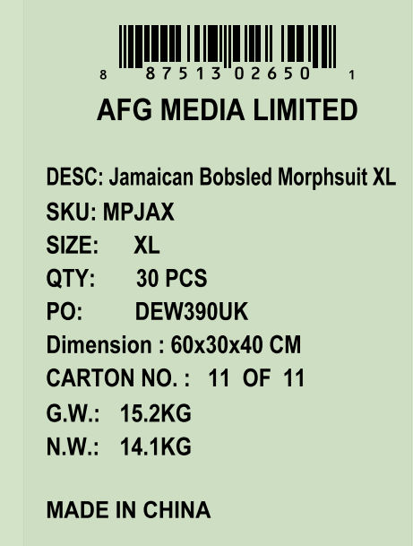
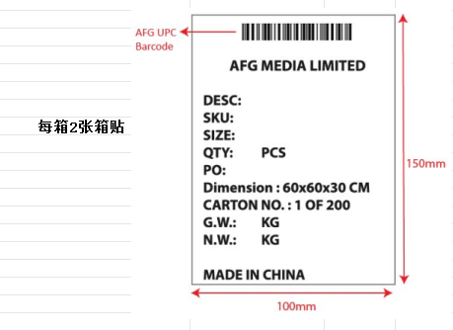

US
PO: DEW397US |  | POLO装箱单 2025-11
# SKU | DESC | UPC | SIZE | QTY | US | Dimension | CARTON NO: |  |  | 箱数 | G.W.: | N.W.:
RMPB33XL | Mens Preformance Polo Blue XL | 887513065401 | XL | 30 | 60 | 60*30*20 | 1 | - | 2 | 2 | 7.8 | 7
RMPB3XXL | Mens Preformance Polo Blue XXL | 887513065418 | XXL | 30 | 30 | 60*30*20 | 3 | - | 3 | 1 | 8.6 | 7.8
RMPPF11L | Brookline Mens Performance Polo L | 887513065845 | L | 30 | 150 | 60*30*20 | 4 | - | 8 | 5 | 7.4 | 6.6
RMPPF11M | Brookline Mens Performance Polo M | 887513065838 | M | 30 | 90 | 60*30*20 | 9 | - | 11 | 3 | 7 | 6.2
RMPPF1XL | Brookline Mens Performance Polo XL | 887513065852 | XL | 30 | 120 | 60*30*20 | 12 | - | 15 | 4 | 7.8 | 7
RMPPFXXL | Brookline Mens Performance Polo XXL | 887513065869 | XXL | 30 | 30 | 60*30*20 | 16 | - | 16 | 1 | 8.6 | 7.8
RMPPF3XL | Brookline Mens Performance Polo XXXL | 5056592204253 | 3XL | 30 | 30 | 60*30*20 | 17 | - | 17 | 1 | 9.1 | 8.3
RMPPM11L | Dance Floors Performance Polo L | 5056592201191 | L | 30 | 60 | 60*30*20 | 18 | - | 19 | 2 | 7.4 | 6.6
RMPPM11M | Dance Floors Performance Polo M | 5056592201207 | M | 30 | 30 | 60*30*20 | 20 | - | 20 | 1 | 7 | 6.2
RMPPM1XL | Dance Floors Performance Polo XL | 5056592201221 | XL | 30 | 60 | 60*30*20 | 21 | - | 22 | 2 | 7.8 | 7
RMPPMXXL | Dance Floors Performance Polo XXL | 5056592201238 | XXL | 30 | 30 | 60*30*20 | 23 | - | 23 | 1 | 8.6 | 7.8
RMPPK11L | Eurostar Performance Polo L | 5056592200941 | L | 30 | 60 | 60*30*20 | 24 | - | 25 | 2 | 7.4 | 6.6
RMPPK11M | Eurostar Performance Polo M | 5056592200958 | M | 30 | 30 | 60*30*20 | 26 | - | 26 | 1 | 7 | 6.2
RMPPK1XL | Eurostar Performance Polo XL | 5056592200972 | XL | 30 | 60 | 60*30*20 | 27 | - | 28 | 2 | 7.8 | 7
RMPPKXXL | Eurostar Performance Polo XXL | 5056592200989 | XXL | 30 | 30 | 60*30*20 | 29 | - | 29 | 1 | 8.6 | 7.8
RMPPH11L | Union Jack Performance Polo L | 5056592200842 | L | 30 | 30 | 60*30*20 | 30 | - | 30 | 1 | 7.4 | 6.6
RMPZB11M | Paradise Pink Performance Polo M | 5056592204406 | M | 30 | 30 | 60*30*20 | 31 | - | 31 | 1 | 7 | 6.2
RMPZB11L | Paradise Pink Performance Polo L | 5056592204413 | L | 30 | 30 | 60*30*20 | 32 | - | 32 | 1 | 7.4 | 6.6
RMPZB1XL | Paradise Pink Performance Polo XL | 5056592204420 | XL | 30 | 30 | 60*30*20 | 33 | - | 33 | 1 | 7.8 | 7
RMPZBXXL | Paradise Pink Performance Polo XXL | 5056592204437 | XXL | 30 | 30 | 60*30*20 | 34 | - | 34 | 1 | 8.6 | 7.8
 |  |  |  |  | 1020 |  |  |  |  | 34
