主标+条码标 数量 6% 11.16
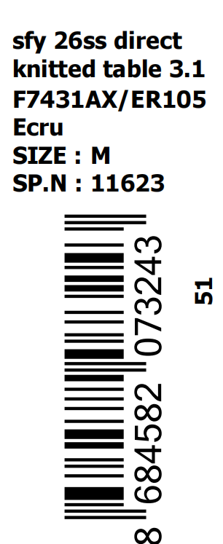
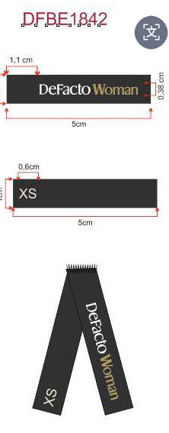
款号 | 颜色 | 尺码段 | S | M | L | XL | XXL | 3XL | 合计 | 涉及PO
F7431AX | BN539 - BROWN | 全码 | 158 | 158 | 158 | 316 | 316 | 316 | 1422 | 1709609,1709610,1709611,1709612,1709613,1709614,1709615,1709616,1709617,1709618
F7431AX | ER105 - ECRU | 全码 | 169 | 169 | 169 | 337 | 337 | 337 | 1518 | 1709609,1709610,1709611,1709612,1709613,1709614,1709615,1709616,1709617,1709618
 |  | 合计： | 327 | 327 | 327 | 653 | 653 | 653 | 2940

 |  | 主标 DFBE1842 |  |  |  |  | 条码标

非特-价格牌数量 6% 11.16
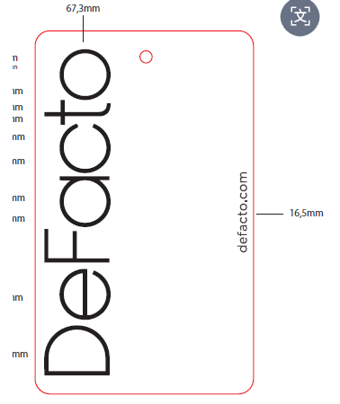
款号 | 颜色 | 背面 | 尺码段 | S | M | L | XL | XXL | 3XL | 合计 | 涉及PO
F7431AX | BN539 - BROWN | 有价格 | 全码 | 139 | 139 | 139 | 278 | 278 | 278 | 1251 | 1709609,1709610,1709611,1709612,1709613,1709614,1709615,1709616,1709617
F7431AX | ER105 - ECRU | 有价格 | 全码 | 147 | 147 | 147 | 295 | 295 | 295 | 1326 | 1709609,1709610,1709611,1709612,1709613,1709614,1709615,1709616,1709617
 |  |  | 合计： | 286 | 286 | 286 | 573 | 573 | 573 | 2577

洗标+吊牌 补数 12.16
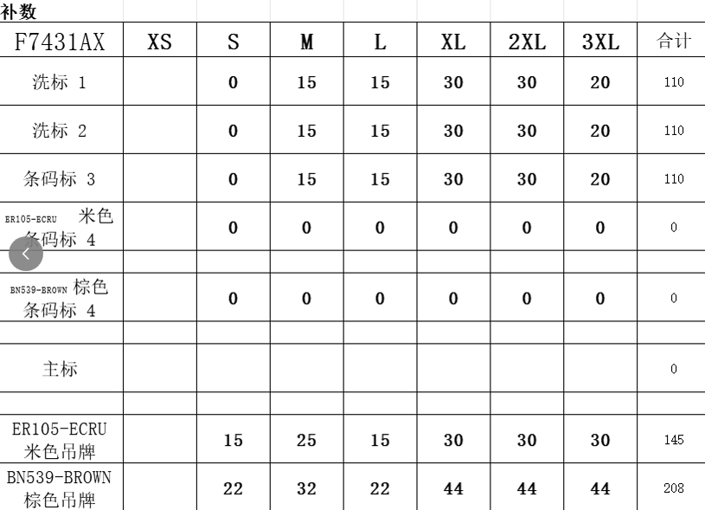
洗标补数
Style Code | 洗标颜色
F7431AX | 白色 | 110 |  | 3页/套

价格牌补数
款号 | 颜色 | 背面 | 尺码段 | S | M | L | XL | XXL | 3XL | 合计
F7431AX | ER105 - ECRU | 有价格 | 全码 | 15 | 25 | 15 | 30 | 30 | 30 | 145
F7431AX | BN539 - BROWN | 有价格 | 全码 | 22 | 32 | 22 | 44 | 44 | 44 | 208
 |  |  |  |  |  |  |  |  | TTL | 353

