1.15
订单日期 | Style Code | Season | Order Number | Ship To | ColorCode-Name | Prepack Code | Set Content | STD | Qty. In A Blister | Delivery Country | Total Blister | Total Open Quantity
2025-12-04 | H0564AX | NS | 1760460 | ALBANIA | BK23 - BLACK | H0564AXDFASTD | 25 | 5 | 5 | ALBANIA | 4 | 20 | 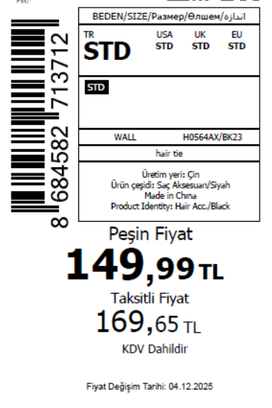 1820
2025-12-04 | H0564AX | NS | 1760459 | BOSNIA | BK23 - BLACK | H0564AXDFASTD | 25 | 5 | 5 | BOSNIA | 6 | 30
2025-12-04 | H0564AX | NS | 1760458 | EGYPT | BK23 - BLACK | H0564AXDFASTD | 25 | 5 | 5 | EGYPT | 15 | 75
2025-12-04 | H0564AX | NS | 1760457 | GEORGIA | BK23 - BLACK | H0564AXDFASTD | 25 | 5 | 5 | GEORGIA | 8 | 40
2025-12-04 | H0564AX | NS | 1760456 | MACEDONIA | BK23 - BLACK | H0564AXDFASTD | 25 | 5 | 5 | MACEDONIA | 2 | 10
2025-12-04 | H0564AX | NS | 1760455 | MOLDOVA | BK23 - BLACK | H0564AXDFASTD | 25 | 5 | 5 | MOLDOVA | 4 | 20
2025-12-04 | H0564AX | NS | 1760454 | MONTENEGRO | BK23 - BLACK | H0564AXDFASTD | 25 | 5 | 5 | MONTENEGRO | 1 | 5
2025-12-04 | H0564AX | NS | 1760453 | NORTH IRAQ | BK23 - BLACK | H0564AXDFASTD | 25 | 5 | 5 | NORTH IRAQ | 20 | 100
2025-12-04 | H0564AX | NS | 1760452 | SERBIA | BK23 - BLACK | H0564AXDFASTD | 25 | 5 | 5 | SERBIA | 2 | 10
2025-12-04 | H0564AX | NS | 1760450 | SOUTH IRAQ | BK23 - BLACK | H0564AXDFASTD | 25 | 5 | 5 | SOUTH IRAQ | 15 | 75
2025-12-04 | H0564AX | NS | 1760446 | UKRAINE | BK23 - BLACK | H0564AXDFASTD | 25 | 5 | 5 | UKRAINE | 6 | 30
2025-12-04 | H0564AX | NS | 1760445 | UZBEKISTAN | BK23 - BLACK | H0564AXDFASTD | 25 | 5 | 5 | UZBEKISTAN | 2 | 10
2025-12-04 | H0564AX | NS | 1760444 | AZERBAIJAN | BK23 - BLACK | H0564AXDFASTD | 25 | 5 | 5 | AZERBAIJAN | 5 | 25
2025-12-04 | H0564AX | NS | 1760443 | KOSOVO | BK23 - BLACK | H0564AXDFASTD | 25 | 5 | 5 | KOSOVO | 5 | 25
2025-12-04 | H0564AX | NS | 1760442 | LEBANON | BK23 - BLACK | H0564AXDFASTD | 25 | 5 | 5 | LEBANON | 9 | 45
2025-12-04 | H0564AX | NS | 1760441 | TOPTAN-5 | BK23 - BLACK | H0564AXTOP5ASTD | 25 | 5 | 5 | TOPTAN-5 | 10 | 50 |  | 无稿件
2025-12-04 | H0564AX | NS | 1760440 | TOPTAN-7 | BK23 - BLACK | H0564AXTOP7ASTD | 25 | 5 | 5 | TOPTAN-7 | 20 | 100 |  | 无稿件
2025-12-04 | H0564AX | NS | 1760439 | İSTANBUL DEPO-无价格 | BK23 - BLACK | H0564AXECOMASTD | 25 | 5 | 5 | ECOM | 30 | 150
2025-12-04 | H0564AX | NS | 1760448 | DEFACTO PERAKENDE TİC.A.Ş. DEPO Organize San. Bölgesi 6.Depo Kazım Karabekir Mah. Cumhuriyet Cad. Tekirdağ/Çerkezköy Tel:0090 282 758 11 34-35 | BK23 - BLACK | H0564AXDFASTD | 25 | 5 | 5 | TURKEY | 200 | 1000
 |  |  |  |  |  |  |  |  |  |  | 364 | 1820

2025-12-04 | H0565AX | NS | 1760492 | ALBANIA | BG160 - BEIGE | H0565AXDFASTD | 25 | 5 | 5 | ALBANIA | 4 | 20 | 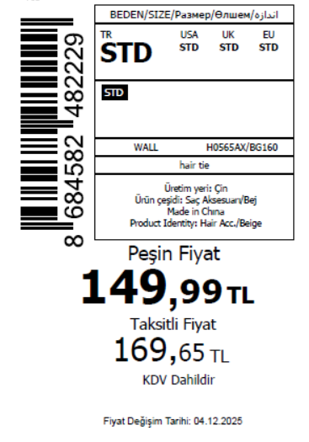 1800
2025-12-04 | H0565AX | NS | 1760490 | BOSNIA | BG160 - BEIGE | H0565AXDFASTD | 25 | 5 | 5 | BOSNIA | 6 | 30
2025-12-04 | H0565AX | NS | 1760489 | EGYPT | BG160 - BEIGE | H0565AXDFASTD | 25 | 5 | 5 | EGYPT | 15 | 75
2025-12-04 | H0565AX | NS | 1760488 | GEORGIA | BG160 - BEIGE | H0565AXDFASTD | 25 | 5 | 5 | GEORGIA | 8 | 40
2025-12-04 | H0565AX | NS | 1760485 | MACEDONIA | BG160 - BEIGE | H0565AXDFASTD | 25 | 5 | 5 | MACEDONIA | 2 | 10
2025-12-04 | H0565AX | NS | 1760483 | MOLDOVA | BG160 - BEIGE | H0565AXDFASTD | 25 | 5 | 5 | MOLDOVA | 4 | 20
2025-12-04 | H0565AX | NS | 1760482 | MONTENEGRO | BG160 - BEIGE | H0565AXDFASTD | 25 | 5 | 5 | MONTENEGRO | 1 | 5
2025-12-04 | H0565AX | NS | 1760481 | NORTH IRAQ | BG160 - BEIGE | H0565AXDFASTD | 25 | 5 | 5 | NORTH IRAQ | 20 | 100
2025-12-04 | H0565AX | NS | 1760480 | SERBIA | BG160 - BEIGE | H0565AXDFASTD | 25 | 5 | 5 | SERBIA | 2 | 10
2025-12-04 | H0565AX | NS | 1760479 | SOUTH IRAQ | BG160 - BEIGE | H0565AXDFASTD | 25 | 5 | 5 | SOUTH IRAQ | 15 | 75
2025-12-04 | H0565AX | NS | 1760477 | UKRAINE | BG160 - BEIGE | H0565AXDFASTD | 25 | 5 | 5 | UKRAINE | 6 | 30
2025-12-04 | H0565AX | NS | 1760476 | UZBEKISTAN | BG160 - BEIGE | H0565AXDFASTD | 25 | 5 | 5 | UZBEKISTAN | 2 | 10
2025-12-04 | H0565AX | NS | 1760475 | AZERBAIJAN | BG160 - BEIGE | H0565AXDFASTD | 25 | 5 | 5 | AZERBAIJAN | 5 | 25
2025-12-04 | H0565AX | NS | 1760474 | KOSOVO | BG160 - BEIGE | H0565AXDFASTD | 25 | 5 | 5 | KOSOVO | 5 | 25
2025-12-04 | H0565AX | NS | 1760473 | LEBANON | BG160 - BEIGE | H0565AXDFASTD | 25 | 5 | 5 | LEBANON | 5 | 25
2025-12-04 | H0565AX | NS | 1760472 | TOPTAN-5 | BG160 - BEIGE | H0565AXTOP5ASTD | 25 | 5 | 5 | TOPTAN-5 | 10 | 50 |  | 无稿件
2025-12-04 | H0565AX | NS | 1760471 | TOPTAN-7 | BG160 - BEIGE | H0565AXTOP7ASTD | 25 | 5 | 5 | TOPTAN-7 | 20 | 100 |  | 无稿件
2025-12-04 | H0565AX | NS | 1760470 | İSTANBUL DEPO-无价格 | BG160 - BEIGE | H0565AXECOMASTD | 25 | 5 | 5 | ECOM | 30 | 150
2025-12-04 | H0565AX | NS | 1760478 | DEFACTO PERAKENDE TİC.A.Ş. DEPO Organize San. Bölgesi 6.Depo Kazım Karabekir Mah. Cumhuriyet Cad. Tekirdağ/Çerkezköy Tel:0090 282 758 11 34-35 | BG160 - BEIGE | H0565AXDFASTD | 25 | 5 | 5 | TURKEY | 200 | 1000
 |  |  |  |  |  |  |  |  |  |  | 360 | 1800

2025-12-04 | H0566AX | NS | 1760510 | ALBANIA | BN226 - BROWN | H0566AXDFASTD | 25 | 5 | 5 | ALBANIA | 4 | 20 | 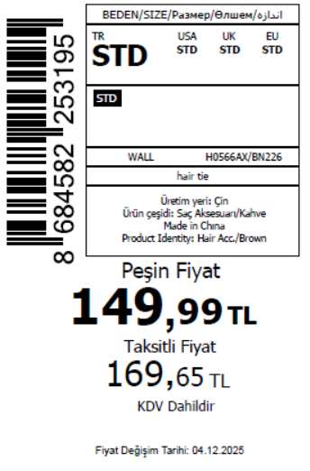 1775
2025-12-04 | H0566AX | NS | 1760509 | BOSNIA | BN226 - BROWN | H0566AXDFASTD | 25 | 5 | 5 | BOSNIA | 6 | 30
2025-12-04 | H0566AX | NS | 1760508 | EGYPT | BN226 - BROWN | H0566AXDFASTD | 25 | 5 | 5 | EGYPT | 15 | 75
2025-12-04 | H0566AX | NS | 1760507 | GEORGIA | BN226 - BROWN | H0566AXDFASTD | 25 | 5 | 5 | GEORGIA | 8 | 40
2025-12-04 | H0566AX | NS | 1760506 | MACEDONIA | BN226 - BROWN | H0566AXDFASTD | 25 | 5 | 5 | MACEDONIA | 2 | 10
2025-12-04 | H0566AX | NS | 1760505 | MOLDOVA | BN226 - BROWN | H0566AXDFASTD | 25 | 5 | 5 | MOLDOVA | 4 | 20
2025-12-04 | H0566AX | NS | 1760504 | MONTENEGRO | BN226 - BROWN | H0566AXDFASTD | 25 | 5 | 5 | MONTENEGRO | 1 | 5
2025-12-04 | H0566AX | NS | 1760503 | NORTH IRAQ | BN226 - BROWN | H0566AXDFASTD | 25 | 5 | 5 | NORTH IRAQ | 15 | 75
2025-12-04 | H0566AX | NS | 1760502 | SERBIA | BN226 - BROWN | H0566AXDFASTD | 25 | 5 | 5 | SERBIA | 2 | 10
2025-12-04 | H0566AX | NS | 1760501 | SOUTH IRAQ | BN226 - BROWN | H0566AXDFASTD | 25 | 5 | 5 | SOUTH IRAQ | 15 | 75
2025-12-04 | H0566AX | NS | 1760499 | UKRAINE | BN226 - BROWN | H0566AXDFASTD | 25 | 5 | 5 | UKRAINE | 6 | 30
2025-12-04 | H0566AX | NS | 1760498 | UZBEKISTAN | BN226 - BROWN | H0566AXDFASTD | 25 | 5 | 5 | UZBEKISTAN | 2 | 10
2025-12-04 | H0566AX | NS | 1760497 | AZERBAIJAN | BN226 - BROWN | H0566AXDFASTD | 25 | 5 | 5 | AZERBAIJAN | 5 | 25
2025-12-04 | H0566AX | NS | 1760496 | KOSOVO | BN226 - BROWN | H0566AXDFASTD | 25 | 5 | 5 | KOSOVO | 5 | 25
2025-12-04 | H0566AX | NS | 1760495 | LEBANON | BN226 - BROWN | H0566AXDFASTD | 25 | 5 | 5 | LEBANON | 5 | 25
2025-12-04 | H0566AX | NS | 1760494 | TOPTAN-5 | BN226 - BROWN | H0566AXTOP5ASTD | 25 | 5 | 5 | TOPTAN-5 | 10 | 50 |  | 无图稿
2025-12-04 | H0566AX | NS | 1760493 | TOPTAN-7 | BN226 - BROWN | H0566AXTOP7ASTD | 25 | 5 | 5 | TOPTAN-7 | 20 | 100 |  | 无图稿
2025-12-04 | H0566AX | NS | 1760491 | İSTANBUL DEPO-无价格 | BN226 - BROWN | H0566AXECOMASTD | 25 | 5 | 5 | ECOM | 30 | 150
2025-12-04 | H0566AX | NS | 1760500 | DEFACTO PERAKENDE TİC.A.Ş. DEPO Organize San. Bölgesi 6.Depo Kazım Karabekir Mah. Cumhuriyet Cad. Tekirdağ/Çerkezköy Tel:0090 282 758 11 34-35 | BN226 - BROWN | H0566AXDFASTD | 25 | 5 | 5 | TURKEY | 200 | 1000
 |  |  |  |  |  |  |  |  |  |  | 355 | 1775

2025-12-04 | H0567AX | NS | 1760558 | BOSNIA | KR1 - KARMA | H0567AXDFASTD | 24 | 5 | 5 | BOSNIA | 6 | 30 | 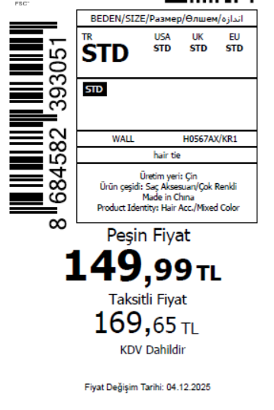 2775
2025-12-04 | H0567AX | NS | 1760552 | EGYPT | KR1 - KARMA | H0567AXDFASTD | 24 | 5 | 5 | EGYPT | 15 | 75
2025-12-04 | H0567AX | NS | 1760544 | GEORGIA | KR1 - KARMA | H0567AXDFASTD | 24 | 5 | 5 | GEORGIA | 8 | 40
2025-12-04 | H0567AX | NS | 1760538 | ALBANIA | KR1 - KARMA | H0567AXDFASTD | 24 | 5 | 5 | ALBANIA | 4 | 20
2025-12-04 | H0567AX | NS | 1760530 | MACEDONIA | KR1 - KARMA | H0567AXDFASTD | 24 | 5 | 5 | MACEDONIA | 2 | 10
2025-12-04 | H0567AX | NS | 1760527 | MOLDOVA | KR1 - KARMA | H0567AXDFASTD | 24 | 5 | 5 | MOLDOVA | 4 | 20
2025-12-04 | H0567AX | NS | 1760524 | MONTENEGRO | KR1 - KARMA | H0567AXDFASTD | 24 | 5 | 5 | MONTENEGRO | 1 | 5
2025-12-04 | H0567AX | NS | 1760522 | NORTH IRAQ | KR1 - KARMA | H0567AXDFASTD | 24 | 5 | 5 | NORTH IRAQ | 15 | 75
2025-12-04 | H0567AX | NS | 1760521 | SERBIA | KR1 - KARMA | H0567AXDFASTD | 24 | 5 | 5 | SERBIA | 2 | 10
2025-12-04 | H0567AX | NS | 1760520 | SOUTH IRAQ | KR1 - KARMA | H0567AXDFASTD | 24 | 5 | 5 | SOUTH IRAQ | 15 | 75
2025-12-04 | H0567AX | NS | 1760518 | UKRAINE | KR1 - KARMA | H0567AXDFASTD | 24 | 5 | 5 | UKRAINE | 6 | 30
2025-12-04 | H0567AX | NS | 1760517 | UZBEKISTAN | KR1 - KARMA | H0567AXDFASTD | 24 | 5 | 5 | UZBEKISTAN | 2 | 10
2025-12-04 | H0567AX | NS | 1760516 | AZERBAIJAN | KR1 - KARMA | H0567AXDFASTD | 24 | 5 | 5 | AZERBAIJAN | 5 | 25
2025-12-04 | H0567AX | NS | 1760515 | KOSOVO | KR1 - KARMA | H0567AXDFASTD | 24 | 5 | 5 | KOSOVO | 5 | 25
2025-12-04 | H0567AX | NS | 1760514 | LEBANON | KR1 - KARMA | H0567AXDFASTD | 24 | 5 | 5 | LEBANON | 5 | 25
2025-12-04 | H0567AX | NS | 1760513 | TOPTAN-5 | KR1 - KARMA | H0567AXTOP5ASTD | 24 | 5 | 5 | TOPTAN-5 | 10 | 50 |  | 无稿件
2025-12-04 | H0567AX | NS | 1760512 | TOPTAN-7 | KR1 - KARMA | H0567AXTOP7ASTD | 24 | 5 | 5 | TOPTAN-7 | 20 | 100 |  | 无稿件
2025-12-04 | H0567AX | NS | 1760511 | İSTANBUL DEPO-无价格 | KR1 - KARMA | H0567AXECOMASTD | 24 | 5 | 5 | ECOM | 30 | 150
2025-12-04 | H0567AX | NS | 1760519 | DEFACTO PERAKENDE TİC.A.Ş. DEPO Organize San. Bölgesi 6.Depo Kazım Karabekir Mah. Cumhuriyet Cad. Tekirdağ/Çerkezköy Tel:0090 282 758 11 34-35 | KR1 - KARMA | H0567AXDFASTD | 24 | 5 | 5 | TURKEY | 400 | 2000
 |  |  |  |  |  |  |  |  |  |  | 555 | 2775

2025-12-04 | H0568AX | NS | 1760593 | EGYPT | KR1 - KARMA | H0568AXDFASTD | 24 | 5 | 5 | EGYPT | 15 | 75 | 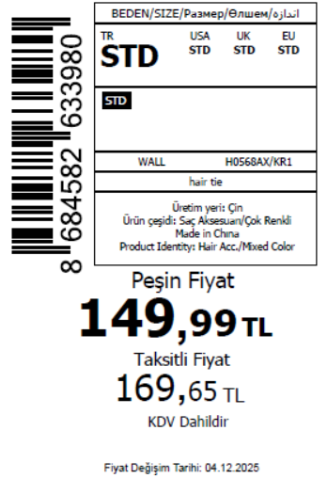 2775
2025-12-04 | H0568AX | NS | 1760592 | GEORGIA | KR1 - KARMA | H0568AXDFASTD | 24 | 5 | 5 | GEORGIA | 8 | 40
2025-12-04 | H0568AX | NS | 1760591 | ALBANIA | KR1 - KARMA | H0568AXDFASTD | 24 | 5 | 5 | ALBANIA | 4 | 20
2025-12-04 | H0568AX | NS | 1760589 | MACEDONIA | KR1 - KARMA | H0568AXDFASTD | 24 | 5 | 5 | MACEDONIA | 2 | 10
2025-12-04 | H0568AX | NS | 1760587 | MOLDOVA | KR1 - KARMA | H0568AXDFASTD | 24 | 5 | 5 | MOLDOVA | 4 | 20
2025-12-04 | H0568AX | NS | 1760584 | MONTENEGRO | KR1 - KARMA | H0568AXDFASTD | 24 | 5 | 5 | MONTENEGRO | 1 | 5
2025-12-04 | H0568AX | NS | 1760580 | BOSNIA | KR1 - KARMA | H0568AXDFASTD | 24 | 5 | 5 | BOSNIA | 6 | 30
2025-12-04 | H0568AX | NS | 1760577 | NORTH IRAQ | KR1 - KARMA | H0568AXDFASTD | 24 | 5 | 5 | NORTH IRAQ | 15 | 75
2025-12-04 | H0568AX | NS | 1760575 | SERBIA | KR1 - KARMA | H0568AXDFASTD | 24 | 5 | 5 | SERBIA | 2 | 10
2025-12-04 | H0568AX | NS | 1760571 | SOUTH IRAQ | KR1 - KARMA | H0568AXDFASTD | 24 | 5 | 5 | SOUTH IRAQ | 15 | 75
2025-12-04 | H0568AX | NS | 1760562 | UKRAINE | KR1 - KARMA | H0568AXDFASTD | 24 | 5 | 5 | UKRAINE | 6 | 30
2025-12-04 | H0568AX | NS | 1760557 | UZBEKISTAN | KR1 - KARMA | H0568AXDFASTD | 24 | 5 | 5 | UZBEKISTAN | 2 | 10
2025-12-04 | H0568AX | NS | 1760553 | AZERBAIJAN | KR1 - KARMA | H0568AXDFASTD | 24 | 5 | 5 | AZERBAIJAN | 5 | 25
2025-12-04 | H0568AX | NS | 1760547 | KOSOVO | KR1 - KARMA | H0568AXDFASTD | 24 | 5 | 5 | KOSOVO | 5 | 25
2025-12-04 | H0568AX | NS | 1760543 | LEBANON | KR1 - KARMA | H0568AXDFASTD | 24 | 5 | 5 | LEBANON | 5 | 25
2025-12-04 | H0568AX | NS | 1760539 | TOPTAN-5 | KR1 - KARMA | H0568AXTOP5ASTD | 24 | 5 | 5 | TOPTAN-5 | 10 | 50 |  | 无稿件
2025-12-04 | H0568AX | NS | 1760533 | TOPTAN-7 | KR1 - KARMA | H0568AXTOP7ASTD | 24 | 5 | 5 | TOPTAN-7 | 20 | 100 |  | 无稿件
2025-12-04 | H0568AX | NS | 1760529 | İSTANBUL DEPO-无价格 | KR1 - KARMA | H0568AXECOMASTD | 24 | 5 | 5 | ECOM | 30 | 150
2025-12-04 | H0568AX | NS | 1760568 | DEFACTO PERAKENDE TİC.A.Ş. DEPO Organize San. Bölgesi 6.Depo Kazım Karabekir Mah. Cumhuriyet Cad. Tekirdağ/Çerkezköy Tel:0090 282 758 11 34-35 | KR1 - KARMA | H0568AXDFASTD | 24 | 5 | 5 | TURKEY | 400 | 2000
 |  |  |  |  |  |  |  |  |  |  | 555 | 2775

2025-12-04 | H0569AX | NS | 1760649 | GEORGIA | KR1 - KARMA | H0569AXDFASTD | 6 | 5 | 5 | GEORGIA | 8 | 40 | 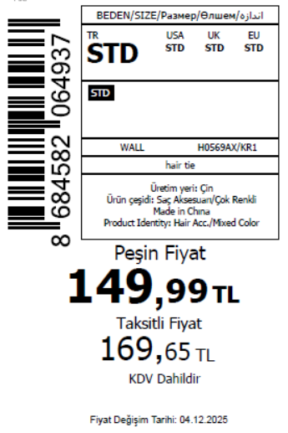 1525
2025-12-04 | H0569AX | NS | 1760647 | MACEDONIA | KR1 - KARMA | H0569AXDFASTD | 6 | 5 | 5 | MACEDONIA | 2 | 10
2025-12-04 | H0569AX | NS | 1760642 | MOLDOVA | KR1 - KARMA | H0569AXDFASTD | 6 | 5 | 5 | MOLDOVA | 4 | 20
2025-12-04 | H0569AX | NS | 1760638 | MONTENEGRO | KR1 - KARMA | H0569AXDFASTD | 6 | 5 | 5 | MONTENEGRO | 1 | 5
2025-12-04 | H0569AX | NS | 1760636 | NORTH IRAQ | KR1 - KARMA | H0569AXDFASTD | 6 | 5 | 5 | NORTH IRAQ | 15 | 75
2025-12-04 | H0569AX | NS | 1760634 | SERBIA | KR1 - KARMA | H0569AXDFASTD | 6 | 5 | 5 | SERBIA | 2 | 10
2025-12-04 | H0569AX | NS | 1760631 | SOUTH IRAQ | KR1 - KARMA | H0569AXDFASTD | 6 | 5 | 5 | SOUTH IRAQ | 15 | 75
2025-12-04 | H0569AX | NS | 1760628 | ALBANIA | KR1 - KARMA | H0569AXDFASTD | 6 | 5 | 5 | ALBANIA | 4 | 20
2025-12-04 | H0569AX | NS | 1760624 | BOSNIA | KR1 - KARMA | H0569AXDFASTD | 6 | 5 | 5 | BOSNIA | 6 | 30
2025-12-04 | H0569AX | NS | 1760621 | UKRAINE | KR1 - KARMA | H0569AXDFASTD | 6 | 5 | 5 | UKRAINE | 6 | 30
2025-12-04 | H0569AX | NS | 1760618 | EGYPT | KR1 - KARMA | H0569AXDFASTD | 6 | 5 | 5 | EGYPT | 15 | 75
2025-12-04 | H0569AX | NS | 1760616 | UZBEKISTAN | KR1 - KARMA | H0569AXDFASTD | 6 | 5 | 5 | UZBEKISTAN | 2 | 10
2025-12-04 | H0569AX | NS | 1760612 | AZERBAIJAN | KR1 - KARMA | H0569AXDFASTD | 6 | 5 | 5 | AZERBAIJAN | 5 | 25
2025-12-04 | H0569AX | NS | 1760609 | KOSOVO | KR1 - KARMA | H0569AXDFASTD | 6 | 5 | 5 | KOSOVO | 5 | 25
2025-12-04 | H0569AX | NS | 1760606 | LEBANON | KR1 - KARMA | H0569AXDFASTD | 6 | 5 | 5 | LEBANON | 5 | 25
2025-12-04 | H0569AX | NS | 1760604 | TOPTAN-5 | KR1 - KARMA | H0569AXTOP5ASTD | 6 | 5 | 5 | TOPTAN-5 | 10 | 50 |  | 无稿件
2025-12-04 | H0569AX | NS | 1760601 | TOPTAN-7 | KR1 - KARMA | H0569AXTOP7ASTD | 6 | 5 | 5 | TOPTAN-7 | 20 | 100 |  | 无稿件
2025-12-04 | H0569AX | NS | 1760600 | İSTANBUL DEPO-无价格 | KR1 - KARMA | H0569AXECOMASTD | 6 | 5 | 5 | ECOM | 30 | 150
2025-12-04 | H0569AX | NS | 1760626 | DEFACTO PERAKENDE TİC.A.Ş. DEPO Organize San. Bölgesi 6.Depo Kazım Karabekir Mah. Cumhuriyet Cad. Tekirdağ/Çerkezköy Tel:0090 282 758 11 34-35 | KR1 - KARMA | H0569AXDFASTD | 6 | 5 | 5 | TURKEY | 150 | 750
 |  |  |  |  |  |  |  |  |  |  | 305 | 1525

2025-12-04 | H0570AX | NS | 1760670 | MACEDONIA | KR1 - KARMA | H0570AXDFASTD | 10 | 5 | 5 | MACEDONIA | 2 | 10 | 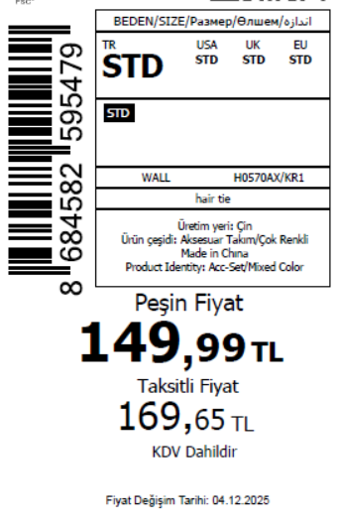 2525
2025-12-04 | H0570AX | NS | 1760668 | MOLDOVA | KR1 - KARMA | H0570AXDFASTD | 10 | 5 | 5 | MOLDOVA | 4 | 20
2025-12-04 | H0570AX | NS | 1760667 | MONTENEGRO | KR1 - KARMA | H0570AXDFASTD | 10 | 5 | 5 | MONTENEGRO | 1 | 5
2025-12-04 | H0570AX | NS | 1760666 | NORTH IRAQ | KR1 - KARMA | H0570AXDFASTD | 10 | 5 | 5 | NORTH IRAQ | 15 | 75
2025-12-04 | H0570AX | NS | 1760665 | ALBANIA | KR1 - KARMA | H0570AXDFASTD | 10 | 5 | 5 | ALBANIA | 4 | 20
2025-12-04 | H0570AX | NS | 1760664 | SERBIA | KR1 - KARMA | H0570AXDFASTD | 10 | 5 | 5 | SERBIA | 2 | 10
2025-12-04 | H0570AX | NS | 1760663 | SOUTH IRAQ | KR1 - KARMA | H0570AXDFASTD | 10 | 5 | 5 | SOUTH IRAQ | 15 | 75
2025-12-04 | H0570AX | NS | 1760662 | BOSNIA | KR1 - KARMA | H0570AXDFASTD | 10 | 5 | 5 | BOSNIA | 6 | 30
2025-12-04 | H0570AX | NS | 1760660 | EGYPT | KR1 - KARMA | H0570AXDFASTD | 10 | 5 | 5 | EGYPT | 15 | 75
2025-12-04 | H0570AX | NS | 1760659 | UKRAINE | KR1 - KARMA | H0570AXDFASTD | 10 | 5 | 5 | UKRAINE | 6 | 30
2025-12-04 | H0570AX | NS | 1760657 | UZBEKISTAN | KR1 - KARMA | H0570AXDFASTD | 10 | 5 | 5 | UZBEKISTAN | 2 | 10
2025-12-04 | H0570AX | NS | 1760654 | GEORGIA | KR1 - KARMA | H0570AXDFASTD | 10 | 5 | 5 | GEORGIA | 8 | 40
2025-12-04 | H0570AX | NS | 1760653 | AZERBAIJAN | KR1 - KARMA | H0570AXDFASTD | 10 | 5 | 5 | AZERBAIJAN | 5 | 25
2025-12-04 | H0570AX | NS | 1760651 | KOSOVO | KR1 - KARMA | H0570AXDFASTD | 10 | 5 | 5 | KOSOVO | 5 | 25
2025-12-04 | H0570AX | NS | 1760648 | LEBANON | KR1 - KARMA | H0570AXDFASTD | 10 | 5 | 5 | LEBANON | 5 | 25
2025-12-04 | H0570AX | NS | 1760646 | TOPTAN-5 | KR1 - KARMA | H0570AXTOP5ASTD | 10 | 5 | 5 | TOPTAN-5 | 10 | 50 |  | 无稿件
2025-12-04 | H0570AX | NS | 1760643 | TOPTAN-7 | KR1 - KARMA | H0570AXTOP7ASTD | 10 | 5 | 5 | TOPTAN-7 | 20 | 100 |  | 无稿件
2025-12-04 | H0570AX | NS | 1760640 | İSTANBUL DEPO-无价格 | KR1 - KARMA | H0570AXECOMASTD | 10 | 5 | 5 | ECOM | 30 | 150
2025-12-04 | H0570AX | NS | 1760661 | DEFACTO PERAKENDE TİC.A.Ş. DEPO Organize San. Bölgesi 6.Depo Kazım Karabekir Mah. Cumhuriyet Cad. Tekirdağ/Çerkezköy Tel:0090 282 758 11 34-35 | KR1 - KARMA | H0570AXDFASTD | 10 | 5 | 5 | TURKEY | 350 | 1750
 |  |  |  |  |  |  |  |  |  |  | 505 | 2525

2025-12-04 | H0571AX | NS | 1760708 | ALBANIA | KR1 - KARMA | H0571AXDFASTD | 10 | 5 | 5 | ALBANIA | 4 | 20 | 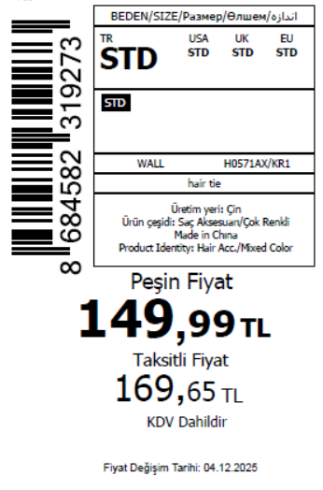 2525
2025-12-04 | H0571AX | NS | 1760707 | BOSNIA | KR1 - KARMA | H0571AXDFASTD | 10 | 5 | 5 | BOSNIA | 6 | 30
2025-12-04 | H0571AX | NS | 1760706 | MOLDOVA | KR1 - KARMA | H0571AXDFASTD | 10 | 5 | 5 | MOLDOVA | 4 | 20
2025-12-04 | H0571AX | NS | 1760705 | MONTENEGRO | KR1 - KARMA | H0571AXDFASTD | 10 | 5 | 5 | MONTENEGRO | 1 | 5
2025-12-04 | H0571AX | NS | 1760703 | EGYPT | KR1 - KARMA | H0571AXDFASTD | 10 | 5 | 5 | EGYPT | 15 | 75
2025-12-04 | H0571AX | NS | 1760701 | NORTH IRAQ | KR1 - KARMA | H0571AXDFASTD | 10 | 5 | 5 | NORTH IRAQ | 15 | 75
2025-12-04 | H0571AX | NS | 1760699 | GEORGIA | KR1 - KARMA | H0571AXDFASTD | 10 | 5 | 5 | GEORGIA | 8 | 40
2025-12-04 | H0571AX | NS | 1760698 | SERBIA | KR1 - KARMA | H0571AXDFASTD | 10 | 5 | 5 | SERBIA | 2 | 10
2025-12-04 | H0571AX | NS | 1760695 | MACEDONIA | KR1 - KARMA | H0571AXDFASTD | 10 | 5 | 5 | MACEDONIA | 2 | 10
2025-12-04 | H0571AX | NS | 1760693 | SOUTH IRAQ | KR1 - KARMA | H0571AXDFASTD | 10 | 5 | 5 | SOUTH IRAQ | 15 | 75
2025-12-04 | H0571AX | NS | 1760689 | UKRAINE | KR1 - KARMA | H0571AXDFASTD | 10 | 5 | 5 | UKRAINE | 6 | 30
2025-12-04 | H0571AX | NS | 1760687 | UZBEKISTAN | KR1 - KARMA | H0571AXDFASTD | 10 | 5 | 5 | UZBEKISTAN | 2 | 10
2025-12-04 | H0571AX | NS | 1760685 | AZERBAIJAN | KR1 - KARMA | H0571AXDFASTD | 10 | 5 | 5 | AZERBAIJAN | 5 | 25
2025-12-04 | H0571AX | NS | 1760683 | KOSOVO | KR1 - KARMA | H0571AXDFASTD | 10 | 5 | 5 | KOSOVO | 5 | 25
2025-12-04 | H0571AX | NS | 1760680 | LEBANON | KR1 - KARMA | H0571AXDFASTD | 10 | 5 | 5 | LEBANON | 5 | 25
2025-12-04 | H0571AX | NS | 1760678 | TOPTAN-5 | KR1 - KARMA | H0571AXTOP5ASTD | 10 | 5 | 5 | TOPTAN-5 | 10 | 50 |  | 无稿件
2025-12-04 | H0571AX | NS | 1760676 | TOPTAN-7 | KR1 - KARMA | H0571AXTOP7ASTD | 10 | 5 | 5 | TOPTAN-7 | 20 | 100 |  | 无稿件
2025-12-04 | H0571AX | NS | 1760674 | İSTANBUL DEPO-无价格 | KR1 - KARMA | H0571AXECOMASTD | 10 | 5 | 5 | ECOM | 30 | 150
2025-12-04 | H0571AX | NS | 1760691 | DEFACTO PERAKENDE TİC.A.Ş. DEPO Organize San. Bölgesi 6.Depo Kazım Karabekir Mah. Cumhuriyet Cad. Tekirdağ/Çerkezköy Tel:0090 282 758 11 34-35 | KR1 - KARMA | H0571AXDFASTD | 10 | 5 | 5 | TURKEY | 350 | 1750
 |  |  |  |  |  |  |  |  |  |  | 505 | 2525

2025-12-04 | H0572AX | NS | 1760744 | ALBANIA | KR1 - KARMA | H0572AXDFASTD | 10 | 5 | 5 | ALBANIA | 4 | 20 | 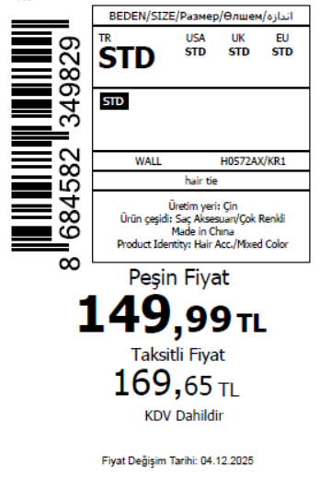 2525
2025-12-04 | H0572AX | NS | 1760742 | BOSNIA | KR1 - KARMA | H0572AXDFASTD | 10 | 5 | 5 | BOSNIA | 6 | 30
2025-12-04 | H0572AX | NS | 1760741 | EGYPT | KR1 - KARMA | H0572AXDFASTD | 10 | 5 | 5 | EGYPT | 15 | 75
2025-12-04 | H0572AX | NS | 1760739 | GEORGIA | KR1 - KARMA | H0572AXDFASTD | 10 | 5 | 5 | GEORGIA | 8 | 40
2025-12-04 | H0572AX | NS | 1760736 | MACEDONIA | KR1 - KARMA | H0572AXDFASTD | 10 | 5 | 5 | MACEDONIA | 2 | 10
2025-12-04 | H0572AX | NS | 1760734 | MOLDOVA | KR1 - KARMA | H0572AXDFASTD | 10 | 5 | 5 | MOLDOVA | 4 | 20
2025-12-04 | H0572AX | NS | 1760731 | MONTENEGRO | KR1 - KARMA | H0572AXDFASTD | 10 | 5 | 5 | MONTENEGRO | 1 | 5
2025-12-04 | H0572AX | NS | 1760729 | NORTH IRAQ | KR1 - KARMA | H0572AXDFASTD | 10 | 5 | 5 | NORTH IRAQ | 15 | 75
2025-12-04 | H0572AX | NS | 1760727 | SERBIA | KR1 - KARMA | H0572AXDFASTD | 10 | 5 | 5 | SERBIA | 2 | 10
2025-12-04 | H0572AX | NS | 1760725 | SOUTH IRAQ | KR1 - KARMA | H0572AXDFASTD | 10 | 5 | 5 | SOUTH IRAQ | 15 | 75
2025-12-04 | H0572AX | NS | 1760721 | UKRAINE | KR1 - KARMA | H0572AXDFASTD | 10 | 5 | 5 | UKRAINE | 6 | 30
2025-12-04 | H0572AX | NS | 1760719 | UZBEKISTAN | KR1 - KARMA | H0572AXDFASTD | 10 | 5 | 5 | UZBEKISTAN | 2 | 10
2025-12-04 | H0572AX | NS | 1760716 | AZERBAIJAN | KR1 - KARMA | H0572AXDFASTD | 10 | 5 | 5 | AZERBAIJAN | 5 | 25
2025-12-04 | H0572AX | NS | 1760714 | KOSOVO | KR1 - KARMA | H0572AXDFASTD | 10 | 5 | 5 | KOSOVO | 5 | 25
2025-12-04 | H0572AX | NS | 1760712 | LEBANON | KR1 - KARMA | H0572AXDFASTD | 10 | 5 | 5 | LEBANON | 5 | 25
2025-12-04 | H0572AX | NS | 1760711 | TOPTAN-5 | KR1 - KARMA | H0572AXTOP5ASTD | 10 | 5 | 5 | TOPTAN-5 | 10 | 50 |  | 无稿件
2025-12-04 | H0572AX | NS | 1760710 | TOPTAN-7 | KR1 - KARMA | H0572AXTOP7ASTD | 10 | 5 | 5 | TOPTAN-7 | 20 | 100 |  | 无稿件
2025-12-04 | H0572AX | NS | 1760709 | İSTANBUL DEPO-无价格 | KR1 - KARMA | H0572AXECOMASTD | 10 | 5 | 5 | ECOM | 30 | 150
2025-12-04 | H0572AX | NS | 1760723 | DEFACTO PERAKENDE TİC.A.Ş. DEPO Organize San. Bölgesi 6.Depo Kazım Karabekir Mah. Cumhuriyet Cad. Tekirdağ/Çerkezköy Tel:0090 282 758 11 34-35 | KR1 - KARMA | H0572AXDFASTD | 10 | 5 | 5 | TURKEY | 350 | 1750
 |  |  |  |  |  |  |  |  |  |  | 505 | 2525

 |  |  |  |  |  |  |  |  |  |  |  |  | 20045

