1.15
订单日期 | Style Code | Season | Order Number | Ship To | ColorCode-Name | Prepack Code | Set Content | STD | Qty. In A Blister | Delivery Country | Total Blister | Total Open Quantity |  | S | M | L
2025-12-10 | H0780AX | NS | 1762979 | MONTENEGRO | GD1 - GOLD | H0780AXDFASTD | 2 | 5 | 5 | MONTENEGRO | 2 | 10 | 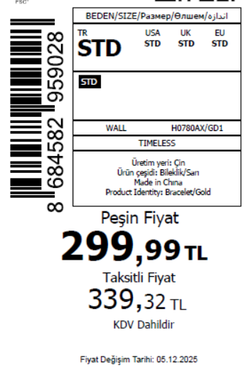 1520
2025-12-10 | H0780AX | NS | 1762978 | SERBIA | GD1 - GOLD | H0780AXDFASTD | 2 | 5 | 5 | SERBIA | 3 | 15
2025-12-10 | H0780AX | NS | 1762977 | AZERBAIJAN | GD1 - GOLD | H0780AXDFASTD | 2 | 5 | 5 | AZERBAIJAN | 3 | 15
2025-12-10 | H0780AX | NS | 1762976 | LEBANON | GD1 - GOLD | H0780AXDFASTD | 2 | 5 | 5 | LEBANON | 3 | 15
2025-12-10 | H0780AX | NS | 1762975 | KOSOVO | GD1 - GOLD | H0780AXDFASTD | 2 | 5 | 5 | KOSOVO | 3 | 15
2025-12-10 | H0780AX | NS | 1762974 | ALBANIA | GD1 - GOLD | H0780AXDFASTD | 2 | 5 | 5 | ALBANIA | 5 | 25
2025-12-10 | H0780AX | NS | 1762973 | GEORGIA | GD1 - GOLD | H0780AXDFASTD | 2 | 5 | 5 | GEORGIA | 6 | 30
2025-12-10 | H0780AX | NS | 1762972 | MOLDOVA | GD1 - GOLD | H0780AXDFASTD | 2 | 5 | 5 | MOLDOVA | 6 | 30
2025-12-10 | H0780AX | NS | 1762971 | BOSNIA | GD1 - GOLD | H0780AXDFASTD | 2 | 5 | 5 | BOSNIA | 8 | 40
2025-12-10 | H0780AX | NS | 1762970 | NORTH IRAQ | GD1 - GOLD | H0780AXDFASTD | 2 | 5 | 5 | NORTH IRAQ | 10 | 50
2025-12-10 | H0780AX | NS | 1762969 | EGYPT | GD1 - GOLD | H0780AXDFASTD | 2 | 5 | 5 | EGYPT | 15 | 75
2025-12-10 | H0780AX | NS | 1762968 | MOROCCO | GD1 - GOLD | H0780AXDFASTD | 2 | 5 | 5 | MOROCCO | 15 | 75
2025-12-10 | H0780AX | NS | 1762967 | SOUTH IRAQ | GD1 - GOLD | H0780AXDFASTD | 2 | 5 | 5 | SOUTH IRAQ | 15 | 75
2025-12-10 | H0780AX | NS | 1762965 | İSTANBUL DEPO-无价格 | GD1 - GOLD | H0780AXECOMASTD | 2 | 5 | 5 | ECOM | 10 | 50
2025-12-10 | H0780AX | NS | 1762966 | DEFACTO PERAKENDE TİC.A.Ş. DEPO Organize San. Bölgesi 6.Depo Kazım Karabekir Mah. Cumhuriyet Cad. Tekirdağ/Çerkezköy Tel:0090 282 758 11 34-35 | GD1 - GOLD | H0780AXDFASTD | 2 | 5 | 5 | TURKEY | 200 | 1000
 |  |  |  |  |  |  |  |  |  |  | 304 | 1520

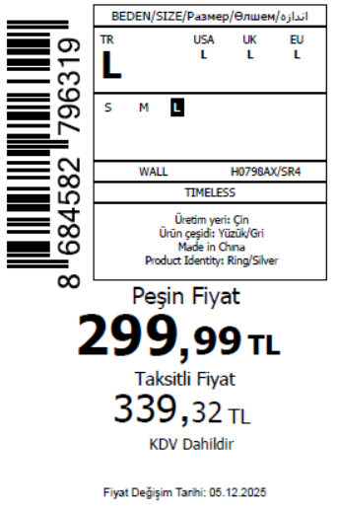
2025-12-10 | H0798AX | NS | 1763478 | TOPTAN-5 | SR4 - SILVER | H0798AXTOP5A | 12 |  |  | TOPTAN-5 | 7 | 105 | 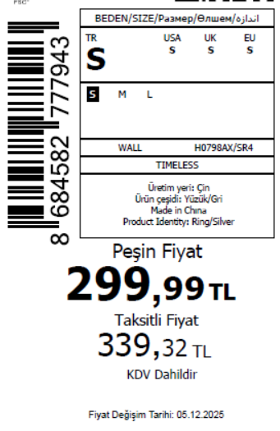 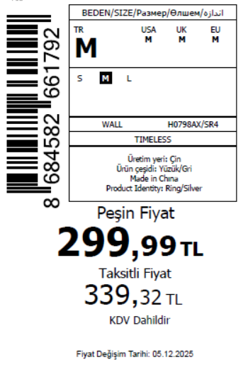 750 | 5 | 5 | 5 | 15 | 无稿件
2025-12-10 | H0798AX | NS | 1763475 | UKRAINE | SR4 - SILVER | H0798AXDFA | 12 |  |  | UKRAINE | 5 | 75 |  | 5 | 5 | 5 | 15
2025-12-10 | H0798AX | NS | 1763472 | MOROCCO | SR4 - SILVER | H0798AXDFA | 12 |  |  | MOROCCO | 10 | 150 |  | 5 | 5 | 5 | 15
2025-12-10 | H0798AX | NS | 1763469 | NORTH IRAQ | SR4 - SILVER | H0798AXDFA | 12 |  |  | NORTH IRAQ | 10 | 150 |  | 5 | 5 | 5 | 15
2025-12-10 | H0798AX | NS | 1763466 | SOUTH IRAQ | SR4 - SILVER | H0798AXDFA | 12 |  |  | SOUTH IRAQ | 10 | 150 |  | 5 | 5 | 5 | 15
2025-12-10 | H0798AX | NS | 1763463 | AZERBAIJAN | SR4 - SILVER | H0798AXDFA | 12 |  |  | AZERBAIJAN | 1 | 15 |  | 5 | 5 | 5 | 15
2025-12-10 | H0798AX | NS | 1763460 | KOSOVO | SR4 - SILVER | H0798AXDFA | 12 |  |  | KOSOVO | 1 | 15 |  | 5 | 5 | 5 | 15
2025-12-10 | H0798AX | NS | 1763457 | LEBANON | SR4 - SILVER | H0798AXDFA | 12 |  |  | LEBANON | 1 | 15 |  | 5 | 5 | 5 | 15
2025-12-10 | H0798AX | NS | 1763453 | ECOM-无价格 | SR4 - SILVER | H0798AXECOMA | 12 |  |  | ECOM | 5 | 75 |  | 5 | 5 | 5 | 15
 |  |  |  |  |  |  |  |  |  |  | 50 | 750

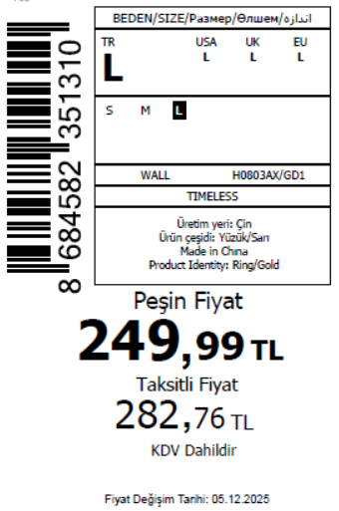
2025-12-10 | H0803AX | NS | 1763680 | ECOM-无价格 | GD1 - GOLD | H0803AXECOMA | 6 |  |  | ECOM | 5 | 75 | 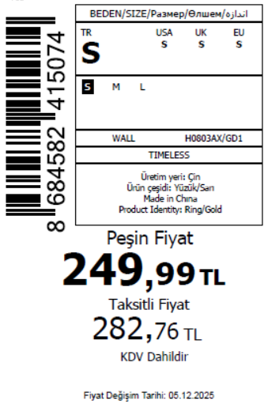 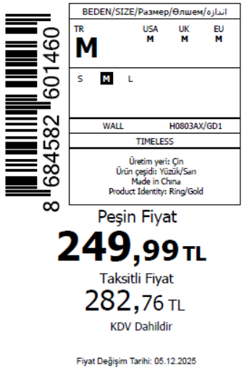 1815 | 5 | 5 | 5 | 15
2025-12-10 | H0803AX | NS | 1763678 | MOROCCO | GD1 - GOLD | H0803AXDFA | 6 |  |  | MOROCCO | 10 | 150 |  | 5 | 5 | 5 | 15
2025-12-10 | H0803AX | NS | 1763676 | NORTH IRAQ | GD1 - GOLD | H0803AXDFA | 6 |  |  | NORTH IRAQ | 10 | 150 |  | 5 | 5 | 5 | 15
2025-12-10 | H0803AX | NS | 1763675 | SOUTH IRAQ | GD1 - GOLD | H0803AXDFA | 6 |  |  | SOUTH IRAQ | 10 | 150 |  | 5 | 5 | 5 | 15
2025-12-10 | H0803AX | NS | 1763671 | EGYPT | GD1 - GOLD | H0803AXDFA | 6 |  |  | EGYPT | 10 | 150 |  | 5 | 5 | 5 | 15
2025-12-10 | H0803AX | NS | 1763670 | ALBANIA | GD1 - GOLD | H0803AXDFA | 6 |  |  | ALBANIA | 2 | 30 |  | 5 | 5 | 5 | 15
2025-12-10 | H0803AX | NS | 1763668 | MONTENEGRO | GD1 - GOLD | H0803AXDFA | 6 |  |  | MONTENEGRO | 2 | 30 |  | 5 | 5 | 5 | 15
2025-12-10 | H0803AX | NS | 1763667 | MOLDOVA | GD1 - GOLD | H0803AXDFA | 6 |  |  | MOLDOVA | 2 | 30 |  | 5 | 5 | 5 | 15
2025-12-10 | H0803AX | NS | 1763674 | DEFACTO PERAKENDE TİC.A.Ş. DEPO Organize San. Bölgesi 6.Depo Kazım Karabekir Mah. Cumhuriyet Cad. Tekirdağ/Çerkezköy Tel:0090 282 758 11 34-35 | GD1 - GOLD | H0803AXDFA | 6 |  |  | TURKEY | 70 | 1050 |  | 5 | 5 | 5 | 15
 |  |  |  |  |  |  |  |  |  |  | 121 | 1815

2025-12-10 | H0804AX | NS | 1763632 | DEFACTO PERAKENDE TİC.A.Ş. DEPO Organize San. Bölgesi 6.Depo Kazım Karabekir Mah. Cumhuriyet Cad. Tekirdağ/Çerkezköy Tel:0090 282 758 11 34-35 | GD1 - GOLD | H0804AXDFA | 4 |  |  | TURKEY | 50 | 500 | 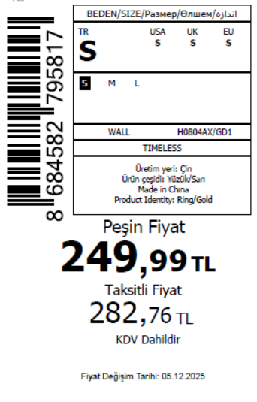 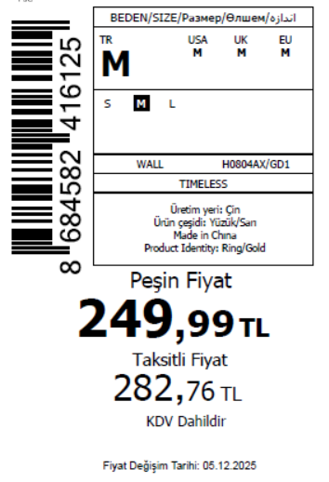 1500 | 5 | 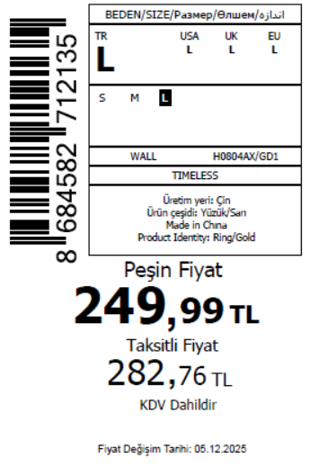 - | 5 | 10
2025-12-10 | H0804AX | NS | 1763632 | DEFACTO PERAKENDE TİC.A.Ş. DEPO Organize San. Bölgesi 6.Depo Kazım Karabekir Mah. Cumhuriyet Cad. Tekirdağ/Çerkezköy Tel:0090 282 758 11 34-35 | GD1 - GOLD | H0804AXDFAM | 4 |  |  | TURKEY | 200 | 1000 |  | - | 5 | - | 5
 |  |  |  |  |  |  |  |  |  |  | 250 | 1500

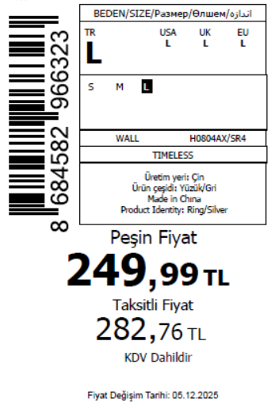
2025-12-10 | H0804AX | NS | 1763634 | TOPTAN-7 | SR4 - SILVER | H0804AXTOP7A | 4 |  |  | TOPTAN-7 | 12 | 180 | 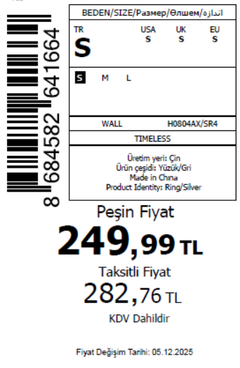 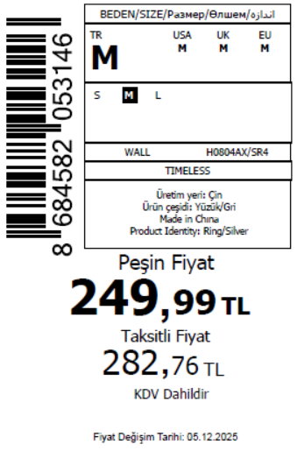 1830 | 5 | 5 | 5 | 15 | 无稿件
2025-12-10 | H0804AX | NS | 1763633 | KAZAKHSTAN | SR4 - SILVER | H0804AXKZKA | 4 |  |  | KAZAKHSTAN | 10 | 150 |  | 5 | 5 | 5 | 15 | 无稿件
2025-12-10 | H0804AX | NS | 1763632 | DEFACTO PERAKENDE TİC.A.Ş. DEPO Organize San. Bölgesi 6.Depo Kazım Karabekir Mah. Cumhuriyet Cad. Tekirdağ/Çerkezköy Tel:0090 282 758 11 34-35 | SR4 - SILVER | H0804AXDFB | 4 |  |  | TURKEY | 50 | 500 |  | 5 | - | 5 | 10
2025-12-10 | H0804AX | NS | 1763632 | DEFACTO PERAKENDE TİC.A.Ş. DEPO Organize San. Bölgesi 6.Depo Kazım Karabekir Mah. Cumhuriyet Cad. Tekirdağ/Çerkezköy Tel:0090 282 758 11 34-35 | SR4 - SILVER | H0804AXDFBM | 4 |  |  | TURKEY | 200 | 1000 |  | - | 5 | - | 5
 |  |  |  |  |  |  |  |  |  |  | 272 | 1830

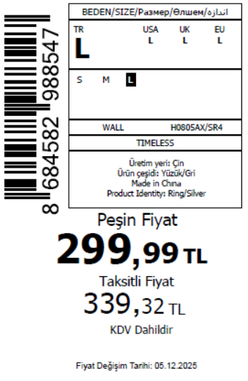
2025-12-10 | H0805AX | NS | 1763790 | ALBANIA | SR4 - SILVER | H0805AXDFA | 6 |  |  | ALBANIA | 4 | 60 | 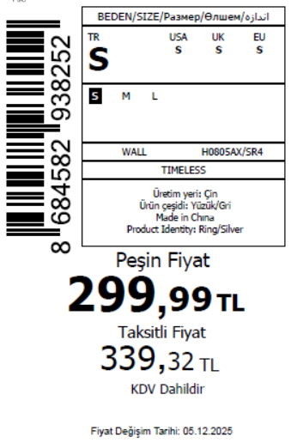 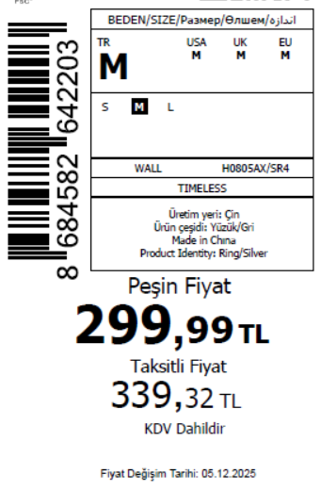 2345 | 5 | 5 | 5 | 15
2025-12-10 | H0805AX | NS | 1763788 | MACEDONIA | SR4 - SILVER | H0805AXDFA | 6 |  |  | MACEDONIA | 2 | 30 |  | 5 | 5 | 5 | 15
2025-12-10 | H0805AX | NS | 1763786 | MOLDOVA | SR4 - SILVER | H0805AXDFA | 6 |  |  | MOLDOVA | 3 | 45 |  | 5 | 5 | 5 | 15
2025-12-10 | H0805AX | NS | 1763783 | MOROCCO | SR4 - SILVER | H0805AXDFA | 6 |  |  | MOROCCO | 5 | 75 |  | 5 | 5 | 5 | 15
2025-12-10 | H0805AX | NS | 1763779 | MONTENEGRO | SR4 - SILVER | H0805AXDFA | 6 |  |  | MONTENEGRO | 2 | 30 |  | 5 | 5 | 5 | 15
2025-12-10 | H0805AX | NS | 1763775 | NORTH IRAQ | SR4 - SILVER | H0805AXDFA | 6 |  |  | NORTH IRAQ | 5 | 75 |  | 5 | 5 | 5 | 15
2025-12-10 | H0805AX | NS | 1763773 | SERBIA | SR4 - SILVER | H0805AXDFA | 6 |  |  | SERBIA | 3 | 45 |  | 5 | 5 | 5 | 15
2025-12-10 | H0805AX | NS | 1763771 | SOUTH IRAQ | SR4 - SILVER | H0805AXDFA | 6 |  |  | SOUTH IRAQ | 5 | 75 |  | 5 | 5 | 5 | 15
2025-12-10 | H0805AX | NS | 1763768 | UKRAINE | SR4 - SILVER | H0805AXDFA | 6 |  |  | UKRAINE | 4 | 60 |  | 5 | 5 | 5 | 15
2025-12-10 | H0805AX | NS | 1763767 | UZBEKISTAN | SR4 - SILVER | H0805AXDFA | 6 |  |  | UZBEKISTAN | 4 | 60 |  | 5 | 5 | 5 | 15
2025-12-10 | H0805AX | NS | 1763764 | AZERBAIJAN | SR4 - SILVER | H0805AXDFA | 6 |  |  | AZERBAIJAN | 3 | 45 |  | 5 | 5 | 5 | 15
2025-12-10 | H0805AX | NS | 1763764 | AZERBAIJAN | SR4 - SILVER | H0805AXDFA1 | 6 |  |  | AZERBAIJAN | 6 | 60 |  | 5 | - | 5 | 10
2025-12-10 | H0805AX | NS | 1763762 | KOSOVO | SR4 - SILVER | H0805AXDFA | 6 |  |  | KOSOVO | 3 | 45 |  | 5 | 5 | 5 | 15
2025-12-10 | H0805AX | NS | 1763762 | KOSOVO | SR4 - SILVER | H0805AXDFA1 | 6 |  |  | KOSOVO | 6 | 60 |  | 5 | - | 5 | 10
2025-12-10 | H0805AX | NS | 1763761 | LEBANON | SR4 - SILVER | H0805AXDFA | 6 |  |  | LEBANON | 4 | 60 |  | 5 | 5 | 5 | 15
2025-12-10 | H0805AX | NS | 1763760 | KAZAKHSTAN | SR4 - SILVER | H0805AXKZKA | 6 |  |  | KAZAKHSTAN | 5 | 75 |  | 5 | 5 | 5 | 15 | 无稿件
2025-12-10 | H0805AX | NS | 1763759 | TOPTAN-5 | SR4 - SILVER | H0805AXTOP5A | 6 |  |  | TOPTAN-5 | 4 | 60 |  | 5 | 5 | 5 | 15 | 无稿件
2025-12-10 | H0805AX | NS | 1763757 | TOPTAN-7 | SR4 - SILVER | H0805AXTOP7A | 6 |  |  | TOPTAN-7 | 4 | 60 |  | 5 | 5 | 5 | 15 | 无稿件
2025-12-10 | H0805AX | NS | 1763754 | ECOM-无价格 | SR4 - SILVER | H0805AXECOMA | 6 |  |  | ECOM | 5 | 75 |  | 5 | 5 | 5 | 15
2025-12-10 | H0805AX | NS | 1763756 | DEFACTO PERAKENDE TİC.A.Ş. DEPO Organize San. Bölgesi 6.Depo Kazım Karabekir Mah. Cumhuriyet Cad. Tekirdağ/Çerkezköy Tel:0090 282 758 11 34-35 | SR4 - SILVER | H0805AXDFAM | 6 |  |  | TURKEY | 150 | 750 |  | - | 5 | - | 5
2025-12-10 | H0805AX | NS | 1763756 | DEFACTO PERAKENDE TİC.A.Ş. DEPO Organize San. Bölgesi 6.Depo Kazım Karabekir Mah. Cumhuriyet Cad. Tekirdağ/Çerkezköy Tel:0090 282 758 11 34-35 | SR4 - SILVER | H0805AXDFA1 | 6 |  |  | TURKEY | 50 | 500 |  | 5 | - | 5 | 10
 |  |  |  |  |  |  |  |  |  |  | 277 | 2345

2025-12-10 | H0822AX | NS | 1763118 | MONTENEGRO | KR1 - KARMA | H0822AXDFASTD | 2 | 5 | 5 | MONTENEGRO | 2 | 10 | 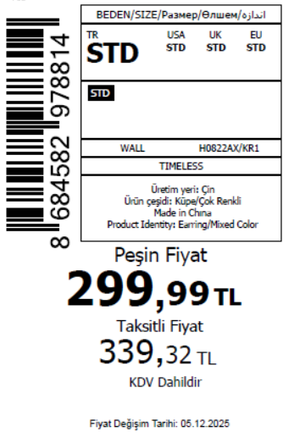 1465
2025-12-10 | H0822AX | NS | 1763116 | SERBIA | KR1 - KARMA | H0822AXDFASTD | 2 | 5 | 5 | SERBIA | 3 | 15
2025-12-10 | H0822AX | NS | 1763114 | AZERBAIJAN | KR1 - KARMA | H0822AXDFASTD | 2 | 5 | 5 | AZERBAIJAN | 3 | 15
2025-12-10 | H0822AX | NS | 1763112 | LEBANON | KR1 - KARMA | H0822AXDFASTD | 2 | 5 | 5 | LEBANON | 3 | 15
2025-12-10 | H0822AX | NS | 1763110 | KOSOVO | KR1 - KARMA | H0822AXDFASTD | 2 | 5 | 5 | KOSOVO | 3 | 15
2025-12-10 | H0822AX | NS | 1763108 | MACEDONIA | KR1 - KARMA | H0822AXDFASTD | 2 | 5 | 5 | MACEDONIA | 4 | 20
2025-12-10 | H0822AX | NS | 1763106 | ALBANIA | KR1 - KARMA | H0822AXDFASTD | 2 | 5 | 5 | ALBANIA | 5 | 25
2025-12-10 | H0822AX | NS | 1763104 | GEORGIA | KR1 - KARMA | H0822AXDFASTD | 2 | 5 | 5 | GEORGIA | 6 | 30
2025-12-10 | H0822AX | NS | 1763102 | MOLDOVA | KR1 - KARMA | H0822AXDFASTD | 2 | 5 | 5 | MOLDOVA | 6 | 30
2025-12-10 | H0822AX | NS | 1763101 | BOSNIA | KR1 - KARMA | H0822AXDFASTD | 2 | 5 | 5 | BOSNIA | 8 | 40
2025-12-10 | H0822AX | NS | 1763099 | NORTH IRAQ | KR1 - KARMA | H0822AXDFASTD | 2 | 5 | 5 | NORTH IRAQ | 10 | 50
2025-12-10 | H0822AX | NS | 1763097 | MOROCCO | KR1 - KARMA | H0822AXDFASTD | 2 | 5 | 5 | MOROCCO | 15 | 75
2025-12-10 | H0822AX | NS | 1763095 | SOUTH IRAQ | KR1 - KARMA | H0822AXDFASTD | 2 | 5 | 5 | SOUTH IRAQ | 15 | 75
2025-12-10 | H0822AX | NS | 1763091 | İSTANBUL DEPO-无价格 | KR1 - KARMA | H0822AXECOMASTD | 2 | 5 | 5 | ECOM | 10 | 50
2025-12-10 | H0822AX | NS | 1763094 | DEFACTO PERAKENDE TİC.A.Ş. DEPO Organize San. Bölgesi 6.Depo Kazım Karabekir Mah. Cumhuriyet Cad. Tekirdağ/Çerkezköy Tel:0090 282 758 11 34-35 | KR1 - KARMA | H0822AXDFASTD | 2 | 5 | 5 | TURKEY | 200 | 1000
 |  |  |  |  |  |  |  |  |  |  | 293 | 1465

2025-12-10 | H0823AX | NS | 1763156 | AZERBAIJAN | GD1 - GOLD | H0823AXDFBSTD | 2 | 5 | 5 | AZERBAIJAN | 3 | 15 | 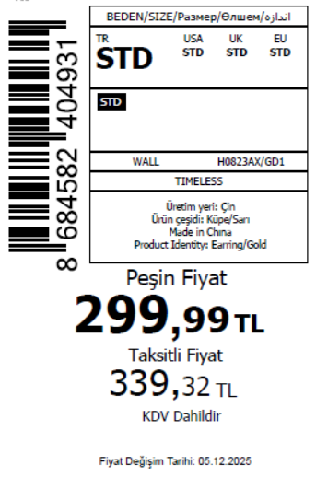 1465
2025-12-10 | H0823AX | NS | 1763150 | SERBIA | GD1 - GOLD | H0823AXDFBSTD | 2 | 5 | 5 | SERBIA | 3 | 15
2025-12-10 | H0823AX | NS | 1763143 | MOLDOVA | GD1 - GOLD | H0823AXDFBSTD | 2 | 5 | 5 | MOLDOVA | 6 | 30
2025-12-10 | H0823AX | NS | 1763137 | KOSOVO | GD1 - GOLD | H0823AXDFBSTD | 2 | 5 | 5 | KOSOVO | 3 | 15
2025-12-10 | H0823AX | NS | 1763136 | LEBANON | GD1 - GOLD | H0823AXDFBSTD | 2 | 5 | 5 | LEBANON | 3 | 15
2025-12-10 | H0823AX | NS | 1763134 | MONTENEGRO | GD1 - GOLD | H0823AXDFBSTD | 2 | 5 | 5 | MONTENEGRO | 2 | 10
2025-12-10 | H0823AX | NS | 1763131 | MACEDONIA | GD1 - GOLD | H0823AXDFBSTD | 2 | 5 | 5 | MACEDONIA | 4 | 20
2025-12-10 | H0823AX | NS | 1763130 | ALBANIA | GD1 - GOLD | H0823AXDFBSTD | 2 | 5 | 5 | ALBANIA | 5 | 25
2025-12-10 | H0823AX | NS | 1763129 | GEORGIA | GD1 - GOLD | H0823AXDFBSTD | 2 | 5 | 5 | GEORGIA | 6 | 30
2025-12-10 | H0823AX | NS | 1763128 | BOSNIA | GD1 - GOLD | H0823AXDFBSTD | 2 | 5 | 5 | BOSNIA | 8 | 40
2025-12-10 | H0823AX | NS | 1763127 | NORTH IRAQ | GD1 - GOLD | H0823AXDFBSTD | 2 | 5 | 5 | NORTH IRAQ | 10 | 50
2025-12-10 | H0823AX | NS | 1763126 | MOROCCO | GD1 - GOLD | H0823AXDFBSTD | 2 | 5 | 5 | MOROCCO | 15 | 75
2025-12-10 | H0823AX | NS | 1763125 | SOUTH IRAQ | GD1 - GOLD | H0823AXDFBSTD | 2 | 5 | 5 | SOUTH IRAQ | 15 | 75
2025-12-10 | H0823AX | NS | 1763124 | İSTANBUL DEPO-无价格 | GD1 - GOLD | H0823AXECOMASTD | 2 | 5 | 5 | ECOM | 10 | 50
2025-12-10 | H0823AX | NS | 1763139 | DEFACTO PERAKENDE TİC.A.Ş. DEPO Organize San. Bölgesi 6.Depo Kazım Karabekir Mah. Cumhuriyet Cad. Tekirdağ/Çerkezköy Tel:0090 282 758 11 34-35 | GD1 - GOLD | H0823AXDFBSTD | 2 | 5 | 5 | TURKEY | 200 | 1000
 |  |  |  |  |  |  |  |  |  |  | 293 | 1465

2025-12-10 | H0823AX | NS | 1763156 | AZERBAIJAN | SR4 - SILVER | H0823AXDFASTD | 2 | 5 | 5 | AZERBAIJAN | 1 | 5 | 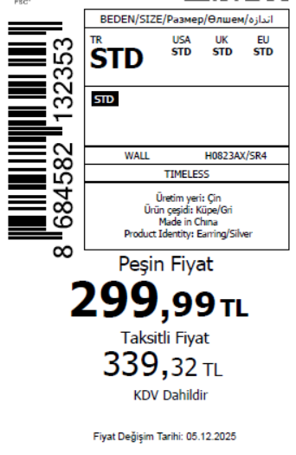 835
2025-12-10 | H0823AX | NS | 1763150 | SERBIA | SR4 - SILVER | H0823AXDFASTD | 2 | 5 | 5 | SERBIA | 4 | 20
2025-12-10 | H0823AX | NS | 1763146 | UZBEKISTAN | SR4 - SILVER | H0823AXDFASTD | 2 | 5 | 5 | UZBEKISTAN | 4 | 20
2025-12-10 | H0823AX | NS | 1763143 | MOLDOVA | SR4 - SILVER | H0823AXDFASTD | 2 | 5 | 5 | MOLDOVA | 10 | 50
2025-12-10 | H0823AX | NS | 1763141 | UKRAINE | SR4 - SILVER | H0823AXDFASTD | 2 | 5 | 5 | UKRAINE | 15 | 75
2025-12-10 | H0823AX | NS | 1763137 | KOSOVO | SR4 - SILVER | H0823AXDFASTD | 2 | 5 | 5 | KOSOVO | 4 | 20
2025-12-10 | H0823AX | NS | 1763136 | LEBANON | SR4 - SILVER | H0823AXDFASTD | 2 | 5 | 5 | LEBANON | 4 | 20
2025-12-10 | H0823AX | NS | 1763124 | İSTANBUL DEPO-无价格 | SR4 - SILVER | H0823AXECOMBSTD | 2 | 5 | 5 | ECOM | 10 | 50
2025-12-10 | H0823AX | NS | 1763123 | TOPTAN-5 | SR4 - SILVER | H0823AXTOP5ASTD | 2 | 5 | 5 | TOPTAN-5 | 15 | 75 |  | 无稿件
2025-12-10 | H0823AX | NS | 1763122 | KAZAKHSTAN | SR4 - SILVER | H0823AXKZKASTD | 2 | 5 | 5 | KAZAKHSTAN | 20 | 100 |  | 无稿件
2025-12-10 | H0823AX | NS | 1763121 | TOPTAN-7 | SR4 - SILVER | H0823AXTOP7ASTD | 2 | 5 | 5 | TOPTAN-7 | 20 | 100 |  | 无稿件
2025-12-10 | H0823AX | NS | 1763139 | DEFACTO PERAKENDE TİC.A.Ş. DEPO Organize San. Bölgesi 6.Depo Kazım Karabekir Mah. Cumhuriyet Cad. Tekirdağ/Çerkezköy Tel:0090 282 758 11 34-35 | SR4 - SILVER | H0823AXDFASTD | 2 | 5 | 5 | TURKEY | 60 | 300
 |  |  |  |  |  |  |  |  |  |  | 167 | 835

2025-12-10 | H0824AX | NS | 1763215 | AZERBAIJAN | GD1 - GOLD | H0824AXDFBSTD | 1 | 5 | 5 | AZERBAIJAN | 3 | 15 | 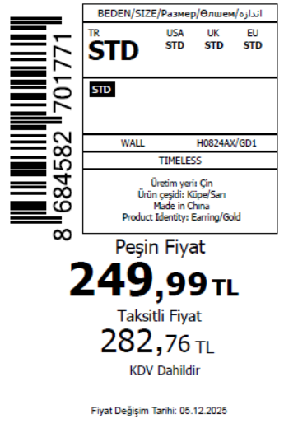 1465
2025-12-10 | H0824AX | NS | 1763211 | SERBIA | GD1 - GOLD | H0824AXDFBSTD | 1 | 5 | 5 | SERBIA | 3 | 15
2025-12-10 | H0824AX | NS | 1763201 | MOLDOVA | GD1 - GOLD | H0824AXDFBSTD | 1 | 5 | 5 | MOLDOVA | 6 | 30
2025-12-10 | H0824AX | NS | 1763195 | KOSOVO | GD1 - GOLD | H0824AXDFBSTD | 1 | 5 | 5 | KOSOVO | 3 | 15
2025-12-10 | H0824AX | NS | 1763193 | LEBANON | GD1 - GOLD | H0824AXDFBSTD | 1 | 5 | 5 | LEBANON | 3 | 15
2025-12-10 | H0824AX | NS | 1763190 | MONTENEGRO | GD1 - GOLD | H0824AXDFBSTD | 1 | 5 | 5 | MONTENEGRO | 2 | 10
2025-12-10 | H0824AX | NS | 1763188 | MACEDONIA | GD1 - GOLD | H0824AXDFBSTD | 1 | 5 | 5 | MACEDONIA | 4 | 20
2025-12-10 | H0824AX | NS | 1763186 | ALBANIA | GD1 - GOLD | H0824AXDFBSTD | 1 | 5 | 5 | ALBANIA | 5 | 25
2025-12-10 | H0824AX | NS | 1763184 | GEORGIA | GD1 - GOLD | H0824AXDFBSTD | 1 | 5 | 5 | GEORGIA | 6 | 30
2025-12-10 | H0824AX | NS | 1763182 | BOSNIA | GD1 - GOLD | H0824AXDFBSTD | 1 | 5 | 5 | BOSNIA | 8 | 40
2025-12-10 | H0824AX | NS | 1763180 | NORTH IRAQ | GD1 - GOLD | H0824AXDFBSTD | 1 | 5 | 5 | NORTH IRAQ | 10 | 50
2025-12-10 | H0824AX | NS | 1763178 | MOROCCO | GD1 - GOLD | H0824AXDFBSTD | 1 | 5 | 5 | MOROCCO | 15 | 75
2025-12-10 | H0824AX | NS | 1763176 | SOUTH IRAQ | GD1 - GOLD | H0824AXDFBSTD | 1 | 5 | 5 | SOUTH IRAQ | 15 | 75
2025-12-10 | H0824AX | NS | 1763175 | İSTANBUL DEPO-无价格 | GD1 - GOLD | H0824AXECOMASTD | 1 | 5 | 5 | ECOM | 10 | 50
2025-12-10 | H0824AX | NS | 1763197 | DEFACTO PERAKENDE TİC.A.Ş. DEPO Organize San. Bölgesi 6.Depo Kazım Karabekir Mah. Cumhuriyet Cad. Tekirdağ/Çerkezköy Tel:0090 282 758 11 34-35 | GD1 - GOLD | H0824AXDFBSTD | 1 | 5 | 5 | TURKEY | 200 | 1000
 |  |  |  |  |  |  |  |  |  |  | 293 | 1465

2025-12-10 | H0824AX | NS | 1763215 | AZERBAIJAN | SR4 - SILVER | H0824AXDFASTD | 1 | 5 | 5 | AZERBAIJAN | 1 | 5 | 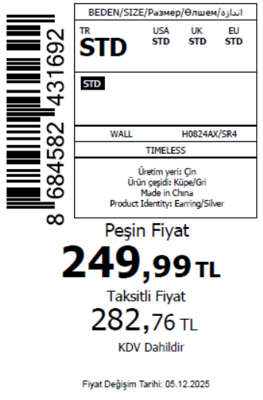 835
2025-12-10 | H0824AX | NS | 1763211 | SERBIA | SR4 - SILVER | H0824AXDFASTD | 1 | 5 | 5 | SERBIA | 4 | 20
2025-12-10 | H0824AX | NS | 1763207 | UZBEKISTAN | SR4 - SILVER | H0824AXDFASTD | 1 | 5 | 5 | UZBEKISTAN | 4 | 20
2025-12-10 | H0824AX | NS | 1763201 | MOLDOVA | SR4 - SILVER | H0824AXDFASTD | 1 | 5 | 5 | MOLDOVA | 10 | 50
2025-12-10 | H0824AX | NS | 1763198 | UKRAINE | SR4 - SILVER | H0824AXDFASTD | 1 | 5 | 5 | UKRAINE | 15 | 75
2025-12-10 | H0824AX | NS | 1763195 | KOSOVO | SR4 - SILVER | H0824AXDFASTD | 1 | 5 | 5 | KOSOVO | 4 | 20
2025-12-10 | H0824AX | NS | 1763193 | LEBANON | SR4 - SILVER | H0824AXDFASTD | 1 | 5 | 5 | LEBANON | 4 | 20
2025-12-10 | H0824AX | NS | 1763175 | İSTANBUL DEPO-无价格 | SR4 - SILVER | H0824AXECOMBSTD | 1 | 5 | 5 | ECOM | 10 | 50
2025-12-10 | H0824AX | NS | 1763174 | TOPTAN-5 | SR4 - SILVER | H0824AXTOP5ASTD | 1 | 5 | 5 | TOPTAN-5 | 15 | 75 |  | 无稿件
2025-12-10 | H0824AX | NS | 1763173 | KAZAKHSTAN | SR4 - SILVER | H0824AXKZKASTD | 1 | 5 | 5 | KAZAKHSTAN | 20 | 100 |  | 无稿件
2025-12-10 | H0824AX | NS | 1763172 | TOPTAN-7 | SR4 - SILVER | H0824AXTOP7ASTD | 1 | 5 | 5 | TOPTAN-7 | 20 | 100 |  | 无稿件
2025-12-10 | H0824AX | NS | 1763197 | DEFACTO PERAKENDE TİC.A.Ş. DEPO Organize San. Bölgesi 6.Depo Kazım Karabekir Mah. Cumhuriyet Cad. Tekirdağ/Çerkezköy Tel:0090 282 758 11 34-35 | SR4 - SILVER | H0824AXDFASTD | 1 | 5 | 5 | TURKEY | 60 | 300
 |  |  |  |  |  |  |  |  |  |  | 167 | 835

2025-12-10 | H0779AX | NS | 1762964 | MONTENEGRO | GD1 - GOLD | H0779AXDFASTD | 1 | 5 | 5 | MONTENEGRO | 2 | 10 | 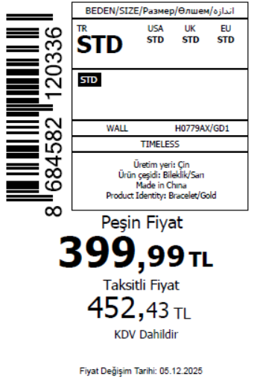 1820
2025-12-10 | H0779AX | NS | 1762963 | SERBIA | GD1 - GOLD | H0779AXDFASTD | 1 | 5 | 5 | SERBIA | 3 | 15
2025-12-10 | H0779AX | NS | 1762962 | AZERBAIJAN | GD1 - GOLD | H0779AXDFASTD | 1 | 5 | 5 | AZERBAIJAN | 3 | 15
2025-12-10 | H0779AX | NS | 1762961 | LEBANON | GD1 - GOLD | H0779AXDFASTD | 1 | 5 | 5 | LEBANON | 3 | 15
2025-12-10 | H0779AX | NS | 1762960 | KOSOVO | GD1 - GOLD | H0779AXDFASTD | 1 | 5 | 5 | KOSOVO | 3 | 15
2025-12-10 | H0779AX | NS | 1762959 | ALBANIA | GD1 - GOLD | H0779AXDFASTD | 1 | 5 | 5 | ALBANIA | 5 | 25
2025-12-10 | H0779AX | NS | 1762958 | GEORGIA | GD1 - GOLD | H0779AXDFASTD | 1 | 5 | 5 | GEORGIA | 6 | 30
2025-12-10 | H0779AX | NS | 1762957 | MOLDOVA | GD1 - GOLD | H0779AXDFASTD | 1 | 5 | 5 | MOLDOVA | 6 | 30
2025-12-10 | H0779AX | NS | 1762956 | BOSNIA | GD1 - GOLD | H0779AXDFASTD | 1 | 5 | 5 | BOSNIA | 8 | 40
2025-12-10 | H0779AX | NS | 1762955 | NORTH IRAQ | GD1 - GOLD | H0779AXDFASTD | 1 | 5 | 5 | NORTH IRAQ | 10 | 50
2025-12-10 | H0779AX | NS | 1762954 | EGYPT | GD1 - GOLD | H0779AXDFASTD | 1 | 5 | 5 | EGYPT | 15 | 75
2025-12-10 | H0779AX | NS | 1762953 | MOROCCO | GD1 - GOLD | H0779AXDFASTD | 1 | 5 | 5 | MOROCCO | 15 | 75
2025-12-10 | H0779AX | NS | 1762952 | SOUTH IRAQ | GD1 - GOLD | H0779AXDFASTD | 1 | 5 | 5 | SOUTH IRAQ | 15 | 75
2025-12-10 | H0779AX | NS | 1762950 | İSTANBUL DEPO-无价格 | GD1 - GOLD | H0779AXECOMASTD | 1 | 5 | 5 | ECOM | 10 | 50
2025-12-10 | H0779AX | NS | 1762951 | DEFACTO PERAKENDE TİC.A.Ş. DEPO Organize San. Bölgesi 6.Depo Kazım Karabekir Mah. Cumhuriyet Cad. Tekirdağ/Çerkezköy Tel:0090 282 758 11 34-35 | GD1 - GOLD | H0779AXDFASTD | 1 | 5 | 5 | TURKEY | 260 | 1300
 |  |  |  |  |  |  |  |  |  |  | 364 | 1820

2025-12-10 | H0781AX | NS | 1762999 | AZERBAIJAN | GD1 - GOLD | H0781AXDFBSTD | 1 | 5 | 5 | AZERBAIJAN | 3 | 15 | 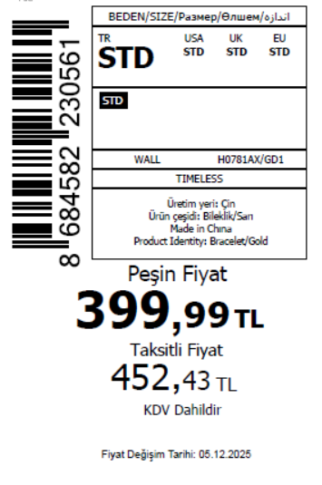 1520
2025-12-10 | H0781AX | NS | 1762998 | SERBIA | GD1 - GOLD | H0781AXDFBSTD | 1 | 5 | 5 | SERBIA | 3 | 15
2025-12-10 | H0781AX | NS | 1762996 | MOLDOVA | GD1 - GOLD | H0781AXDFBSTD | 1 | 5 | 5 | MOLDOVA | 6 | 30
2025-12-10 | H0781AX | NS | 1762993 | KOSOVO | GD1 - GOLD | H0781AXDFBSTD | 1 | 5 | 5 | KOSOVO | 3 | 15
2025-12-10 | H0781AX | NS | 1762992 | LEBANON | GD1 - GOLD | H0781AXDFBSTD | 1 | 5 | 5 | LEBANON | 3 | 15
2025-12-10 | H0781AX | NS | 1762991 | MONTENEGRO | GD1 - GOLD | H0781AXDFBSTD | 1 | 5 | 5 | MONTENEGRO | 2 | 10
2025-12-10 | H0781AX | NS | 1762990 | ALBANIA | GD1 - GOLD | H0781AXDFBSTD | 1 | 5 | 5 | ALBANIA | 5 | 25
2025-12-10 | H0781AX | NS | 1762989 | GEORGIA | GD1 - GOLD | H0781AXDFBSTD | 1 | 5 | 5 | GEORGIA | 6 | 30
2025-12-10 | H0781AX | NS | 1762988 | BOSNIA | GD1 - GOLD | H0781AXDFBSTD | 1 | 5 | 5 | BOSNIA | 8 | 40
2025-12-10 | H0781AX | NS | 1762987 | NORTH IRAQ | GD1 - GOLD | H0781AXDFBSTD | 1 | 5 | 5 | NORTH IRAQ | 10 | 50
2025-12-10 | H0781AX | NS | 1762986 | EGYPT | GD1 - GOLD | H0781AXDFBSTD | 1 | 5 | 5 | EGYPT | 15 | 75
2025-12-10 | H0781AX | NS | 1762985 | MOROCCO | GD1 - GOLD | H0781AXDFBSTD | 1 | 5 | 5 | MOROCCO | 15 | 75
2025-12-10 | H0781AX | NS | 1762984 | SOUTH IRAQ | GD1 - GOLD | H0781AXDFBSTD | 1 | 5 | 5 | SOUTH IRAQ | 15 | 75
2025-12-10 | H0781AX | NS | 1762983 | İSTANBUL DEPO-无价格 | GD1 - GOLD | H0781AXECOMASTD | 1 | 5 | 5 | ECOM | 10 | 50
2025-12-10 | H0781AX | NS | 1762994 | DEFACTO PERAKENDE TİC.A.Ş. DEPO Organize San. Bölgesi 6.Depo Kazım Karabekir Mah. Cumhuriyet Cad. Tekirdağ/Çerkezköy Tel:0090 282 758 11 34-35 | GD1 - GOLD | H0781AXDFBSTD | 1 | 5 | 5 | TURKEY | 200 | 1000
 |  |  |  |  |  |  |  |  |  |  | 304 | 1520

2025-12-10 | H0781AX | NS | 1762999 | AZERBAIJAN | SR4 - SILVER | H0781AXDFASTD | 1 | 5 | 5 | AZERBAIJAN | 1 | 5 | 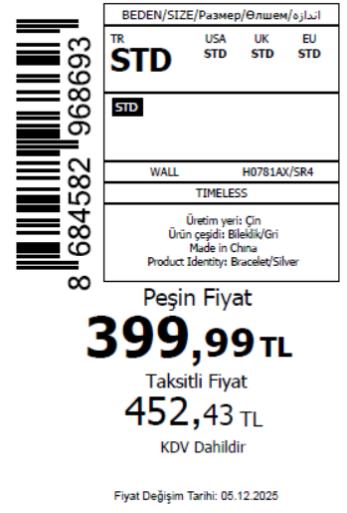 835
2025-12-10 | H0781AX | NS | 1762998 | SERBIA | SR4 - SILVER | H0781AXDFASTD | 1 | 5 | 5 | SERBIA | 4 | 20
2025-12-10 | H0781AX | NS | 1762997 | UZBEKISTAN | SR4 - SILVER | H0781AXDFASTD | 1 | 5 | 5 | UZBEKISTAN | 4 | 20
2025-12-10 | H0781AX | NS | 1762996 | MOLDOVA | SR4 - SILVER | H0781AXDFASTD | 1 | 5 | 5 | MOLDOVA | 10 | 50
2025-12-10 | H0781AX | NS | 1762995 | UKRAINE | SR4 - SILVER | H0781AXDFASTD | 1 | 5 | 5 | UKRAINE | 15 | 75
2025-12-10 | H0781AX | NS | 1762993 | KOSOVO | SR4 - SILVER | H0781AXDFASTD | 1 | 5 | 5 | KOSOVO | 4 | 20
2025-12-10 | H0781AX | NS | 1762992 | LEBANON | SR4 - SILVER | H0781AXDFASTD | 1 | 5 | 5 | LEBANON | 4 | 20
2025-12-10 | H0781AX | NS | 1762983 | İSTANBUL DEPO-无价格 | SR4 - SILVER | H0781AXECOMBSTD | 1 | 5 | 5 | ECOM | 10 | 50
2025-12-10 | H0781AX | NS | 1762982 | TOPTAN-5 | SR4 - SILVER | H0781AXTOP5ASTD | 1 | 5 | 5 | TOPTAN-5 | 15 | 75
2025-12-10 | H0781AX | NS | 1762981 | KAZAKHSTAN | SR4 - SILVER | H0781AXKZKASTD | 1 | 5 | 5 | KAZAKHSTAN | 20 | 100
2025-12-10 | H0781AX | NS | 1762980 | TOPTAN-7 | SR4 - SILVER | H0781AXTOP7ASTD | 1 | 5 | 5 | TOPTAN-7 | 20 | 100
2025-12-10 | H0781AX | NS | 1762994 | DEFACTO PERAKENDE TİC.A.Ş. DEPO Organize San. Bölgesi 6.Depo Kazım Karabekir Mah. Cumhuriyet Cad. Tekirdağ/Çerkezköy Tel:0090 282 758 11 34-35 | SR4 - SILVER | H0781AXDFASTD | 1 | 5 | 5 | TURKEY | 60 | 300
 |  |  |  |  |  |  |  |  |  |  | 167 | 835

2025-12-10 | H0818AX | NS | 1763064 | AZERBAIJAN | GD1 - GOLD | H0818AXDFBSTD | 1 | 5 | 5 | AZERBAIJAN | 3 | 15 | 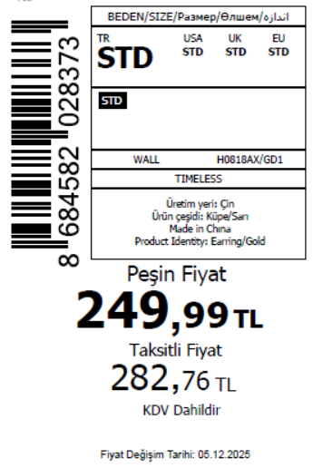 1465
2025-12-10 | H0818AX | NS | 1763062 | SERBIA | GD1 - GOLD | H0818AXDFBSTD | 1 | 5 | 5 | SERBIA | 3 | 15
2025-12-10 | H0818AX | NS | 1763060 | MOLDOVA | GD1 - GOLD | H0818AXDFBSTD | 1 | 5 | 5 | MOLDOVA | 6 | 30
2025-12-10 | H0818AX | NS | 1763057 | KOSOVO | GD1 - GOLD | H0818AXDFBSTD | 1 | 5 | 5 | KOSOVO | 3 | 15
2025-12-10 | H0818AX | NS | 1763056 | LEBANON | GD1 - GOLD | H0818AXDFBSTD | 1 | 5 | 5 | LEBANON | 3 | 15
2025-12-10 | H0818AX | NS | 1763055 | MONTENEGRO | GD1 - GOLD | H0818AXDFBSTD | 1 | 5 | 5 | MONTENEGRO | 2 | 10
2025-12-10 | H0818AX | NS | 1763054 | MACEDONIA | GD1 - GOLD | H0818AXDFBSTD | 1 | 5 | 5 | MACEDONIA | 4 | 20
2025-12-10 | H0818AX | NS | 1763053 | ALBANIA | GD1 - GOLD | H0818AXDFBSTD | 1 | 5 | 5 | ALBANIA | 5 | 25
2025-12-10 | H0818AX | NS | 1763052 | GEORGIA | GD1 - GOLD | H0818AXDFBSTD | 1 | 5 | 5 | GEORGIA | 6 | 30
2025-12-10 | H0818AX | NS | 1763051 | BOSNIA | GD1 - GOLD | H0818AXDFBSTD | 1 | 5 | 5 | BOSNIA | 8 | 40
2025-12-10 | H0818AX | NS | 1763050 | NORTH IRAQ | GD1 - GOLD | H0818AXDFBSTD | 1 | 5 | 5 | NORTH IRAQ | 10 | 50
2025-12-10 | H0818AX | NS | 1763049 | MOROCCO | GD1 - GOLD | H0818AXDFBSTD | 1 | 5 | 5 | MOROCCO | 15 | 75
2025-12-10 | H0818AX | NS | 1763048 | SOUTH IRAQ | GD1 - GOLD | H0818AXDFBSTD | 1 | 5 | 5 | SOUTH IRAQ | 15 | 75
2025-12-10 | H0818AX | NS | 1763047 | İSTANBUL DEPO-无价格 | GD1 - GOLD | H0818AXECOMASTD | 1 | 5 | 5 | ECOM | 10 | 50
2025-12-10 | H0818AX | NS | 1763058 | DEFACTO PERAKENDE TİC.A.Ş. DEPO Organize San. Bölgesi 6.Depo Kazım Karabekir Mah. Cumhuriyet Cad. Tekirdağ/Çerkezköy Tel:0090 282 758 11 34-35 | GD1 - GOLD | H0818AXDFBSTD | 1 | 5 | 5 | TURKEY | 200 | 1000
 |  |  |  |  |  |  |  |  |  |  | 293 | 1465

2025-12-10 | H0818AX | NS | 1763064 | AZERBAIJAN | SR4 - SILVER | H0818AXDFASTD | 1 | 5 | 5 | AZERBAIJAN | 1 | 5 | 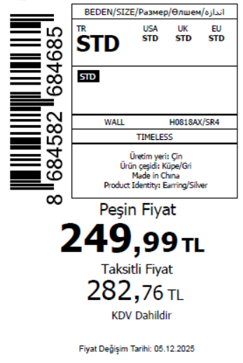 835
2025-12-10 | H0818AX | NS | 1763062 | SERBIA | SR4 - SILVER | H0818AXDFASTD | 1 | 5 | 5 | SERBIA | 4 | 20
2025-12-10 | H0818AX | NS | 1763061 | UZBEKISTAN | SR4 - SILVER | H0818AXDFASTD | 1 | 5 | 5 | UZBEKISTAN | 4 | 20
2025-12-10 | H0818AX | NS | 1763060 | MOLDOVA | SR4 - SILVER | H0818AXDFASTD | 1 | 5 | 5 | MOLDOVA | 10 | 50
2025-12-10 | H0818AX | NS | 1763059 | UKRAINE | SR4 - SILVER | H0818AXDFASTD | 1 | 5 | 5 | UKRAINE | 15 | 75
2025-12-10 | H0818AX | NS | 1763057 | KOSOVO | SR4 - SILVER | H0818AXDFASTD | 1 | 5 | 5 | KOSOVO | 4 | 20
2025-12-10 | H0818AX | NS | 1763056 | LEBANON | SR4 - SILVER | H0818AXDFASTD | 1 | 5 | 5 | LEBANON | 4 | 20
2025-12-10 | H0818AX | NS | 1763047 | İSTANBUL DEPO-无价格 | SR4 - SILVER | H0818AXECOMBSTD | 1 | 5 | 5 | ECOM | 10 | 50
2025-12-10 | H0818AX | NS | 1763046 | TOPTAN-5 | SR4 - SILVER | H0818AXTOP5ASTD | 1 | 5 | 5 | TOPTAN-5 | 15 | 75
2025-12-10 | H0818AX | NS | 1763045 | KAZAKHSTAN | SR4 - SILVER | H0818AXKZKASTD | 1 | 5 | 5 | KAZAKHSTAN | 20 | 100
2025-12-10 | H0818AX | NS | 1763044 | TOPTAN-7 | SR4 - SILVER | H0818AXTOP7ASTD | 1 | 5 | 5 | TOPTAN-7 | 20 | 100
2025-12-10 | H0818AX | NS | 1763058 | DEFACTO PERAKENDE TİC.A.Ş. DEPO Organize San. Bölgesi 6.Depo Kazım Karabekir Mah. Cumhuriyet Cad. Tekirdağ/Çerkezköy Tel:0090 282 758 11 34-35 | SR4 - SILVER | H0818AXDFASTD | 1 | 5 | 5 | TURKEY | 60 | 300
 |  |  |  |  |  |  |  |  |  |  | 167 | 835

2025-12-10 | H0820AX | NS | 1763084 | AZERBAIJAN | GD1 - GOLD | H0820AXDFBSTD | 2 | 5 | 5 | AZERBAIJAN | 3 | 15 | 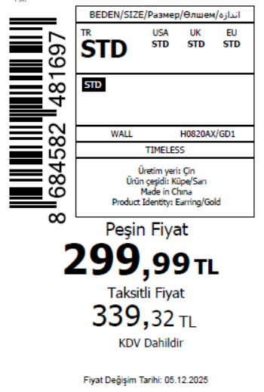 1715
2025-12-10 | H0820AX | NS | 1763083 | SERBIA | GD1 - GOLD | H0820AXDFBSTD | 2 | 5 | 5 | SERBIA | 3 | 15
2025-12-10 | H0820AX | NS | 1763081 | MOLDOVA | GD1 - GOLD | H0820AXDFBSTD | 2 | 5 | 5 | MOLDOVA | 6 | 30
2025-12-10 | H0820AX | NS | 1763079 | KOSOVO | GD1 - GOLD | H0820AXDFBSTD | 2 | 5 | 5 | KOSOVO | 3 | 15
2025-12-10 | H0820AX | NS | 1763077 | LEBANON | GD1 - GOLD | H0820AXDFBSTD | 2 | 5 | 5 | LEBANON | 3 | 15
2025-12-10 | H0820AX | NS | 1763076 | MONTENEGRO | GD1 - GOLD | H0820AXDFBSTD | 2 | 5 | 5 | MONTENEGRO | 2 | 10
2025-12-10 | H0820AX | NS | 1763075 | MACEDONIA | GD1 - GOLD | H0820AXDFBSTD | 2 | 5 | 5 | MACEDONIA | 4 | 20
2025-12-10 | H0820AX | NS | 1763074 | ALBANIA | GD1 - GOLD | H0820AXDFBSTD | 2 | 5 | 5 | ALBANIA | 5 | 25
2025-12-10 | H0820AX | NS | 1763073 | GEORGIA | GD1 - GOLD | H0820AXDFBSTD | 2 | 5 | 5 | GEORGIA | 6 | 30
2025-12-10 | H0820AX | NS | 1763072 | BOSNIA | GD1 - GOLD | H0820AXDFBSTD | 2 | 5 | 5 | BOSNIA | 8 | 40
2025-12-10 | H0820AX | NS | 1763071 | NORTH IRAQ | GD1 - GOLD | H0820AXDFBSTD | 2 | 5 | 5 | NORTH IRAQ | 10 | 50
2025-12-10 | H0820AX | NS | 1763070 | MOROCCO | GD1 - GOLD | H0820AXDFBSTD | 2 | 5 | 5 | MOROCCO | 15 | 75
2025-12-10 | H0820AX | NS | 1763069 | SOUTH IRAQ | GD1 - GOLD | H0820AXDFBSTD | 2 | 5 | 5 | SOUTH IRAQ | 15 | 75
2025-12-10 | H0820AX | NS | 1763068 | İSTANBUL DEPO-无价格 | GD1 - GOLD | H0820AXECOMASTD | 2 | 5 | 5 | ECOM | 10 | 50
2025-12-10 | H0820AX | NS | 1763078 | DEFACTO PERAKENDE TİC.A.Ş. DEPO Organize San. Bölgesi 6.Depo Kazım Karabekir Mah. Cumhuriyet Cad. Tekirdağ/Çerkezköy Tel:0090 282 758 11 34-35 | GD1 - GOLD | H0820AXDFBSTD | 2 | 5 | 5 | TURKEY | 250 | 1250
 |  |  |  |  |  |  |  |  |  |  | 343 | 1715

2025-12-10 | H0820AX | NS | 1763084 | AZERBAIJAN | SR4 - SILVER | H0820AXDFASTD | 2 | 5 | 5 | AZERBAIJAN | 1 | 5 | 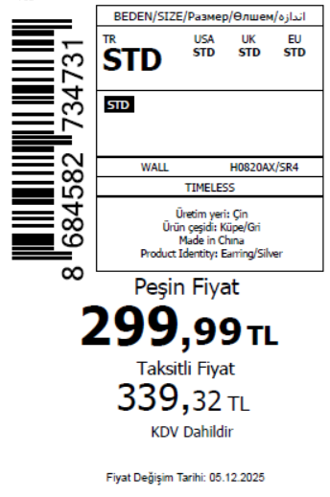 835
2025-12-10 | H0820AX | NS | 1763083 | SERBIA | SR4 - SILVER | H0820AXDFASTD | 2 | 5 | 5 | SERBIA | 4 | 20
2025-12-10 | H0820AX | NS | 1763082 | UZBEKISTAN | SR4 - SILVER | H0820AXDFASTD | 2 | 5 | 5 | UZBEKISTAN | 4 | 20
2025-12-10 | H0820AX | NS | 1763081 | MOLDOVA | SR4 - SILVER | H0820AXDFASTD | 2 | 5 | 5 | MOLDOVA | 10 | 50
2025-12-10 | H0820AX | NS | 1763080 | UKRAINE | SR4 - SILVER | H0820AXDFASTD | 2 | 5 | 5 | UKRAINE | 15 | 75
2025-12-10 | H0820AX | NS | 1763079 | KOSOVO | SR4 - SILVER | H0820AXDFASTD | 2 | 5 | 5 | KOSOVO | 4 | 20
2025-12-10 | H0820AX | NS | 1763077 | LEBANON | SR4 - SILVER | H0820AXDFASTD | 2 | 5 | 5 | LEBANON | 4 | 20
2025-12-10 | H0820AX | NS | 1763068 | İSTANBUL DEPO-无价格 | SR4 - SILVER | H0820AXECOMBSTD | 2 | 5 | 5 | ECOM | 10 | 50
2025-12-10 | H0820AX | NS | 1763067 | TOPTAN-5 | SR4 - SILVER | H0820AXTOP5ASTD | 2 | 5 | 5 | TOPTAN-5 | 15 | 75 |  | 无稿件
2025-12-10 | H0820AX | NS | 1763066 | KAZAKHSTAN | SR4 - SILVER | H0820AXKZKASTD | 2 | 5 | 5 | KAZAKHSTAN | 20 | 100 |  | 无稿件
2025-12-10 | H0820AX | NS | 1763065 | TOPTAN-7 | SR4 - SILVER | H0820AXTOP7ASTD | 2 | 5 | 5 | TOPTAN-7 | 20 | 100 |  | 无稿件
2025-12-10 | H0820AX | NS | 1763078 | DEFACTO PERAKENDE TİC.A.Ş. DEPO Organize San. Bölgesi 6.Depo Kazım Karabekir Mah. Cumhuriyet Cad. Tekirdağ/Çerkezköy Tel:0090 282 758 11 34-35 | SR4 - SILVER | H0820AXDFASTD | 2 | 5 | 5 | TURKEY | 60 | 300
 |  |  |  |  |  |  |  |  |  |  | 167 | 835

 |  |  |  |  |  |  |  |  |  |  | 8584 | 49700 | 24850

